RockPropertiesGuide
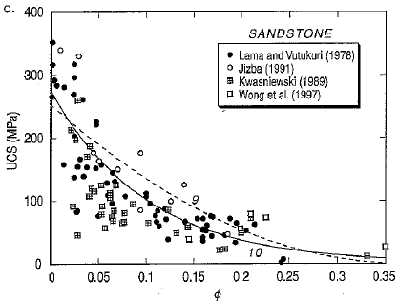
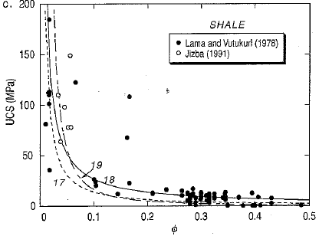
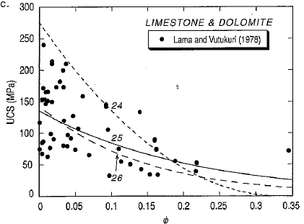
Back to Index
Rock Type | Density (g/cm3) | Porosity | E | PR | UCS | Tensile Strength | Coh | Friction Angle | Frac Toughness | Comments
Igneous |  |  |  |  |  |  |  |  | usually varies between 1.4 -3.8 Mpa-m^0.5 (sensitive to confining pressure) Granite; 0.65-2.47 Mpa-m^0.5
Granite | 2.53-2.8 | 0.5%-1.5% | 30-70 GPa | 0.1-0.25 | 100-300 MPa | 7-25 MPa (R. of thumb 5-10% of UCS) | typically high 35-60 Mpa (could go much higher) | typically high 45-65 degrees (could go as lower e.g. 25 degrees) |  | Plutonic rocks
Dolerite | 2.8-3.2 | 0.1%-0.5% | 10-110 GPa | 0.02-0.3 | 100-350 MPa | 7-20 MPa (R. of thumb 5-10% of UCS) | typically high 35-60 Mpa (could go much higher) | typically high 45-65 degrees (could go as lower e.g. 25 degrees) |  | Plutonic rocks
Gabbro | 2.72-3.0 | 0.1%-0.2% | 60-100 GPa | 0.15-0.2 | 150-250 MPa | 12-35 MPa (R. of thumb 5-10% of UCS) | typically high 35-60 Mpa (could go much higher) | typically high 33-45 degrees (could go as lower e.g. 10 degrees) |  | Plutonic rocks
Rhyolite | 2.4-2.6 | 0.4%-4% | 24-70 GPa | 0.13-0.21 | 80-160 MPa | 5-15 MPa (R. of thumb 5-10% of UCS) | typical high 20-40 Mpa (could go much higher) | typically high 40-50 degrees (values as high as 64 as low as 20 exist) |  | Volcanic rocks
Andesite | 2.5-2.8 | 0.2%-8% | 10-70 GPa | 0.1-0.2 | 100-300 MPa | 5-15 MPa (R. of thumb 5-10% of UCS) | typical high 20-40 Mpa (could go much higher) | typically high 40-50 degrees (values as high as 64 as low as 20 exist) |  | Volcanic rocks
Basalt | 2.7-2.9 | 0.1%-1% | 60-90 GPa | 0.15-0.25 | 100-350 MPa | 12-35 MPa (R. of thumb 5-10% of UCS) | typical high 20-40 Mpa (could go much higher) | typically high 40-50 degrees (values as high as 64 as low as 20 exist) |  | Volcanic rocks
Sedimentary
Coal | 1.1-1.5 | 0.05%-3% | 0.8-3.5 GPa | 0.2-0.5 | 7-35 MPa | 0-5 MPa (R. of thumb 5-10% of UCS) | 0.5-10 MPa | typically moderate angles: 28-54 degrees (avg ~ 30 degrees) |  | cleats/natural fracs
Sandstone | 2.0-2.65 | 6%-32% | 14-60 Gpa (e.g. if unconsolidated/loose ~ 1-14 Gpa; if medium to hard ~ 14-27 Gpa; if hard/dense ~ 27-60 GPa): outliers ~ 70 GPa | 0.15-0.35 | 50-200 MPa | 2-15 MPa (R. of thumb 5-10% of UCS) | 10-20 MPa (competent); 0-10 MPa (weaker) | typically moderate angles 25-45 degrees (as high as ~ 50-55 degrees) | 0.67-2.56 Mpa-m^0.5 (sensitive to confining pressure: example:with confinement as high as 5 MPa-m^0.5) | unconsolidated vs. consolidated (highly variable)
Shale | 2.3-2.8 | 3%-15% | 5-40 GPa (most US shales) | 0.2-0.4 | 50-100 MPa (competent shales); 15-50 MPa (moderate strength shales) 5-15 MPa (weak shales/mudstones); | 0.5-10 MPa (R. of thumb 5-10% of UCS) | 5-30 MPa (most US shales) | low to moderate w/ 20-30 degrees (most US shales); low as 15 degrees | 0.33-2.21 Mpa-m^0.5 (sensitive to confining pressure) | ductile to brittle transition (highly variable)
Marl | 2.3-2.7 | 8-20% | 0.002-0.25 GPa | 0.3 | 26-70 MPa | 1 MPa | - | 37-46 degrees | - | -
Dolostone | 2.2-3.2 | 1%-5% | 40-90 GPa | 0.15-0.3 | 60-170 MPa | 7-15 MPa (R. of thumb 5-10% of UCS) | 10-30 Mpa | 35-50 degrees | 0.81-2.57 Mpa-m^0.5 sensitive to confining pressure | stronger than most sandstones and shales
Limestone | 2.3-2.9 | 5%-25% | 15-80 GPa (e.g. if reef breccia ~ 20 GPa; if oolitic ~ 30 GPa; if med grained ~ 55 GPa; fine grained ~ 75 GPa) | 0.15-0.35 | 30-250 MPa | 5-20 MPa (R. of thumb 5-10% of UCS) | 10-30 MPa | 33-45 degrees | 0.44-1.04 Mpa-m^0.5 (sensitive to confining pressure) | stronger than most sandstones and shales but hard to charcterize: natural fractures, vugs, etc…
Methamorphic
Gneiss | 2.61-3.12 | 0.5%-1.5% | 30-80 GPa | 0.15-0.25 | 100-250 MPa | 7-20 MPa (R. of thumb 5-10% of UCS) | 0-40 MPa | 30-35 degrees | Marble- 0.46-2.25 Mpa-m^0.5 | -
Schist | 2.60-2.85 | 0.3%-1.2% | 5-60 Gpa | 0.15-0.25 | 70-150 MPa | 4-10 MPa (R. of thumb 5-10% of UCS) | 0-20 MPa | 30-as high as 62 degrees |  | -
Phyllite | 2.18-3.3 | 0.3%-1.2% | 10-80 Gpa | 0.15-0.25 | 50-100 Mpa (as low as 5) | 6-20 MPa (R. of thumb 5-10% of UCS) | 0-10 MPa | 25-35 degrees |  | -
Slate | 2.71-2.78 | 0.1%-0.5% | 20-70 Gpa | 0.2-0.3 | 50-180 MPa | 5-20 MPa (R. of thumb 5-10% of UCS) | 0-10 MPa | 25-35 degrees |  | -
Marble | 2.51-3.2 | 0.5%-2% | 50-70 GPa | 0.06-0.25 | 50-200 MPa | 5-20 MPa (R. of thumb 5-10% of UCS) | 20-40 MPa | 30-50 degrees |  | -
Quartzite | 2.61-2.67 | 0.1%-0.5% | 50-90 Gpa | 0.15-0.2 | 150-300 MPa | 25-30 Mpa (R. of thumb 5-10% of UCS) | 20-40 Mpa | 35-48 degrees (as high as 60 degrees) |  | -
Others
Rock Salt | 1.9-2.2 | 0%-4% | 5-42 GPa | 0.09-0.5 | 9-23 MPa | 0.2-3 MPa | - | - | - | -
Anhydrate | 2.7-3.0 | 0.5%-5% | 50-90 GPa | 0.2-0.35 | 70-120 MPa | 5-12 Mpa | - | - | - | -
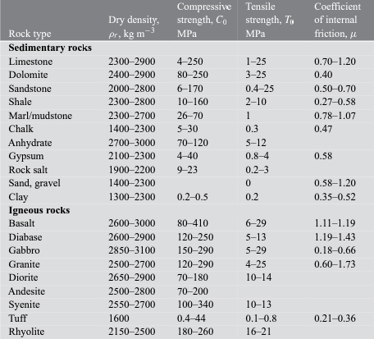
1. Elastic and failure properties of rocks vary significantly and site-play specific
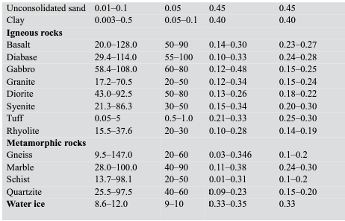
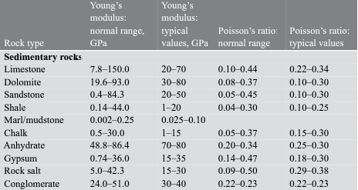
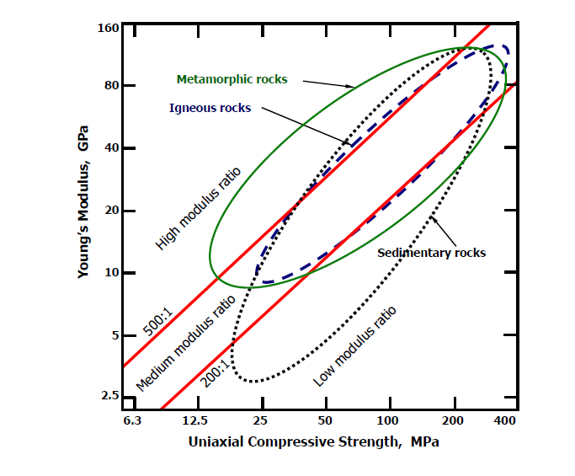

2. Values should be taken with a pinch of salt and should NOT be used for design/modeling purposes without calibration against log/core data
Example: without site specifc data, cores, sonic logs, play type, location, depth / porosity, mineral composition: look-up tables are will do more harm than good.

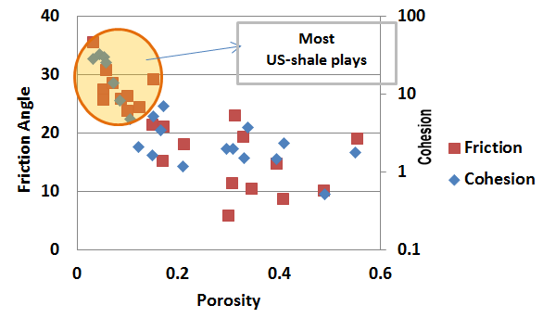

3. Confining Stress, temperature, porosity, saturation, among other variables significantly effect rock properties

Example: Porosity variations in sandstone, shale, carbonates and corresponding variation in UCS:

Interval Location Spec
-21 | 0 | 21 | 0 | -14.7 | 0 | 14.7 | 0
-21 | 1800 | 21 | 1800 | -14.7 | 1700 | 14.7 | 1700
-13 | 1800 | 13 | 1800
-13 | 1800 | 13 | 1800 | -9.1 | 0 | 9.1 | 0
-13 | 2500 | 13 | 2500 | -9.1 | 2400 | 9.1 | 2400
-8.75 | 2500 | 8.75 | 2500
-8.75 | 2500 | 8.75 | 2500 | -6.125 | 0 | 6.125 | 0
-8.75 | 3200 | 8.75 | 3200 | -6.125 | 3100 | 6.125 | 3100
-6.125 | 3200 | 6.125 | 3200
-6.125 | 3200 | 6.125 | 3200
-6.125 | 5250 | 6.125 | 5250 | -4.2875 | 0 | 4.2875 | 0
-4.25 | 5250 | 4.25 | 5250 | -4.2875 | 5150 | 4.2875 | 5150
-4.25 | 5250 | 4.25 | 5250
-4.25 | 11500 | 4.25 | 11500 | -2.975 | 0 | 2.975 | 0
-3 | 11500 | 3 | 11500 | -2.975 | 11400 | 2.975 | 11400
-3 | 11500 | 3 | 11500
-3 | 17000 | 3 | 17000 | -2.1 | 10000 | 2.1 | 10000
 |  |  |  | -2.1 | 16900 | 2.1 | 16900
Use +/- grouping to select data for Interval display
Back to Index
 |  | GeoLocationData
 |  |  | Region | Country | field | Site | Slot | Well Name | Is Sidetrack | WellRelation (y/n) | Airgap | Waterdepth | Total offset (Rig Floor to sea bed) | BOP length | Booster Line 1 Distance from Seabed | Boosterline Length (Ref to RFO) | Riser length | Riser Below MSL | Riser Above MSL
 |  |  | Aregion | Acountry | Afield | Asite | Aslot | This is the well name | 0 | 0 | 120 | 400 | 520 | 40 | 10 | #NAME? | #NAME? | #NAME? | #NAME? | Data Element | Data Sub Element

 |  | LAT | NA | NA | NA | NA | NA | NA | NA |  |  |  |  |  |  |  |  |  |  | SurfacePiping
 |  | Long | NA | NA | NA | NA | NA | NA | NA

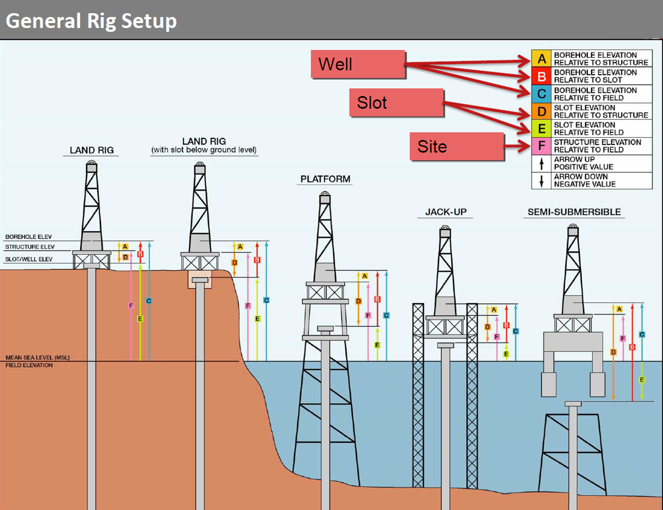
 |  | Region | Aregion |  |  |  |  |  |  |  |  |  |  |  |  |  |  |  |  |  | Needs Definition
 |  | Country | Acountry |  |  |  |  |  |  |  |  |  |  |  |  |  |  |  |  | or | Surface Pdrop entire surface system (MC2 Current)
 |  | field | Afield
 |  | Site | Asite
 |  | Slot | Aslot
 |  | Well Name | This is the well name |  |  |  |  |  |  |  |  |  |  |  |  |  |  |  |  | Above GL/Mudline/seabed
 |  | Is Sidetrack | 0 |  |  |  |  |  |  |  |  |  |  |  |  |  |  |  |  |  | if riser = running index 1 then BOP must follow as Index 2, If Conductor is in sequence then BOP == Sequence order 1)
 |  | WellRelation (y/n) | 0 |  |  |  |  |  |  |  |  |  |  |  |  |  |  |  |  |  | Riser = 1
 |  | Airgap | 120 |  |  |  |  |  |  |  |  |  |  |  |  |  |  |  |  |  | BOPStack = 1 Made up of BOP elements 1 or many
 |  | Waterdepth | 400 |  |  |  |  |  |  |  |  |  |  |  |  |  |  |  |  |  | Conductor = 2
 |  | Total offset (Rig Floor to sea bed) | 520 |  |  |  |  |  |  |  |  |  |  |  |  |  |  |  |  | OpenHole
 |  | BOP length | 40 |  |  |  |  |  |  |  |  |  |  |  |  |  |  |  |  |  | OpenholeSection…n
 |  | Booster Line 1 Distance from Seabed | 10 |  |  |  |  |  |  |  |  |  |  |  |  |  |  |  |  |  | Sequential Openhole sizes in planning denote the use of a reamer
 |  | Boosterline Length (Ref to RFO) | 510 |  |  |  |  |  |  |  |  |  |  |  |  |  |  |  |  | CasedHole
 |  | Riser length | 480 |  |  |  |  |  |  |  |  |  |  |  |  |  |  |  |  |  | CasedHoleSections…n
 |  | Riser Below MSL | 360
 |  | Riser Above MSL | 120 |  |  |  |  |  |  |  |  |  |  |  |  |  |  |  |  |  | Within an interval multi size casing strings are permitted for sections drilled with a reamer
 |  |  |  |  |  |  |  |  |  |  |  |  |  |  |  |  |  |  |  |  | If under reamer and openhole is bigger than previous then the selection of Expandable liner or casing allows for the unexpanded string to be RIH (to td)
 |  |  |  |  |  |  |  |  |  |  |  |  |  |  |  |  |  |  |  |  | If DWC Interval casing == openhole BHA type, (requires DWC BHA class to work)
 |  |  |  |  |  |  |  |  |  |  |  |  |  |  |  |  |  |  |  |  | A riser is true if rig type "Floater" is true. i.e. May be selected in the drop down for interval type
 |  |  |  |  |  |  |  |  |  |  |  |  |  |  |  |  |  |  |  |  | Offsets for sea bed to rig floor are derived from the rig information/Location information for datum reference
 |  | Sequence |  |  |  |  |  |  |  |  |  | Instructions |  |  |  |  |  |  |  |  | Riser may or may not be selected If not selected then = Returns to Sea Bed
 |  | Rig | Wellbore Intervals |  |  |  |  |  |  |  |  | Hole_Interval_Name | BR | Material |  |  |  |  |  |  | BOP may or may not be selected
 |  |  | Active/Inactive | Type | Start Depth | End Depth | OD | ID/Holesize | Material |  |  | Casing | Begins at RKB or sea bed | 1 |  |  |  |  |  |  | if a riser is selected then a BOP is auto selected
 |  | Rig to bop |  | Riser | 0 | 320 | 50 | 42 |  |  |  | Liner | Must be less than previous casing liner end depth | 1 |  |  |  |  |  |  | if a BOP is selected a riser may or may not be selected
 |  | bottom of rizer to sea bed |  | BOP | 320 | 400 | 50 | 42 |  |  |  | Riser | from RKB to top of BOP | 1 |  |  |  |  |  |  | If selected then Riser and or BOP geometry data is included when sending data to the solvers
 |  | first hole section drilled |  | Openhole | 400 | 1300 | Null | 36 | Null |  |  | Openhole | Begins at previous hole depth | 0 |  |  |  |  |  |  | A record in the interval section may be selected as type Open hole
 |  | casing run when first hole section finished |  | Casing | 0 | 1280 | 36 | 28 | Steel |  |  | BOP | must end at seabed | Null |  |  |  |  |  |  | A record in the interval section may be selected as type casing/liner/riser/BOP/expandable - Casing or liner
Data is active from the end depth of the selected openhole section to surface, data below is not passed to the run as bounds for depth ranges
 |  | second hole section drilled |  | Openhole | 1300 | 2500 | Null | 26 | Null |  |  | Conductor | = to riser but for platforms or Jackups | 1 |  |  |  |  |  |  | A new open hole section MUST be of a smaller "hole Size" - Diameter than the previous casing section - exceptions are valid if a user is prompted to confirm that the open hole section will be bigger (reason - May be drilled with a hole opener or reamer - in this case validations will be adjusted for "true" BHA Tools" in BHA Builder
 |  |  |  | Casing | 0 | 2460 | 19.8 | 18.5 | Steel |  |  | Expandable Liner |  | 1 |  |  |  |  |  |  | If open hole section is larger than ID of previous casing/liner section then the only true selections for associated casing in the subsequent record shall be of type expandable
 |  |  |  | Openhole | 2500 | 4000 | Null | 17.5 | Null |  |  |  |  |  |  |  |  |  |  |  | End depth of any casing/liner record shall not exceed the end depth of the associated openhole end depth and maybe less than the end depth of the associated open hole section
 |  |  |  | Liner | 2350 | 3850 | 13.3 | 12.5 | Steel |  |  |  |  |  |  |  |  |  |  |  | If Openhole then non-associated fields are greyed out and not avaliable for data entry. (See table)
 |  |  |  | Openhole | 4000 | 10000 | Null | 12.25 | Null |  |  |  |  |  |  |  |  |  |  |  | Casing end depth =< Paired openhole section.
 |  |  |  |  |  |  |  |  |  |  |  |  |  |  |  |  |  |  |  |  | Selected open hole section = Active interval
 |  |  |  |  |  |  |  |  |  |  |  |  |  |  |  |  |  |  |  |  | Rizer Conductor BOP may or may not be present when drilling Openhole interval 1,2,3……. Need to set to active inactive
 |  |  |  |  |  |  |  |  |  |  |  |  |  |  |  |  |  |  |  |  | Only one active open hole set at one time
 |  |  |  |  |  |  |  |  |  |  |  |  |  |  |  |  |  |  |  |  | Open hole set relates to formation
 |  |  |  |  |  |  |  |  |  |  |  |  |  |  |  |  |  |  |  |  | Wellbore intervals relate to the Plan and are associated to it.
 | OpenHole |  |  |  |  |  |  |  |  | Cased Hole |  |  |  |  |  |  |  |  |  |  | Intervals
 |  |  |  |  |  |  |  |  |  |  |  |  |  |  |  |  |  |  |  |  | Casing/Liner must exist inside an open hole section
 | OpenHole | 1 | Start | 42 | 0 | -21 | 0 | 21 |  |  |  |  |  |  |  |  |  |  |  |  | In general each openhole section is smaller than the previously drilled Openhole section
 | OpenHole | 1 | End | 42 | 1800 | -21 | 0 | 21 |  |  |  |  |  |  |  |  |  |  |  |  | Casing Must fit inside openhole
 | Presentation Data |  |  | 26 | 1800 | -13 | 0 | 13 |  |  |  |  |  |  |  |  |  |  |  |  | Openhole may be larger than previous casing/openhole interval - assumed to be drilled with an under reamer.
 |  |  |  |  |  |  |  |  |  | Casing | Start |  | 0 | -14.7 | 0 | 14.7 |  |  |  |  | In real time Openhole may be expressed as a curve or an array should realtime caliper or psudo caalliper data be avaliable. This should be used to refine hole volumes etc.
 |  |  |  |  |  |  |  |  |  | Casing | End |  | 1700 | -14.7 | 0 | 14.7

 | OpenHole | 2 | Start | 26 | 1800 | -13 | 0 | 13
 | OpenHole | 2 | End | 26 | 2500 | -13 | 0 | 13
 | Presentation Data |  |  | 17.5 | 2500 | -8.75 | 0 | 8.75
 |  |  |  |  |  |  |  |  |  | Casing | Start |  | 0 | -9.1 | 0 | 9.1
 |  |  |  |  |  |  |  |  |  | Casing | End |  | 2400 | -9.1 | 0 | 9.1

 | OpenHole | 3 | Start | 17.5 | 2500 | -8.75 | 0 | 8.75
 | OpenHole | 3 | End | 17.5 | 3200 | -8.75 | 0 | 8.75
 | Presentation Data |  |  | 12.25 | 3200 | -6.125 | 0 | 6.125
 |  |  |  |  |  |  |  |  |  | Casing | Start |  | 0 | -6.125 | 0 | 6.125
 |  |  |  |  |  |  |  |  |  | Casing | End |  | 3100 | -6.125 | 0 | 6.125

 | OpenHole | 4 | Start | 12.25 | 3200 | -6.125 | 0 | 6.125
 | OpenHole | 4 | End | 12.25 | 5250 | -6.125 | 0 | 6.125
 | Presentation Data |  |  | 8.5 | 5250 | -4.25 | 0 | 4.25

 |  |  |  |  |  |  |  |  |  | Casing | Start |  | 0 | -4.2875 | 0 | 4.2875
 |  |  |  |  |  |  |  |  |  | Casing | End |  | 5150 | -4.2875 | 0 | 4.2875

 | OpenHole | 5 | Start | 8.5 | 5250 | -4.25 | 0 | 4.25
 | OpenHole | 5 | End | 8.5 | 11500 | -4.25 | 0 | 4.25
 | Presentation Data |  |  | 12.25 | 11500 | -6.125 | 0 | 6.125

 |  |  |  |  |  |  |  |  |  | Casing | Start |  | 0 | -2.975 | 0 | 2.975
 |  |  |  |  |  |  |  |  |  | Casing | End |  | 11400 | -2.975 | 0 | 2.975

 | OpenHole | 12.25 | Start | 12.25 | 11500 | -6.125 | 0 | 6.125
 | OpenHole | 12.25 | End | 12.25 | 17000 | -6.125 | 0 | 6.125

 |  |  |  |  |  |  |  |  |  | Top of Liner | Start |  | 10000 | -4.8050625 | 0 | 4.8050625 |  | 9.610125
 |  |  |  |  |  |  |  |  |  | Top of Liner | End |  | 16900 | -4.8124125 | 0 | 4.8124125 |  | 9.625
 |  |  |  |  |  |  |  |  |  |  |  |  |  | 0.7857

IntervalDataWithBitPos
-21 | 0 | 21 | 0 | -21 | 0 | -21 | 7000 | -14.7 | 0 | 14.7 | 0
-21 | 1800 | 21 | 1800 | -21 |  | -21 |  | -14.7 | 1700 | 14.7 | 1700
-13 | 1800 | 13 | 1800 | -13 |  | -13
0 | 0 |  | 0 | 0 |  | 0
0 | 5662 | 22 | 5662 | 0 |  | 0
0 | 5662 |  | 5662 | 0 |  | 0
 |  |  |  |  |  |  |  | -9.1 | 0 | 9.1 | 0
-13 | 1800 | 13 | 1800 | -13 |  | -13 |  | -9.1 | 2400 | 9.1 | 2400
-13 | 2500 | 13 | 2500 | -13 |  | -13
-8.75 | 2500 | 8.75 | 2500 | -8.75 |  | -8.75
 |  |  |  |  |  |  |  | -6.125 | 0 | 6.125 | 0
-8.75 | 2500 | 8.75 | 2500 | -8.75 |  | -8.75 |  | -6.125 | 3100 | 6.125 | 3100
-8.75 | 3200 | 8.75 | 3200 | -8.75 |  | -8.75
-6.125 | 3200 | 6.125 | 3200 | -6.125 |  | -6.125
-6.125 | 3200 | 6.125 | 3200 | -6.125 |  | -6.125 |  | -4.2875 | 0 | 4.2875 | 0
-6.125 | 5250 | 6.125 | 5250 | -6.125 |  | -6.125 |  | -4.2875 | 5150 | 4.2875 | 5150
-4.25 | 5250 | 4.25 | 5250 | -4.25 |  | -4.25
-4.25 | 5250 | 4.25 | 5250 | -4.25 |  | -4.25
-4.25 | 5250 | 4.25 | 5250 | -4.25 |  | -4.25 |  | -2.975 | 0 | 2.975 | 0
-4.25 | 11500 | 4.25 | 11500 | -4.25 |  | -4.25 |  | -2.975 | 11400 | 2.975 | 11400
-3 | 11500 | 3 | 11500 | -3 |  | -3
-3 | 11500 | 3 | 11500 | -3 |  | -3 |  | -2.1 | 10000 | 2.1 | 10000
-3 | 17000 | 3 | 17000 | -3 |  | -3 |  | -2.1 | 16900 | 2.1 | 16900
Use +/- grouping to select data for Interval display
Back to Index
 | OpenHole |  |  |  |  |  |  |  | Cased Hole |  |  |  |  |  |  |  | Calc Method | Validations and rules

 |  |  |  |  |  |  |  |  |  |  |  |  |  |  |  |  |  | A riser is true if rig type "Semi sub" is true. i.e. May be selected in the drop down for interval type
 | OpenHole | 1 | Start | 42 | 0 | -21 | 0 | 21 |  |  |  |  |  |  | 0 | 7000 |  | Offsets for sea bed to rig floor are derived from the rig information/Location information for datum reference
 | OpenHole | 1 | End | 42 | 1800 | -21 | 0 | 21 |  |  |  |  |  |  | 0 | 7000 |  | Riser may or may not be selected
Data is active from the end depth of the selected openhole section to surface, data below is not passed to the run as bounds for depth ranges
 | Presentation Data |  |  | 26 | 1800 | -13 | 0 | 13 |  |  |  |  |  |  |  |  |  | BOP may or may not be selected
 |  |  |  |  |  |  |  |  |  |  |  |  |  |  |  |  |  | if a riser is selected then a BOP is auto selected
 |  |  |  |  | 0 | 0 |  |  | Casing | Start | 0 | -14.7 | 0 | 14.7 |  |  |  | if a BOP is selected a riser may or may not be selected
 | Need to adjust for bit marker to be on depth |  |  |  | 5662 | 0 |  | 22 | Casing | End | 1700 | -14.7 | 0 | 14.7 |  |  |  | If selected then Riser and or BOP geometry data is included when sending data to the solvers
 |  |  |  |  | 5662 | 0 |  |  |  |  |  |  |  |  |  |  |  | A record in the interval section may be selected as type Open hole
 |  |  |  |  |  |  |  |  |  |  |  |  |  |  |  |  |  | A record in the interval section may be selected as type casing/liner/riser/bop/expandable - Casing or liner
 | OpenHole | 2 | Start | 26 | 1800 | -13 | 0 | 13 |  |  |  |  |  |  |  |  |  | If current record is selected to enter new data, and the previous record is open hole then the drop down will only show a list of type "casing with associated special types - Casing/line/Expandable caning/liner - else the previous record is of type cased hole and the only valid selection in the new record will only be of type "Openhole"
 | OpenHole | 2 | End | 26 | 2500 | -13 | 0 | 13 |  |  |  |  |  |  |  |  |  | A new open hole section MUST be of a smaller "hole Size" - Diameter than the previous casing section - exceptions are valid if a user is prompted to confirm that the open hole section will be bigger (reason - May be drilled with a hole opener or reamer - in this case validations will be adjusted for "true" BHA Tools" in BHA Builder
 | Presentation Data |  |  | 17.5 | 2500 | -8.75 | 0 | 8.75 |  |  |  |  |  |  |  |  |  | If open hole section is larger than ID of previous casing/liner section then the only true selections for associated casing in the subsequent record shall be of type expandable
 |  |  |  |  |  |  |  |  | Casing | Start | 0 | -9.1 | 0 | 9.1 |  |  |  | TD (Total Depth = Final Measured depth of the well) of the final open hole section shall not exceed the deepest survey point measured depth of the associated plan - Inform user via normal validation exception notification methods.
 |  |  |  |  |  |  |  |  | Casing | End | 2400 | -9.1 | 0 | 9.1 |  |  |  | End depth of any casing/liner record shall not exceed the end depth of the associated openhole end depth and maybe less than the end depth of the associated open hole section

 | OpenHole | 3 | Start | 17.5 | 2500 | -8.75 | 0 | 8.75
 | OpenHole | 3 | End | 17.5 | 3200 | -8.75 | 0 | 8.75
 | Presentation Data |  |  | 12.25 | 3200 | -6.125 | 0 | 6.125
 |  |  |  |  |  |  |  |  | Casing | Start | 0 | -6.125 | 0 | 6.125
 |  |  |  |  |  |  |  |  | Casing | End | 3100 | -6.125 | 0 | 6.125

 | OpenHole | 4 | Start | 12.25 | 3200 | -6.125 | 0 | 6.125
 | OpenHole | 4 | End | 12.25 | 5250 | -6.125 | 0 | 6.125
 | Presentation Data |  |  | 8.5 | 5250 | -4.25 | 0 | 4.25

 | Presentation Data |  |  | 8.5 | 5250 | -4.25 | 0 | 4.25 | Casing | Start | 0 | -4.2875 | 0 | 4.2875
 |  |  |  |  |  |  |  |  | Casing | End | 5150 | -4.2875 | 0 | 4.2875

 | OpenHole | 5 | Start | 8.5 | 5250 | -4.25 | 0 | 4.25
 | OpenHole | 5 | End | 8.5 | 11500 | -4.25 | 0 | 4.25
 | Presentation Data |  |  | 6 | 11500 | -3 | 0 | 3

 |  |  |  |  |  |  |  |  | Casing | Start | 0 | -2.975 | 0 | 2.975
 |  |  |  |  |  |  |  |  | Casing | End | 11400 | -2.975 | 0 | 2.975

 | OpenHole | 6 | Start | 6 | 11500 | -3 | 0 | 3
 | OpenHole | 6 | End | 6 | 17000 | -3 | 0 | 3

 |  |  |  |  |  |  |  |  | Top of Liner | Start | 10000 | -2.1 | 0 | 2.1
 |  |  |  |  |  |  |  |  | Top of Liner | End | 16900 | -2.1 | 0 | 2.1

Well Timeline
Back to Index
Date | Order | Label
2017-06-17 | 3 | Well Task 1
2017-06-18 | 4 | Well Task 2
2017-06-19 | 2 | Well Task 3
2017-06-20 | 3 | Well Task 4
2017-06-21 | 1 | Well Task 5
2017-06-22 | 2 | Well Task 6
2017-06-23 | 3 | Well Task 7
2017-06-24 | 4 | Well Task 8
2017-06-25 | 5 | Well Task 9
2017-06-26 | 6 | Well Task 10
2017-06-27 | 7 | Well Task 11
2017-06-28 | 8 | Well Task 12
2017-06-29 | 9 | Well Task 13
2017-06-30 | 10 | Well Task 14
"Well Name" Milestones

BHA Shape
 | TopUpperBand |  | BottomUpperBand |  | TopLowerBand |  | BottomLowerBand
0 | 17000 | 0.50000027 | 17000 | 0 | 17000 | 0 | 17000
6.1250033075 | 16999.958255 | 0.50000027 | 16999.958255 | -0.50000027 | 17000 | -6.1250033075 | 17000
6.1250033075 | 16999.91651 | 0.50000027 | 16999.91651 | -0.50000027 | 16999.958255 | -6.1250033075 | 16999.958255
6.1250033075 | 16999.874764 | 0.50000027 | 16999.874764 | -0.50000027 | 16999.91651 | -6.1250033075 | 16999.91651
6.1250033075 | 16999.833019 | 0.50000027 | 16999.833019 | -0.50000027 | 16999.874764 | -6.1250033075 | 16999.874764
6.1250033075 | 16999.833028 | 1.400000756 | 16999.833028 | -0.50000027 | 16999.833019 | -6.1250033075 | 16999.833019
6.1250033075 | 16999.603827 | 1.400000756 | 16999.603827 | -1.400000756 | 16999.833028 | -6.1250033075 | 16999.833028
6.1250033075 | 16999.374623 | 1.400000756 | 16999.374623 | -1.400000756 | 16999.603827 | -6.1250033075 | 16999.603827
6.1250033075 | 16999.145426 | 1.400000756 | 16999.145426 | -1.400000756 | 16999.374623 | -6.1250033075 | 16999.374623
6.1250033075 | 16998.916251 | 1.400000756 | 16998.916251 | -1.400000756 | 16999.145426 | -6.1250033075 | 16999.145426
6.1250033075 | 16998.916261 | 1.400000756 | 16998.916261 | -1.400000756 | 16998.916251 | -6.1250033075 | 16998.916251
4.1250022275 | 16998.812322 | 1.400000756 | 16998.812322 | -1.400000756 | 16998.916261 | -4.1250022275 | 16998.916261
4.1250022275 | 16998.708381 | 1.400000756 | 16998.708381 | -1.400000756 | 16998.812322 | -4.1250022275 | 16998.812322
4.1250022275 | 16998.60444 | 1.400000756 | 16998.60444 | -1.400000756 | 16998.708381 | -4.1250022275 | 16998.708381
4.1250022275 | 16998.500496 | 1.400000756 | 16998.500496 | -1.400000756 | 16998.60444 | -4.1250022275 | 16998.60444
4.1250022275 | 16998.500509 | 4.1400022356 | 16998.500509 | -1.400000756 | 16998.500496 | -4.1250022275 | 16998.500496
5.0000027 | 16998.250753 | 4.1400022356 | 16998.250753 | -4.1400022356 | 16998.500509 | -5.0000027 | 16998.500509
5.0000027 | 16998.000992 | 4.1400022356 | 16998.000992 | -4.1400022356 | 16998.250753 | -5.0000027 | 16998.250753
5.0000027 | 16997.751227 | 4.1400022356 | 16997.751227 | -4.1400022356 | 16998.000992 | -5.0000027 | 16998.000992
5.0000027 | 16997.501459 | 4.1400022356 | 16997.501459 | -4.1400022356 | 16997.751227 | -5.0000027 | 16997.751227
5.0000027 | 16997.501489 | 4.1400022356 | 16997.501489 | -4.1400022356 | 16997.501459 | -5.0000027 | 16997.501459
5.0000027 | 16997.25172 | 4.1400022356 | 16997.25172 | -4.1400022356 | 16997.501489 | -5.0000027 | 16997.501489
5.0000027 | 16997.001968 | 4.1400022356 | 16997.001968 | -4.1400022356 | 16997.25172 | -5.0000027 | 16997.25172
5.0000027 | 16996.752226 | 4.1400022356 | 16996.752226 | -4.1400022356 | 16997.001968 | -5.0000027 | 16997.001968
5.0000027 | 16996.502477 | 4.1400022356 | 16996.502477 | -4.1400022356 | 16996.752226 | -5.0000027 | 16996.752226
5.0000027 | 16996.502506 | 4.1400022356 | 16996.502506 | -4.1400022356 | 16996.502477 | -5.0000027 | 16996.502477
5.0000027 | 16996.252753 | 4.1400022356 | 16996.252753 | -4.1400022356 | 16996.502506 | -5.0000027 | 16996.502506
5.0000027 | 16996.002989 | 4.1400022356 | 16996.002989 | -4.1400022356 | 16996.252753 | -5.0000027 | 16996.252753
5.0000027 | 16995.753225 | 4.1400022356 | 16995.753225 | -4.1400022356 | 16996.002989 | -5.0000027 | 16996.002989
5.0000027 | 16995.503455 | 4.1400022356 | 16995.503455 | -4.1400022356 | 16995.753225 | -5.0000027 | 16995.753225
5.0000027 | 16995.503487 | 4.1400022356 | 16995.503487 | -4.1400022356 | 16995.503455 | -5.0000027 | 16995.503455
5.0000027 | 16995.253717 | 4.1400022356 | 16995.253717 | -4.1400022356 | 16995.503487 | -5.0000027 | 16995.503487
5.0000027 | 16995.003957 | 4.1400022356 | 16995.003957 | -4.1400022356 | 16995.253717 | -5.0000027 | 16995.253717
5.0000027 | 16994.754216 | 4.1400022356 | 16994.754216 | -4.1400022356 | 16995.003957 | -5.0000027 | 16995.003957
5.0000027 | 16994.504465 | 4.1400022356 | 16994.504465 | -4.1400022356 | 16994.754216 | -5.0000027 | 16994.754216
5.0000027 | 16994.504495 | 4.1400022356 | 16994.504495 | -4.1400022356 | 16994.504465 | -5.0000027 | 16994.504465
5.0000027 | 16994.254741 | 4.1400022356 | 16994.254741 | -4.1400022356 | 16994.504495 | -5.0000027 | 16994.504495
5.0000027 | 16994.00498 | 4.1400022356 | 16994.00498 | -4.1400022356 | 16994.254741 | -5.0000027 | 16994.254741
5.0000027 | 16993.755213 | 4.1400022356 | 16993.755213 | -4.1400022356 | 16994.00498 | -5.0000027 | 16994.00498
5.0000027 | 16993.505443 | 4.1400022356 | 16993.505443 | -4.1400022356 | 16993.755213 | -5.0000027 | 16993.755213
5.0000027 | 16993.505476 | 4.1400022356 | 16993.505476 | -4.1400022356 | 16993.505443 | -5.0000027 | 16993.505443
5.0000027 | 16993.255702 | 4.1400022356 | 16993.255702 | -4.1400022356 | 16993.505476 | -5.0000027 | 16993.505476
5.0000027 | 16993.005932 | 4.1400022356 | 16993.005932 | -4.1400022356 | 16993.255702 | -5.0000027 | 16993.255702
5.0000027 | 16992.756194 | 4.1400022356 | 16992.756194 | -4.1400022356 | 16993.005932 | -5.0000027 | 16993.005932
5.0000027 | 16992.506443 | 4.1400022356 | 16992.506443 | -4.1400022356 | 16992.756194 | -5.0000027 | 16992.756194
5.0000027 | 16992.506476 | 4.1400022356 | 16992.506476 | -4.1400022356 | 16992.506443 | -5.0000027 | 16992.506443
5.0000027 | 16992.256719 | 4.1400022356 | 16992.256719 | -4.1400022356 | 16992.506476 | -5.0000027 | 16992.506476
5.0000027 | 16992.006958 | 4.1400022356 | 16992.006958 | -4.1400022356 | 16992.256719 | -5.0000027 | 16992.256719
5.0000027 | 16991.757191 | 4.1400022356 | 16991.757191 | -4.1400022356 | 16992.006958 | -5.0000027 | 16992.006958
5.0000027 | 16991.507421 | 4.1400022356 | 16991.507421 | -4.1400022356 | 16991.757191 | -5.0000027 | 16991.757191
...
Back to Index |  |  |  |  |  |  | Back to Index

Definition: Displacement of the BHA Centerline relative to wellbore centerline in directional plane - projection to X axis of wellbore coordinate frame. Output is a diagram of deformed BHA shape in a straightened wellbore

Inputs:
 | X | Linear length of wellbore used to construct the length of X axis of the plot
 | OutterRadii | Outer diameter of BHA used to construct the bottom lower and the top upper band limits of the curve
 | Inner Radii | Gauge of BHA Used to construct the top lower and the bottom lower limits of the curve
 | PosX | Displacement of Horizontal plane

 |  |  |  |  |  | Calculation Curves
Data from eqr file |  |  |  |  |  | PosX + OuterRadii | PosX + InnerRadii | PosX - InnerRadii | PosX - OuterRadii
X | OuterRadii | InnerRadii | PosX | X | AsMD | TopUpperBand | BottomUpperBand | TopLowerBand | BottomLowerBand
 |  |  |  |  | 17000 | 0 | 0 | 0 | 0
0 | 6.1250033075 | 0.50000027 | 0 | 0 | 17000 | 6.1250033075 | 0.50000027 | -0.50000027 | -6.1250033075
0.041745178501 | 6.1250033075 | 0.50000027 | 0 | 0.041745178501 | 16999.958255 | 6.1250033075 | 0.50000027 | -0.50000027 | -6.1250033075
0.083490455428 | 6.1250033075 | 0.50000027 | 0 | 0.083490455428 | 16999.91651 | 6.1250033075 | 0.50000027 | -0.50000027 | -6.1250033075
0.12523579797 | 6.1250033075 | 0.50000027 | 0 | 0.12523579797 | 16999.874764 | 6.1250033075 | 0.50000027 | -0.50000027 | -6.1250033075
0.16698123894 | 6.1250033075 | 0.50000027 | 0 | 0.16698123894 | 16999.833019 | 6.1250033075 | 0.50000027 | -0.50000027 | -6.1250033075
0.16697156046 | 6.1250033075 | 1.400000756 | 0 | 0.16697156046 | 16999.833028 | 6.1250033075 | 1.400000756 | -1.400000756 | -6.1250033075
0.39617324102 | 6.1250033075 | 1.400000756 | 0 | 0.39617324102 | 16999.603827 | 6.1250033075 | 1.400000756 | -1.400000756 | -6.1250033075
0.62537666043 | 6.1250033075 | 1.400000756 | 0 | 0.62537666043 | 16999.374623 | 6.1250033075 | 1.400000756 | -1.400000756 | -6.1250033075
0.85457351816 | 6.1250033075 | 1.400000756 | 0 | 0.85457351816 | 16999.145426 | 6.1250033075 | 1.400000756 | -1.400000756 | -6.1250033075
1.0837487223 | 6.1250033075 | 1.400000756 | 0 | 1.0837487223 | 16998.916251 | 6.1250033075 | 1.400000756 | -1.400000756 | -6.1250033075
1.0837388798 | 4.1250022275 | 1.400000756 | 0 | 1.0837388798 | 16998.916261 | 4.1250022275 | 1.400000756 | -1.400000756 | -4.1250022275
1.1876781876 | 4.1250022275 | 1.400000756 | 0 | 1.1876781876 | 16998.812322 | 4.1250022275 | 1.400000756 | -1.400000756 | -4.1250022275
1.2916188077 | 4.1250022275 | 1.400000756 | 0 | 1.2916188077 | 16998.708381 | 4.1250022275 | 1.400000756 | -1.400000756 | -4.1250022275
1.3955604121 | 4.1250022275 | 1.400000756 | 0 | 1.3955604121 | 16998.60444 | 4.1250022275 | 1.400000756 | -1.400000756 | -4.1250022275
1.4995036569 | 4.1250022275 | 1.400000756 | 0 | 1.4995036569 | 16998.500496 | 4.1250022275 | 1.400000756 | -1.400000756 | -4.1250022275
1.4994908616 | 5.0000027 | 4.1400022356 | 0 | 1.4994908616 | 16998.500509 | 5.0000027 | 4.1400022356 | -4.1400022356 | -5.0000027
1.7492467751 | 5.0000027 | 4.1400022356 | 0 | 1.7492467751 | 16998.250753 | 5.0000027 | 4.1400022356 | -4.1400022356 | -5.0000027
1.999007938 | 5.0000027 | 4.1400022356 | 0 | 1.999007938 | 16998.000992 | 5.0000027 | 4.1400022356 | -4.1400022356 | -5.0000027
2.2487733659 | 5.0000027 | 4.1400022356 | 0 | 2.2487733659 | 16997.751227 | 5.0000027 | 4.1400022356 | -4.1400022356 | -5.0000027
2.4985414185 | 5.0000027 | 4.1400022356 | 0 | 2.4985414185 | 16997.501459 | 5.0000027 | 4.1400022356 | -4.1400022356 | -5.0000027
2.4985105786 | 5.0000027 | 4.1400022356 | 0 | 2.4985105786 | 16997.501489 | 5.0000027 | 4.1400022356 | -4.1400022356 | -5.0000027
2.7482802717 | 5.0000027 | 4.1400022356 | 0 | 2.7482802717 | 16997.25172 | 5.0000027 | 4.1400022356 | -4.1400022356 | -5.0000027
2.9980319201 | 5.0000027 | 4.1400022356 | 0 | 2.9980319201 | 16997.001968 | 5.0000027 | 4.1400022356 | -4.1400022356 | -5.0000027
3.247773726 | 5.0000027 | 4.1400022356 | 0 | 3.247773726 | 16996.752226 | 5.0000027 | 4.1400022356 | -4.1400022356 | -5.0000027
3.4975230778 | 5.0000027 | 4.1400022356 | 0 | 3.4975230778 | 16996.502477 | 5.0000027 | 4.1400022356 | -4.1400022356 | -5.0000027
3.4974935502 | 5.0000027 | 4.1400022356 | 0 | 3.4974935502 | 16996.502506 | 5.0000027 | 4.1400022356 | -4.1400022356 | -5.0000027
3.7472474952 | 5.0000027 | 4.1400022356 | 0 | 3.7472474952 | 16996.252753 | 5.0000027 | 4.1400022356 | -4.1400022356 | -5.0000027
3.9970112828 | 5.0000027 | 4.1400022356 | 0 | 3.9970112828 | 16996.002989 | 5.0000027 | 4.1400022356 | -4.1400022356 | -5.0000027
4.2467750703 | 5.0000027 | 4.1400022356 | 0 | 4.2467750703 | 16995.753225 | 5.0000027 | 4.1400022356 | -4.1400022356 | -5.0000027
4.4965454195 | 5.0000027 | 4.1400022356 | 0 | 4.4965454195 | 16995.503455 | 5.0000027 | 4.1400022356 | -4.1400022356 | -5.0000027
4.4965126111 | 5.0000027 | 4.1400022356 | 0 | 4.4965126111 | 16995.503487 | 5.0000027 | 4.1400022356 | -4.1400022356 | -5.0000027
4.7462829603 | 5.0000027 | 4.1400022356 | 0 | 4.7462829603 | 16995.253717 | 5.0000027 | 4.1400022356 | -4.1400022356 | -5.0000027
4.996043467 | 5.0000027 | 4.1400022356 | 0 | 4.996043467 | 16995.003957 | 5.0000027 | 4.1400022356 | -4.1400022356 | -5.0000027
5.2457842886 | 5.0000027 | 4.1400022356 | 0 | 5.2457842886 | 16994.754216 | 5.0000027 | 4.1400022356 | -4.1400022356 | -5.0000027
5.4955349528 | 5.0000027 | 4.1400022356 | 0 | 5.4955349528 | 16994.504465 | 5.0000027 | 4.1400022356 | -4.1400022356 | -5.0000027
5.4955054252 | 5.0000027 | 4.1400022356 | 0 | 5.4955054252 | 16994.504495 | 5.0000027 | 4.1400022356 | -4.1400022356 | -5.0000027
5.7452593702 | 5.0000027 | 4.1400022356 | 0 | 5.7452593702 | 16994.254741 | 5.0000027 | 4.1400022356 | -4.1400022356 | -5.0000027
5.9950198769 | 5.0000027 | 4.1400022356 | 0 | 5.9950198769 | 16994.00498 | 5.0000027 | 4.1400022356 | -4.1400022356 | -5.0000027
6.2447869452 | 5.0000027 | 4.1400022356 | 0 | 6.2447869452 | 16993.755213 | 5.0000027 | 4.1400022356 | -4.1400022356 | -5.0000027
6.4945572944 | 5.0000027 | 4.1400022356 | 0 | 6.4945572944 | 16993.505443 | 5.0000027 | 4.1400022356 | -4.1400022356 | -5.0000027
6.494524486 | 5.0000027 | 4.1400022356 | 0 | 6.494524486 | 16993.505476 | 5.0000027 | 4.1400022356 | -4.1400022356 | -5.0000027
6.7442981161 | 5.0000027 | 4.1400022356 | 0 | 6.7442981161 | 16993.255702 | 5.0000027 | 4.1400022356 | -4.1400022356 | -5.0000027
6.9940684653 | 5.0000027 | 4.1400022356 | 0 | 6.9940684653 | 16993.005932 | 5.0000027 | 4.1400022356 | -4.1400022356 | -5.0000027
7.2438060061 | 5.0000027 | 4.1400022356 | 0 | 7.2438060061 | 16992.756194 | 5.0000027 | 4.1400022356 | -4.1400022356 | -5.0000027
7.4935566702 | 5.0000027 | 4.1400022356 | 0 | 7.4935566702 | 16992.506443 | 5.0000027 | 4.1400022356 | -4.1400022356 | -5.0000027
7.4935238618 | 5.0000027 | 4.1400022356 | 0 | 7.4935238618 | 16992.506476 | 5.0000027 | 4.1400022356 | -4.1400022356 | -5.0000027
7.7432810877 | 5.0000027 | 4.1400022356 | 0 | 7.7432810877 | 16992.256719 | 5.0000027 | 4.1400022356 | -4.1400022356 | -5.0000027
7.9930415944 | 5.0000027 | 4.1400022356 | 0 | 7.9930415944 | 16992.006958 | 5.0000027 | 4.1400022356 | -4.1400022356 | -5.0000027
8.2428086627 | 5.0000027 | 4.1400022356 | 0 | 8.2428086627 | 16991.757191 | 5.0000027 | 4.1400022356 | -4.1400022356 | -5.0000027
8.4925790119 | 5.0000027 | 4.1400022356 | 0 | 8.4925790119 | 16991.507421 | 5.0000027 | 4.1400022356 | -4.1400022356 | -5.0000027
8.492536361 | 4.8100025974 | 4.1850022599 | 0 | 8.492536361 | 16991.507464 | 4.8100025974 | 4.1850022599 | -4.1850022599 | -4.8100025974
8.830853301 | 4.8100025974 | 4.1850022599 | 0 | 8.830853301 | 16991.169147 | 4.8100025974 | 4.1850022599 | -4.1850022599 | -4.8100025974
9.1691505559 | 4.8100025974 | 4.1850022599 | 0 | 9.1691505559 | 16990.830849 | 4.8100025974 | 4.1850022599 | -4.1850022599 | -4.8100025974
9.5074346874 | 4.8100025974 | 4.1850022599 | 0 | 9.5074346874 | 16990.492565 | 4.8100025974 | 4.1850022599 | -4.1850022599 | -4.8100025974
9.8457286615 | 4.8100025974 | 4.1850022599 | 0 | 9.8457286615 | 16990.154271 | 4.8100025974 | 4.1850022599 | -4.1850022599 | -4.8100025974
9.845718819 | 5.0000027 | 2.7650014931 | 0 | 9.845718819 | 16990.154281 | 5.0000027 | 2.7650014931 | -2.7650014931 | -5.0000027
10.008146646 | 5.0000027 | 2.7650014931 | 0 | 10.008146646 | 16989.991853 | 5.0000027 | 2.7650014931 | -2.7650014931 | -5.0000027
10.170577753 | 5.0000027 | 2.7650014931 | 0 | 10.170577753 | 16989.829422 | 5.0000027 | 2.7650014931 | -2.7650014931 | -5.0000027
10.333012142 | 5.0000027 | 2.7650014931 | 0 | 10.333012142 | 16989.666988 | 5.0000027 | 2.7650014931 | -2.7650014931 | -5.0000027
10.495443249 | 5.0000027 | 2.7650014931 | 0 | 10.495443249 | 16989.504557 | 5.0000027 | 2.7650014931 | -2.7650014931 | -5.0000027
10.495433407 | 5.50000297 | 2.7650014931 | 0 | 10.495433407 | 16989.504567 | 5.50000297 | 2.7650014931 | -2.7650014931 | -5.50000297
10.620813988 | 5.50000297 | 2.7650014931 | 0 | 10.620813988 | 16989.379186 | 5.50000297 | 2.7650014931 | -2.7650014931 | -5.50000297
10.746191289 | 5.50000297 | 2.7650014931 | 0 | 10.746191289 | 16989.253809 | 5.50000297 | 2.7650014931 | -2.7650014931 | -5.50000297
10.87157187 | 5.50000297 | 2.7650014931 | 0 | 10.87157187 | 16989.128428 | 5.50000297 | 2.7650014931 | -2.7650014931 | -5.50000297
10.996952452 | 5.50000297 | 2.7650014931 | 0 | 10.996952452 | 16989.003048 | 5.50000297 | 2.7650014931 | -2.7650014931 | -5.50000297
10.996936047 | 5.0000027 | 4.1400022356 | 0 | 10.996936047 | 16989.003064 | 5.0000027 | 4.1400022356 | -4.1400022356 | -5.0000027
11.246686712 | 5.0000027 | 4.1400022356 | 0 | 11.246686712 | 16988.753313 | 5.0000027 | 4.1400022356 | -4.1400022356 | -5.0000027
11.496434095 | 5.0000027 | 4.1400022356 | 0 | 11.496434095 | 16988.503566 | 5.0000027 | 4.1400022356 | -4.1400022356 | -5.0000027
11.746191321 | 5.0000027 | 4.1400022356 | 0 | 11.746191321 | 16988.253809 | 5.0000027 | 4.1400022356 | -4.1400022356 | -5.0000027
11.995951827 | 5.0000027 | 4.1400022356 | 0 | 11.995951827 | 16988.004048 | 5.0000027 | 4.1400022356 | -4.1400022356 | -5.0000027
11.995941985 | 4.8100025974 | 4.1400022356 | 0 | 11.995941985 | 16988.004058 | 4.8100025974 | 4.1400022356 | -4.1400022356 | -4.8100025974
12.062526633 | 4.8100025974 | 4.1400022356 | 0 | 12.062526633 | 16987.937473 | 4.8100025974 | 4.1400022356 | -4.1400022356 | -4.8100025974
12.129111281 | 4.8100025974 | 4.1400022356 | 0 | 12.129111281 | 16987.870889 | 4.8100025974 | 4.1400022356 | -4.1400022356 | -4.8100025974
12.195695928 | 4.8100025974 | 4.1400022356 | 0 | 12.195695928 | 16987.804304 | 4.8100025974 | 4.1400022356 | -4.1400022356 | -4.8100025974
12.262283857 | 4.8100025974 | 4.1400022356 | 0 | 12.262283857 | 16987.737716 | 4.8100025974 | 4.1400022356 | -4.1400022356 | -4.8100025974
12.262270734 | 4.8100025974 | 4.1400022356 | 0 | 12.262270734 | 16987.737729 | 4.8100025974 | 4.1400022356 | -4.1400022356 | -4.8100025974
12.47035473 | 4.8100025974 | 4.1400022356 | 0 | 12.47035473 | 16987.529645 | 4.8100025974 | 4.1400022356 | -4.1400022356 | -4.8100025974
12.678438726 | 4.8100025974 | 4.1400022356 | 0 | 12.678438726 | 16987.321561 | 4.8100025974 | 4.1400022356 | -4.1400022356 | -4.8100025974
12.886526003 | 4.8100025974 | 4.1400022356 | 0 | 12.886526003 | 16987.113474 | 4.8100025974 | 4.1400022356 | -4.1400022356 | -4.8100025974
13.094609999 | 4.8100025974 | 4.1400022356 | 0 | 13.094609999 | 16986.90539 | 4.8100025974 | 4.1400022356 | -4.1400022356 | -4.8100025974
13.094587033 | 4.8100025974 | 3.9250021195 | 0 | 13.094587033 | 16986.905413 | 4.8100025974 | 3.9250021195 | -3.9250021195 | -4.8100025974
14.676381703 | 4.8100025974 | 3.9250021195 | 0 | 14.676381703 | 16985.323618 | 4.8100025974 | 3.9250021195 | -3.9250021195 | -4.8100025974
16.258192777 | 4.8100025974 | 3.9250021195 | 0 | 16.258192777 | 16983.741807 | 4.8100025974 | 3.9250021195 | -3.9250021195 | -4.8100025974
17.840026818 | 4.8100025974 | 3.9250021195 | 0 | 17.840026818 | 16982.159973 | 4.8100025974 | 3.9250021195 | -3.9250021195 | -4.8100025974
19.421887104 | 4.8100025974 | 3.9250021195 | 0 | 19.421887104 | 16980.578113 | 4.8100025974 | 3.9250021195 | -3.9250021195 | -4.8100025974
19.421690254 | 4.8100025974 | 3.9250021195 | 0 | 19.421690254 | 16980.57831 | 4.8100025974 | 3.9250021195 | -3.9250021195 | -4.8100025974
21.003524294 | 4.8100025974 | 3.9250021195 | 0 | 21.003524294 | 16978.996476 | 4.8100025974 | 3.9250021195 | -3.9250021195 | -4.8100025974
22.585338649 | 4.8100025974 | 3.9250021195 | 0 | 22.585338649 | 16977.414661 | 4.8100025974 | 3.9250021195 | -3.9250021195 | -4.8100025974
24.167162847 | 4.8100025974 | 3.9250021195 | 0 | 24.167162847 | 16975.832837 | 4.8100025974 | 3.9250021195 | -3.9250021195 | -4.8100025974
25.749003449 | 4.8100025974 | 3.9250021195 | 0 | 25.749003449 | 16974.250997 | 4.8100025974 | 3.9250021195 | -3.9250021195 | -4.8100025974
25.748806598 | 4.8100025974 | 3.9250021195 | 0 | 25.748806598 | 16974.251193 | 4.8100025974 | 3.9250021195 | -3.9250021195 | -4.8100025974
27.330624234 | 4.8100025974 | 3.9250021195 | 0 | 27.330624234 | 16972.669376 | 4.8100025974 | 3.9250021195 | -3.9250021195 | -4.8100025974
28.912395938 | 4.8100025974 | 3.9250021195 | 0 | 28.912395938 | 16971.087604 | 4.8100025974 | 3.9250021195 | -3.9250021195 | -4.8100025974
30.494167642 | 4.8100025974 | 3.9250021195 | 0 | 30.494167642 | 16969.505832 | 4.8100025974 | 3.9250021195 | -3.9250021195 | -4.8100025974
32.075949189 | 4.8100025974 | 3.9250021195 | 0 | 32.075949189 | 16967.924051 | 4.8100025974 | 3.9250021195 | -3.9250021195 | -4.8100025974
32.075903257 | 4.8250026055 | 3.50000189 | 0 | 32.075903257 | 16967.924097 | 4.8250026055 | 3.50000189 | -3.50000189 | -4.8250026055
32.554715609 | 4.8250026055 | 3.50000189 | 0 | 32.554715609 | 16967.445284 | 4.8250026055 | 3.50000189 | -3.50000189 | -4.8250026055
33.033531241 | 4.8250026055 | 3.50000189 | 0 | 33.033531241 | 16966.966469 | 4.8250026055 | 3.50000189 | -3.50000189 | -4.8250026055
33.512369839 | 4.8250026055 | 3.50000189 | 0 | 33.512369839 | 16966.48763 | 4.8250026055 | 3.50000189 | -3.50000189 | -4.8250026055
33.991208437 | 4.8250026055 | 3.50000189 | 0 | 33.991208437 | 16966.008792 | 4.8250026055 | 3.50000189 | -3.50000189 | -4.8250026055
33.991208437 | 4.8250026055 | 3.00000162 | 0 | 33.991208437 | 16966.008792 | 4.8250026055 | 3.00000162 | -3.00000162 | -4.8250026055
34.105709753 | 4.8250026055 | 3.00000162 | 0 | 34.105709753 | 16965.89429 | 4.8250026055 | 3.00000162 | -3.00000162 | -4.8250026055
34.220211069 | 4.8250026055 | 3.00000162 | 0 | 34.220211069 | 16965.779789 | 4.8250026055 | 3.00000162 | -3.00000162 | -4.8250026055
34.334712385 | 4.8250026055 | 3.00000162 | 0 | 34.334712385 | 16965.665288 | 4.8250026055 | 3.00000162 | -3.00000162 | -4.8250026055
34.449246509 | 4.8250026055 | 3.00000162 | 0 | 34.449246509 | 16965.550753 | 4.8250026055 | 3.00000162 | -3.00000162 | -4.8250026055
34.449246509 | 4.8250026055 | 3.00000162 | 0 | 34.449246509 | 16965.550753 | 4.8250026055 | 3.00000162 | -3.00000162 | -4.8250026055
34.574148088 | 4.8250026055 | 3.00000162 | 0 | 34.574148088 | 16965.425852 | 4.8250026055 | 3.00000162 | -3.00000162 | -4.8250026055
34.699082475 | 4.8250026055 | 3.00000162 | 0 | 34.699082475 | 16965.300918 | 4.8250026055 | 3.00000162 | -3.00000162 | -4.8250026055
34.824016862 | 4.8250026055 | 3.00000162 | 0 | 34.824016862 | 16965.175983 | 4.8250026055 | 3.00000162 | -3.00000162 | -4.8250026055
34.94895125 | 4.8250026055 | 3.00000162 | 0 | 34.94895125 | 16965.051049 | 4.8250026055 | 3.00000162 | -3.00000162 | -4.8250026055
34.948820016 | 4.1250022275 | 1.950001053 | 0 | 34.948820016 | 16965.05118 | 4.1250022275 | 1.950001053 | -1.950001053 | -4.1250022275
36.447901429 | 4.1250022275 | 1.950001053 | 0 | 36.447901429 | 16963.552099 | 4.1250022275 | 1.950001053 | -1.950001053 | -4.1250022275
37.946982842 | 4.1250022275 | 1.950001053 | 0 | 37.946982842 | 16962.053017 | 4.1250022275 | 1.950001053 | -1.950001053 | -4.1250022275
39.446031446 | 4.1250022275 | 1.950001053 | 0 | 39.446031446 | 16960.553969 | 4.1250022275 | 1.950001053 | -1.950001053 | -4.1250022275
40.94508005 | 4.1250022275 | 1.950001053 | 0 | 40.94508005 | 16959.05492 | 4.1250022275 | 1.950001053 | -1.950001053 | -4.1250022275
40.944981625 | 4.1250022275 | 1.950001053 | 0 | 40.944981625 | 16959.055018 | 4.1250022275 | 1.950001053 | -1.950001053 | -4.1250022275
42.444063038 | 4.1250022275 | 1.950001053 | 0 | 42.444063038 | 16957.555937 | 4.1250022275 | 1.950001053 | -1.950001053 | -4.1250022275
43.943111642 | 4.1250022275 | 1.950001053 | 0 | 43.943111642 | 16956.056888 | 4.1250022275 | 1.950001053 | -1.950001053 | -4.1250022275

Additonal ReqsBUG mc2
Back to Index
Planning

 | Name | Created | Approved | Sent to dev | Tested By QC | Deployment ready | PL Sign off
ﾠ | Planning | 2015-05-12 14:00:00 | 2015-05-12 23:00:00
1ﾠ | Well Information | 2015-05-12 14:00:00 | 2015-05-12 23:00:00
1.1ﾠ | Intervals | 2015-05-12 14:00:00 | 2015-05-12 23:00:00
1.1.1ﾠ | A riser is true if rig type "Floater" (See Mc2 Rig class definitions) is true. i.e. May be selected in the drop down for interval type | 2015-05-12 14:00:00 | 2015-05-12 23:00:00
1.1.2ﾠ | Casing/Liner must exist inside an open hole section | 2015-05-12 14:00:00 | 2015-05-12 23:00:00
1.1.3ﾠ | In general each openhole section is smaller than the previously drilled Openhole section if not then the BHA must validate with a reamer of appropriate diameter at analysis time | 2015-05-12 14:00:00 | 2015-05-12 23:00:00
1.1.3.1ﾠ | Above Ground Level/Mudline/seabed | 2015-05-12 14:00:00 | 2015-05-12 23:00:00
1.1.3.1.1ﾠ | if riser = running index 1 then BOP must follow as Index 2, If Conductor is in sequence then BOP == Sequence order 1) | 2015-05-12 14:00:00 | 2015-05-12 23:00:00
1.1.3.1.1.1ﾠ | Riser = 1 | 2015-05-12 14:00:00 | 2015-05-12 23:00:00
1.1.3.1.1.1.1ﾠ | SubseaBOP | 2015-05-12 14:00:00 | 2015-05-12 23:00:00
1.1.3.1.1.1.1.1ﾠ | SubSeaBOPStackelements | 2015-05-12 14:00:00 | 2015-05-12 23:00:00
1.1.3.1.1.2ﾠ | BOP = 1 | 2015-05-12 14:00:00 | 2015-05-12 23:00:00
1.1.3.1.1.2.1ﾠ | BOPStackelements | 2015-05-12 14:00:00 | 2015-05-12 23:00:00
1.1.3.1.1.2.1.1ﾠ | Conductor | 2015-05-12 14:00:00 | 2015-05-12 23:00:00
1.1.3.1.1.3ﾠ | Conductor = 1 | 2015-05-12 14:00:00 | 2015-05-12 23:00:00
1.1.3.1.1.3.1ﾠ | A record in the interval section may be selected as type Open hole | 2015-05-12 14:00:00 | 2015-05-12 23:00:00
1.1.3.1.1.3.1.1ﾠ | If selected then Riser and or BOP geometry data is included when sending data to the solvers | 2015-05-12 14:00:00 | 2015-05-12 23:00:00
1.1.3.1.2ﾠ | if a BOP is selected a riser may or may not be selected | 2015-05-12 14:00:00 | 2015-05-12 23:00:00
1.1.3.1.3ﾠ | if a riser is selected then a BOP is auto selected | 2015-05-12 14:00:00 | 2015-05-12 23:00:00
1.1.3.1.4ﾠ | BOP may or may not be selected | 2015-05-12 14:00:00 | 2015-05-12 23:00:00
1.1.3.1.5ﾠ | Riser may or may not be selected If not selected then = Returns to Sea Bed | 2015-05-12 14:00:00 | 2015-05-12 23:00:00
1.1.3.1.6ﾠ | If DWC Interval casing == openhole BHA type, (requires DWC BHA class to work) | 2015-05-12 14:00:00 | 2015-05-12 23:00:00
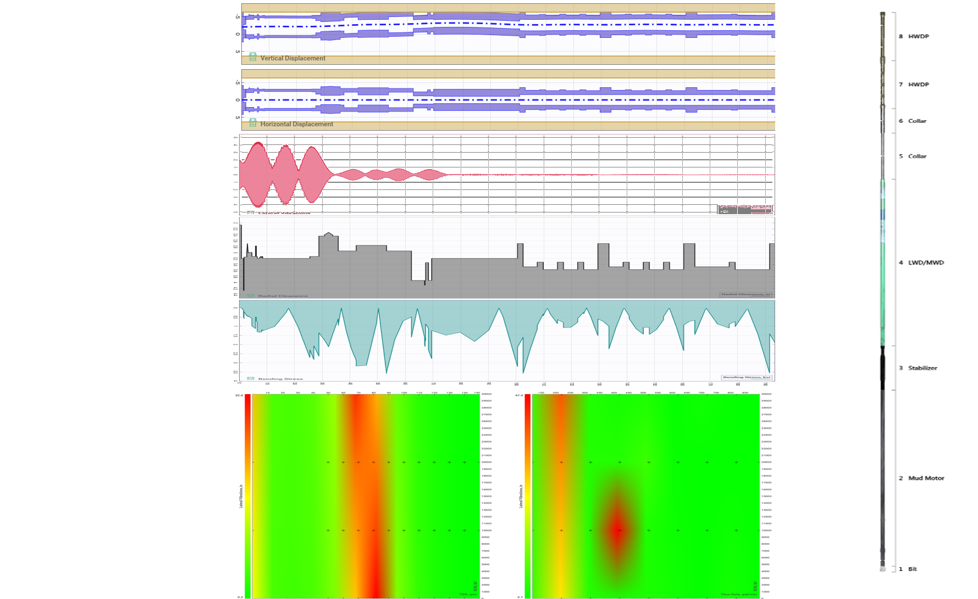
1.1.3.1.7ﾠ | OpenHole | 2015-05-12 14:00:00 | 2015-05-12 23:00:00
1.1.3.1.8ﾠ | OpenholeSection…n | 2015-05-12 14:00:00 | 2015-05-12 23:00:00
1.1.4ﾠ | Sequential Openhole sizes in planning openhole set, must have used a reamer | 2015-05-12 14:00:00 | 2015-05-12 23:00:00
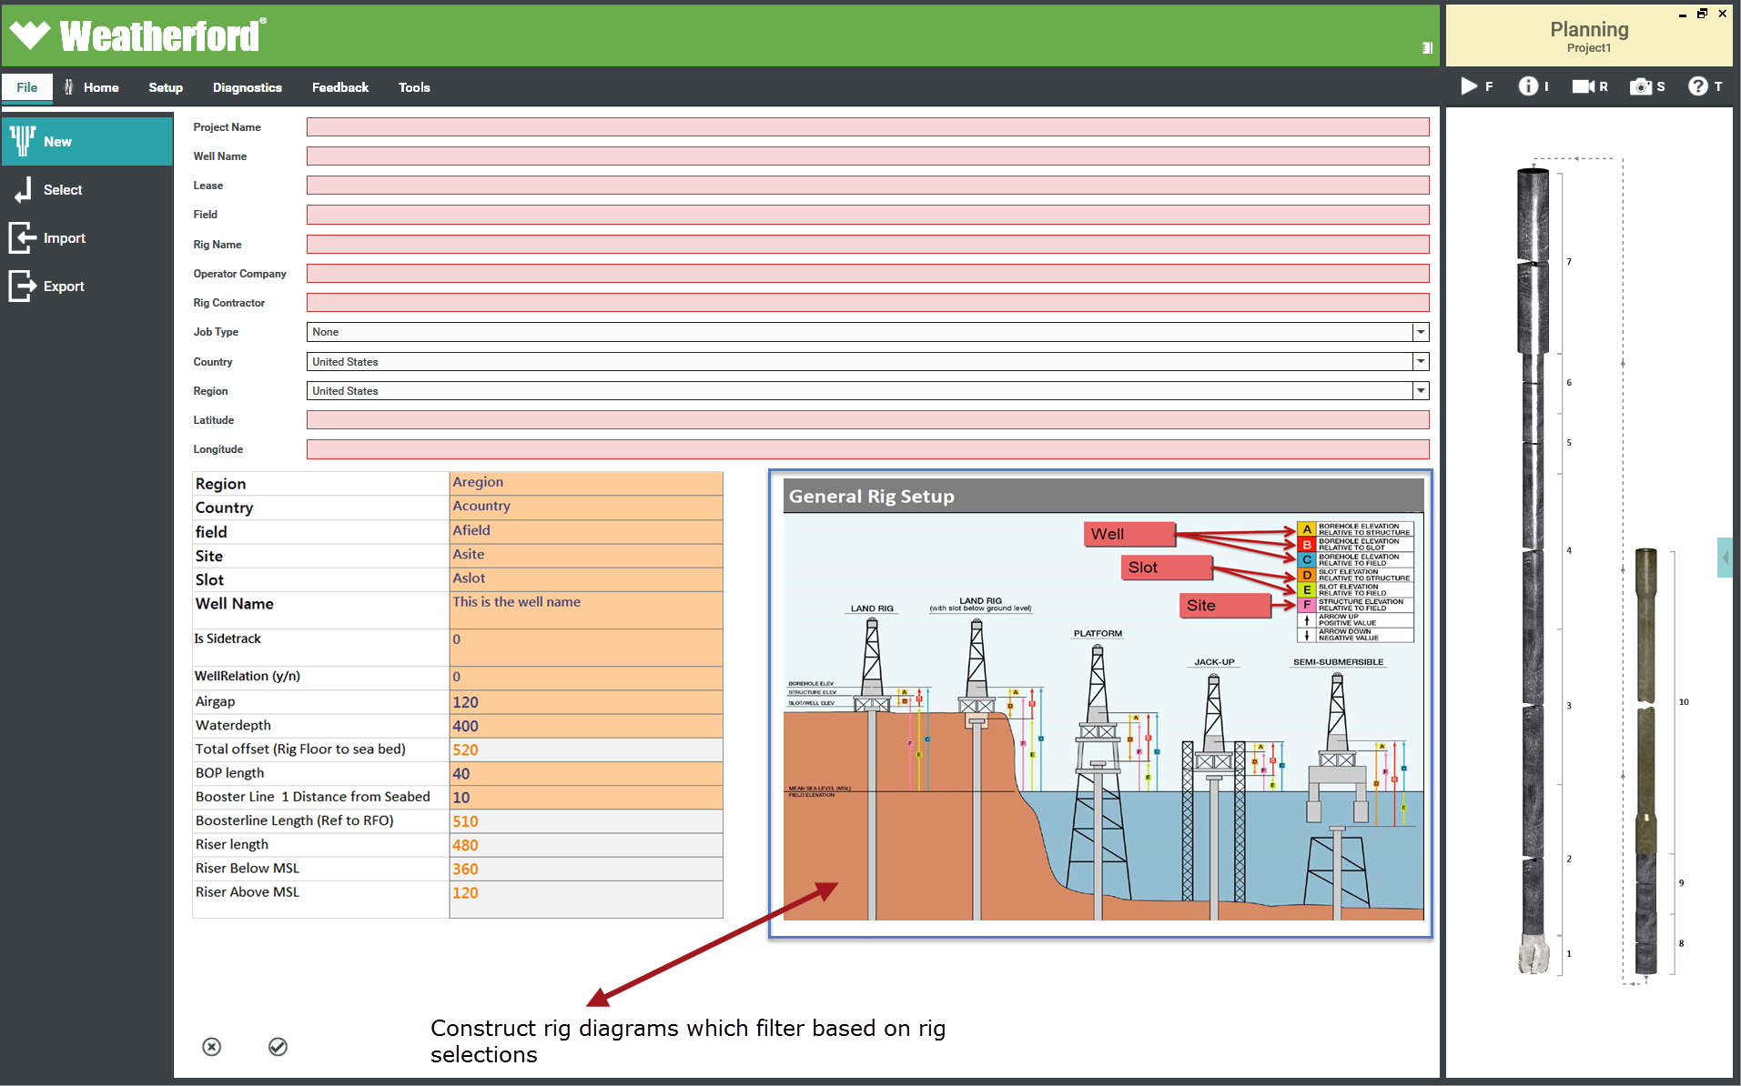
1.1.4.1ﾠ | A new open hole section MUST be of a smaller "hole Size" - Diameter than the previous casing section - exceptions are valid if a user is prompted to confirm that the open hole section will be bigger (reason - May be drilled with a hole opener or reamer - in this case validations will be adjusted for "true" BHA Tools" in BHA Builder | 2015-05-12 14:00:00 | 2015-05-12 23:00:00
1.1.4.2ﾠ | CasedHole | 2015-05-12 14:00:00 | 2015-05-12 23:00:00
1.1.4.2.1ﾠ | CasedHoleSections…n | 2015-05-12 14:00:00 | 2015-05-12 23:00:00
1.1.5ﾠ | Casing Must fit inside openhole | 2015-05-12 14:00:00 | 2015-05-12 23:00:00
1.1.5.1ﾠ | Openhole may be larger than previous casing/openhole interval - assumed to be drilled with an under reamer. | 2015-05-12 14:00:00 | 2015-05-12 23:00:00
1.1.5.1.1ﾠ | Within an interval multi size casing strings are permitted for sections drilled with a reamer | 2015-05-12 14:00:00 | 2015-05-12 23:00:00
1.1.5.1.1.1ﾠ | If under reamer and openhole is bigger than previous then the selection of Expandable liner or casing allows for the unexpanded string to be RIH (to td) | 2015-05-12 14:00:00 | 2015-05-12 23:00:00
1.1.5.1.2ﾠ | End depth of any casing/liner record shall not exceed the end depth of the associated openhole end depth and maybe less than the end depth of the associated open hole section | 2015-05-12 14:00:00 | 2015-05-12 23:00:00
1.1.5.1.2.1ﾠ | If open hole section is larger than ID of previous casing/liner section then the only true selections for associated casing in the subsequent record shall be of type expandable | 2015-05-12 14:00:00 | 2015-05-12 23:00:00
1.1.5.1.3ﾠ | A record in the interval section may be selected as type casing/liner/riser/BOP/expandable - Casing or liner | 2015-05-12 14:00:00 | 2015-05-12 23:00:00
1.1.5.1.4ﾠ | If Openhole then non-associated fields are greyed out and not avaliable for data entry. (See table) | 2015-05-12 14:00:00 | 2015-05-12 23:00:00
1.1.5.1.5ﾠ | Casing end depth =< Paired openhole section(s). | 2015-05-12 14:00:00 | 2015-05-12 23:00:00
1.1.5.2ﾠ | Selected open hole section = Active interval | 2015-05-12 14:00:00 | 2015-05-12 23:00:00
1.1.5.3ﾠ | Only one active openhole Set at one time | 2015-05-12 14:00:00 | 2015-05-12 23:00:00
1.1.5.4ﾠ | Riser Conductor BOP may or may not be present when drilling Openhole interval 1,2,3…n. Need to set to active inactive | 2015-05-12 14:00:00 | 2015-05-12 23:00:00
1.1.5.4.1ﾠ | Open hole section Correlates to formation properties on depth (MD may be mapped to TVD via survey listing) | 2015-05-12 14:00:00 | 2015-05-12 23:00:00
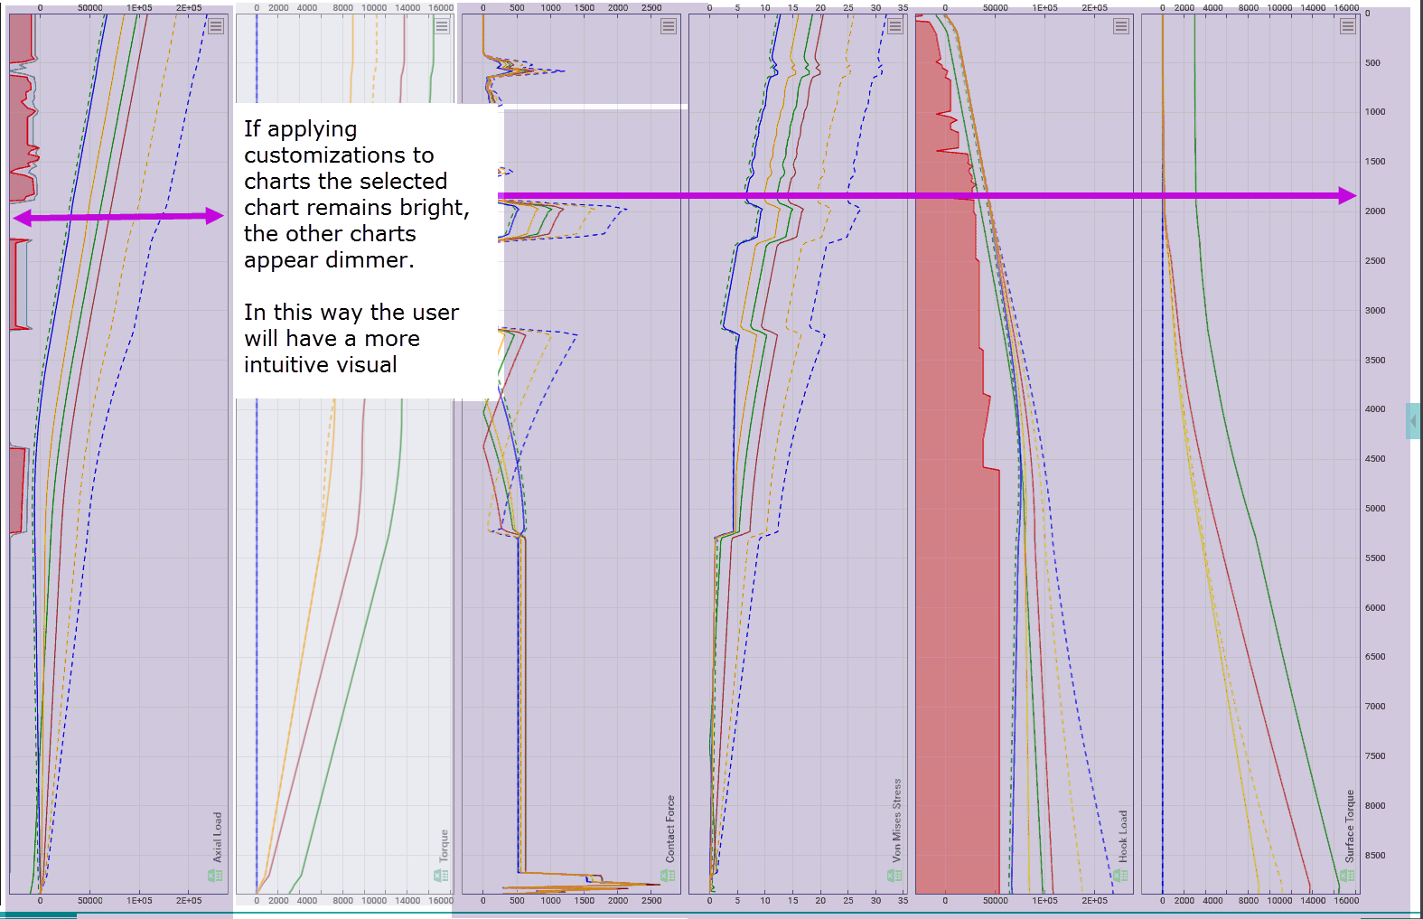
1.1.5.5ﾠ | UX UIOthers SandBox | 2015-05-12 14:00:00 | 2015-05-12 23:00:00
1.1.5.6ﾠ | While changing depth for an analysis the interface MUST explicitly inform user of any interval context change. |  | 2015-05-12 23:00:00
1.2ﾠ | Wellbore intervals are a child of a Plan and are coupled to it. Should a new plan be created the intervals are "Deep Copied" rather than linked to the new plan through an association table. | 2015-05-12 14:00:00 | 2015-05-12 23:00:00
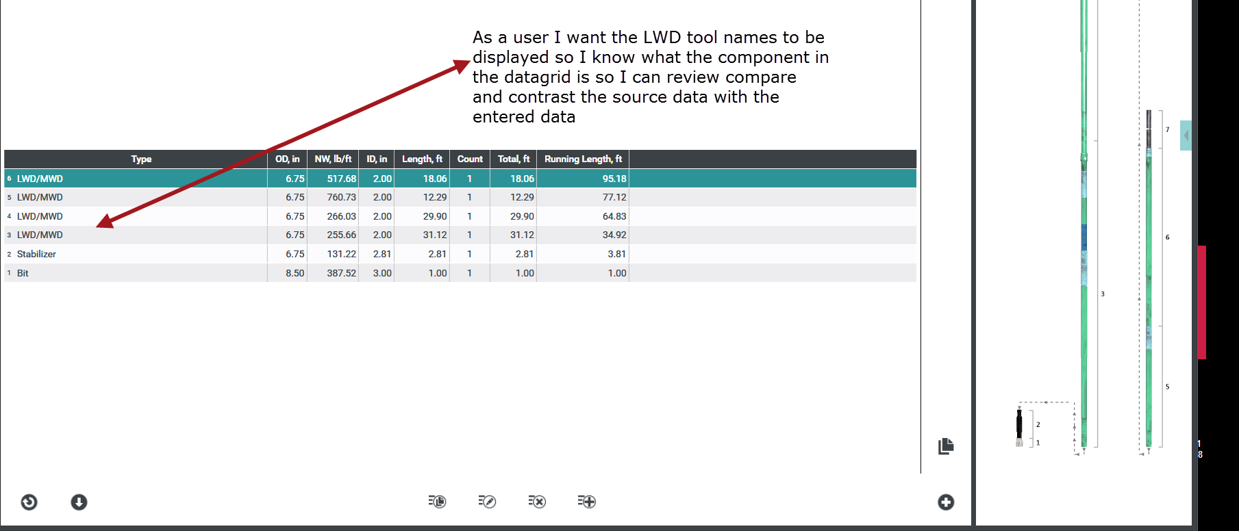
1.2.1ﾠ | In real time Openhole may be expressed as a curve or an array should realtime caliper or pseudo caliper data be available. This should be used to refine hole volumes etc. | 2015-05-12 14:00:00 | 2015-05-12 23:00:00
1.2.2ﾠ | GBU Specific Hierarchy | 2015-05-12 14:00:00 | 2015-05-12 23:00:00
1.2.3ﾠ | Product line X,Y,Z | 2015-05-12 14:00:00 | 2015-05-12 23:00:00
1.3ﾠ | PL Business and Reporting Hierarchy | 2015-05-12 14:00:00 | 2015-05-12 23:00:00
1.3.1ﾠ | PL Client table | 2015-05-12 14:00:00 | 2015-05-12 23:00:00
1.3.1.1ﾠ | Job Number | 2015-05-12 14:00:00 | 2015-05-12 23:00:00
1.3.1.2ﾠ | Offsets for sea bed to rig floor are derived from the rig information/Location information for datum reference | 2015-05-12 14:00:00 | 2015-05-12 23:00:00
1.3.1.3ﾠ | BHA | 2015-05-12 14:00:00 | 2015-05-12 23:00:00
2ﾠ | A BHA Must have a defined type | 2015-05-12 14:00:00 | 2015-05-12 23:00:00
3ﾠ | May be extracted from tool types in assembly on BHA save | 2015-05-12 14:00:00 | 2015-05-12 23:00:00
3.1ﾠ | Rotary | 2015-05-12 14:00:00 | 2015-05-12 23:00:00
3.1.1ﾠ | Motor | 2015-05-12 14:00:00 | 2015-05-12 23:00:00
3.1.1.1ﾠ | RSS | 2015-05-12 14:00:00 | 2015-05-12 23:00:00
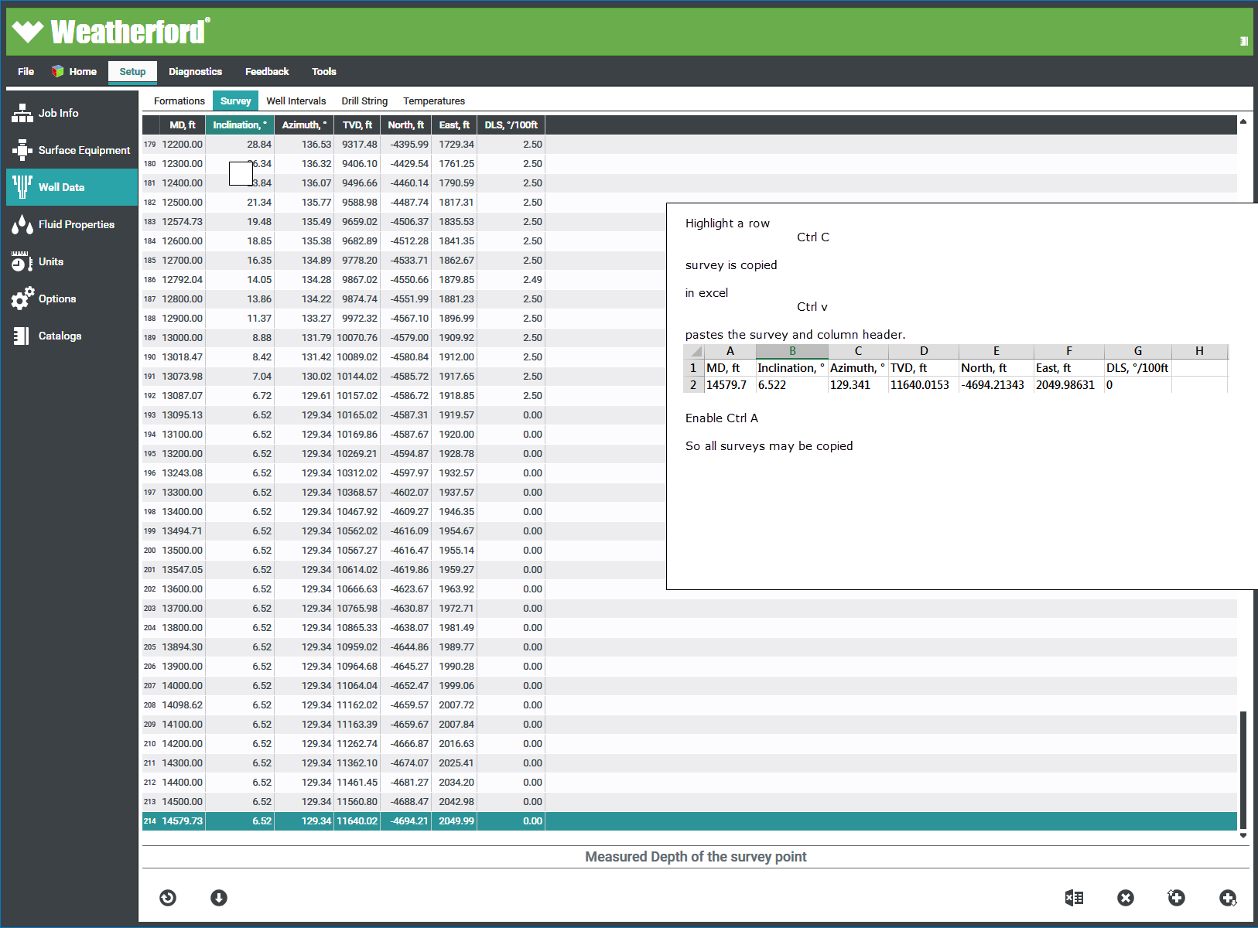
3.1.1.2ﾠ | Motorized RSS | 2015-05-12 14:00:00 | 2015-05-12 23:00:00
3.1.1.3ﾠ | A BHA may have a bit | 2015-05-12 14:00:00 | 2015-05-12 23:00:00
3.1.1.4ﾠ | A bit defines the hole size for which the BHA is intended | 2015-05-12 14:00:00 | 2015-05-12 23:00:00
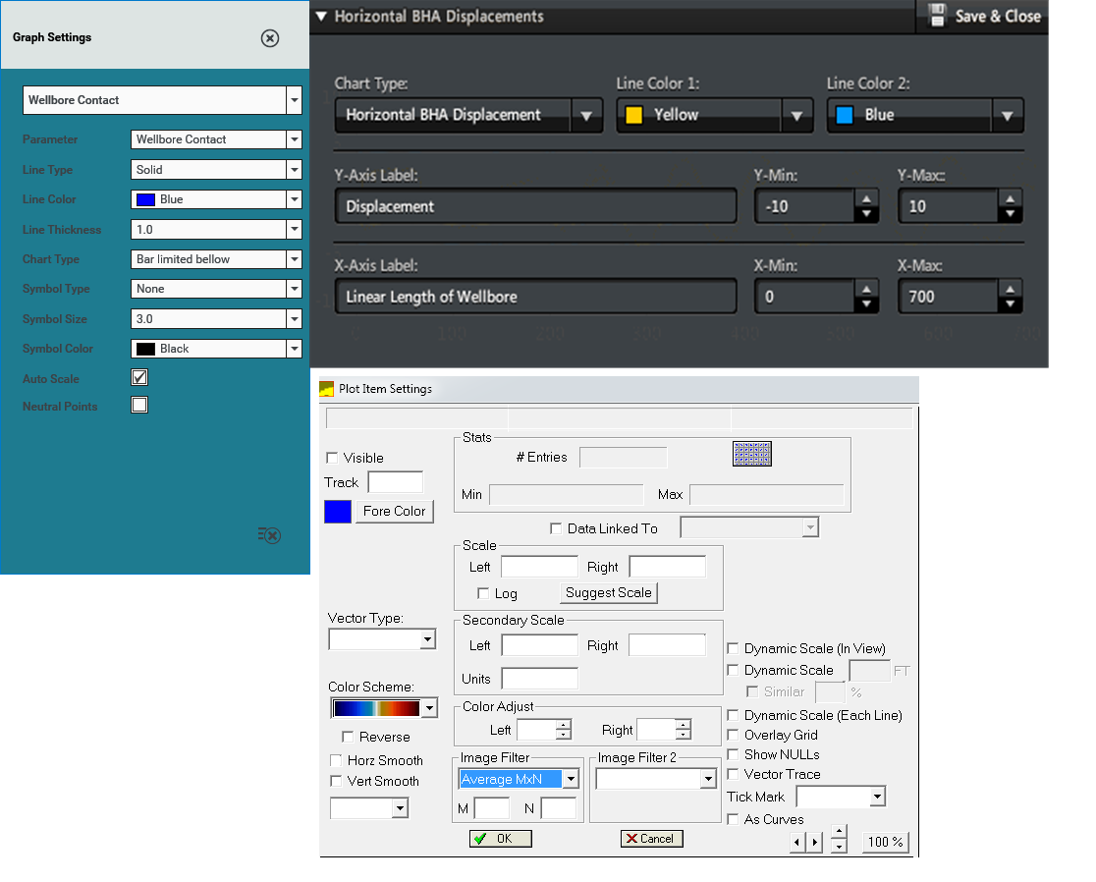
3.1.2ﾠ | A BHA with no hole enlargement tool my simple self validate against the Bit OD. | 2015-05-12 14:00:00 | 2015-05-12 23:00:00
3.1.2.1ﾠ | The OD of the bit and therefore other "Gauge" components must be adjusted for the required clearance on a solver by solver basis | 2015-05-12 14:00:00 | 2015-05-12 23:00:00
3.1.2.1.1ﾠ | A BHA may have "Bladed" Componentssuch as a stabilizer | 2015-05-12 14:00:00 | 2015-05-12 23:00:00
3.1.2.2ﾠ | A Bladed component may not be larger in diameter than the bit unless it is of a specific type (Hole openers/reamers etc) | 2015-05-12 14:00:00 | 2015-05-12 23:00:00
3.1.2.3ﾠ | The OD of the blades will be adjusted as required by each solver when analysis is run | 2015-05-12 14:00:00 | 2015-05-12 23:00:00
3.1.2.3.1ﾠ | If "is bit component 1"= false then not a Drilling BHA - Non Drilling BHA 's will be defined at a later date | 2015-05-12 14:00:00 | 2015-05-12 23:00:00
3.1.2.3.1.1ﾠ | A Drilling BHA must have a bit | 2015-05-12 14:00:00 | 2015-05-12 23:00:00
3.1.3ﾠ | A Drilling BHA must have a bit and may have a reamer | 2015-05-12 14:00:00 | 2015-05-12 23:00:00
3.2ﾠ | A BHA may have "Bladed" Components of type "Reamer" | 2015-05-12 14:00:00 | 2015-05-12 23:00:00
3.2.1ﾠ | The offset of the enlarged section of open hole shall be calculated as the distance from the face of the bit to the cutter block of the Reamer. | 2015-05-12 14:00:00 | 2015-05-12 23:00:00
3.2.1.1ﾠ | In the case of multi reamers in the string each shall have its own offset from bit calculated. | 2015-05-12 14:00:00 | 2015-05-12 23:00:00
3.2.2ﾠ | BHA Components have threads Thread Validation | 2015-05-12 14:00:00 | 2015-05-12 23:00:00
3.2.3ﾠ | Is thread gender the same - Yes throws and exception | 2015-05-12 14:00:00 | 2015-05-12 23:00:00
3.2.3.1ﾠ | Valid if no | 2015-05-12 14:00:00 | 2015-05-12 23:00:00
3.2.3.1.1ﾠ | Proceed to first level thread validation | 2015-05-12 14:00:00 | 2015-05-12 23:00:00
3.3ﾠ | Is thread type the same | 2015-05-12 14:00:00 | 2015-05-12 23:00:00
3.3.1ﾠ | If yes, connection is valid | 2015-05-12 14:00:00 | 2015-05-12 23:00:00
3.3.1.1ﾠ | If no proceed to thread interchange table | 2015-05-12 14:00:00 | 2015-05-12 23:00:00
3.3.2ﾠ | Is there an instance of of a thread type interchange | 2015-05-12 14:00:00 | 2015-05-12 23:00:00
3.3.3ﾠ | if yes then connection is valid | 2015-05-12 14:00:00 | 2015-05-12 23:00:00
3.3.3.1ﾠ | if no then warn user of the validation error, DO NOT prevent user from saving or proceeding in the application | 2015-05-12 14:00:00 | 2015-05-12 23:00:00
3.3.3.1.1ﾠ | Surveys | 2015-05-12 14:00:00 | 2015-05-12 23:00:00
3.3.3.1.2ﾠ | Detailed Set of Well Survey Attributes | 2015-05-12 14:00:00 | 2015-05-12 23:00:00
3.3.3.1.2.1ﾠ | Raw Survey Data | 2015-05-12 14:00:00 | 2015-05-12 23:00:00
3.4ﾠ | Date | 2015-05-12 14:00:00 | 2015-05-12 23:00:00
3.4.1ﾠ | Time | 2015-05-12 14:00:00 | 2015-05-12 23:00:00
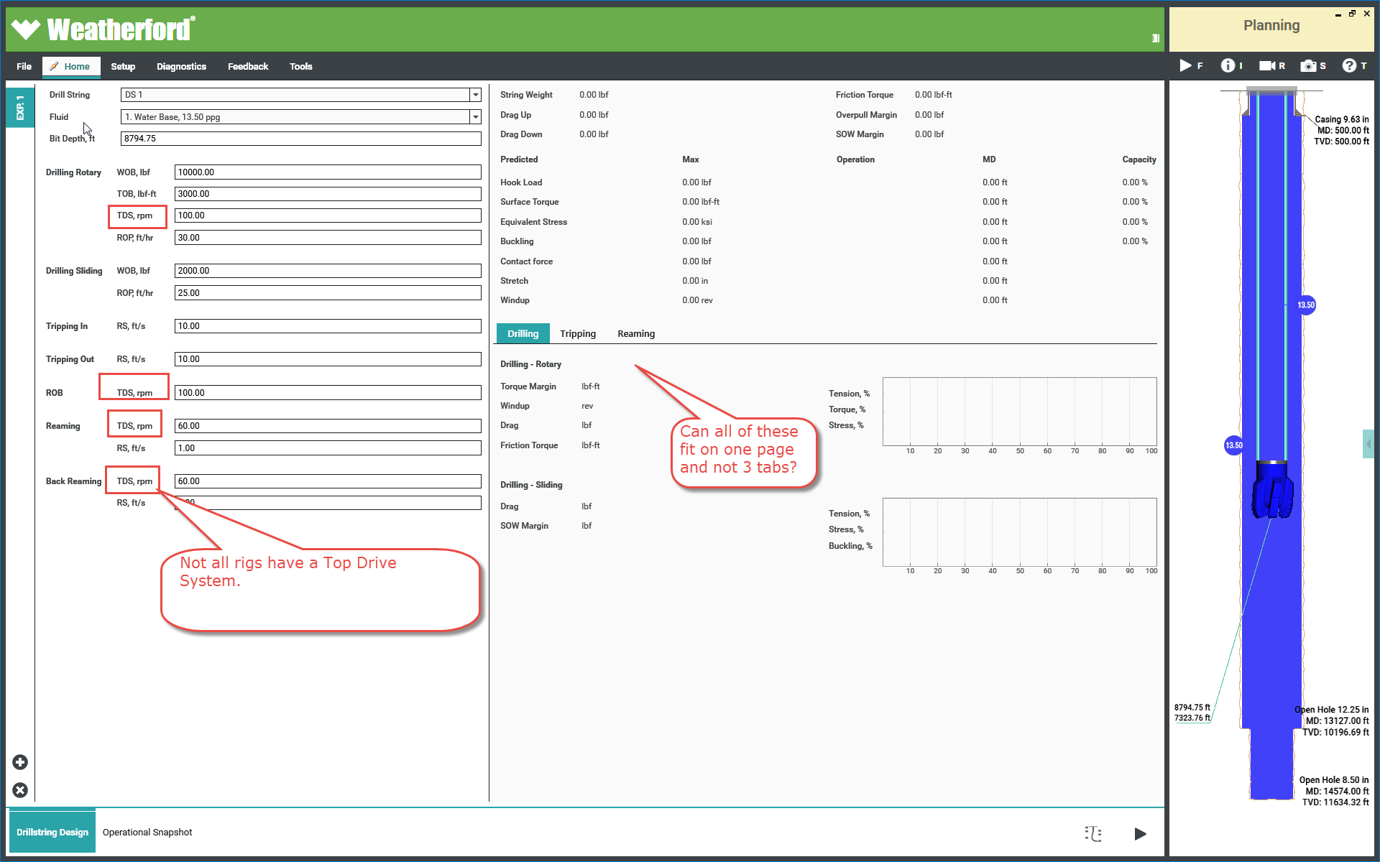
3.4.1.1ﾠ | Index | 2015-05-12 14:00:00 | 2015-05-12 23:00:00
3.4.1.1.1ﾠ | Md | 2015-05-12 14:00:00 | 2015-05-12 23:00:00
3.4.2ﾠ | Inc | 2015-05-12 14:00:00 | 2015-05-12 23:00:00
3.4.2.1ﾠ | Magnetic Azimuth | 2015-05-12 14:00:00 | 2015-05-12 23:00:00
3.4.2.2ﾠ | Gravity Toolface | 2015-05-12 14:00:00 | 2015-05-12 23:00:00
3.4.3ﾠ | Magnetic Toolface | 2015-05-12 14:00:00 | 2015-05-12 23:00:00
3.4.3.1ﾠ | Measured Btotal | 2015-05-12 14:00:00 | 2015-05-12 23:00:00
3.4.3.1.1ﾠ | Measured Dip | 2015-05-12 14:00:00 | 2015-05-12 23:00:00
4ﾠ | Measured Gtotal | 2015-05-12 14:00:00 | 2015-05-12 23:00:00
4.1ﾠ | Gx - accel X | 2015-05-12 14:00:00 | 2015-05-12 23:00:00
4.1.1ﾠ | Gy - accel Y | 2015-05-12 14:00:00 | 2015-05-12 23:00:00
4.1.1.1ﾠ | Gz - accel Z | 2015-05-12 14:00:00 | 2015-05-12 23:00:00
4.1.1.2ﾠ | Bx -mag X | 2015-05-12 14:00:00 | 2015-05-12 23:00:00
4.1.1.3ﾠ | By - mag Y | 2015-05-12 14:00:00 | 2015-05-12 23:00:00
4.1.1.4ﾠ | Bz - mag Z | 2015-05-12 14:00:00 | 2015-05-12 23:00:00
4.1.1.5ﾠ | Setup Data | 2015-05-12 14:00:00 | 2015-05-12 23:00:00
4.1.1.6ﾠ | MWD Sensor Type | 2015-05-12 14:00:00 | 2015-05-12 23:00:00
4.1.1.7ﾠ | MWD Sensor ID | 2015-05-12 14:00:00 | 2015-05-12 23:00:00
4.1.1.8ﾠ | Tool Type Gyro/MWD | 2015-05-12 14:00:00 | 2015-05-12 23:00:00
4.1.1.9ﾠ | Calculated Values | 2015-05-12 14:00:00 | 2015-05-12 23:00:00
4.1.1.10ﾠ | Grid Azimuth | 2015-05-12 14:00:00 | 2015-05-12 23:00:00
4.1.1.11ﾠ | True Azimuth | 2015-05-12 14:00:00 | 2015-05-12 23:00:00
4.1.1.12ﾠ | Sag Correction | 2015-05-12 14:00:00 | 2015-05-12 23:00:00
4.1.1.13ﾠ | Sag Corrected Inclination | 2015-05-12 14:00:00 | 2015-05-12 23:00:00
4.1.1.14ﾠ | Short Collar Bz Correction | 2015-05-12 14:00:00 | 2015-05-12 23:00:00
4.1.1.15ﾠ | Short Collar Corrected Bz | 2015-05-12 14:00:00 | 2015-05-12 23:00:00
4.1.1.16ﾠ | SC Mag Az | 2015-05-12 14:00:00 | 2015-05-12 23:00:00
4.1.1.17ﾠ | SC True Az | 2015-05-12 14:00:00 | 2015-05-12 23:00:00
4.1.2ﾠ | SC Grid Az | 2015-05-12 14:00:00 | 2015-05-12 23:00:00
4.1.2.1ﾠ | MSA Bx Bias | 2015-05-12 14:00:00 | 2015-05-12 23:00:00
4.1.2.2ﾠ | MSA By Bias | 2015-05-12 14:00:00 | 2015-05-12 23:00:00
4.1.2.3ﾠ | MSA Bz Bias | 2015-05-12 14:00:00 | 2015-05-12 23:00:00
4.1.3ﾠ | MSA Bx Scalefactor | 2015-05-12 14:00:00 | 2015-05-12 23:00:00
4.1.3.1ﾠ | MSA By Scalefactor | 2015-05-12 14:00:00 | 2015-05-12 23:00:00
4.1.3.2ﾠ | MSA Bz Scalefactor | 2015-05-12 14:00:00 | 2015-05-12 23:00:00
4.1.3.3ﾠ | MSA Gx Bias | 2015-05-12 14:00:00 | 2015-05-12 23:00:00
4.1.3.4ﾠ | MSA Gy Bias | 2015-05-12 14:00:00 | 2015-05-12 23:00:00
4.1.3.5ﾠ | MSA Gz Bias | 2015-05-12 14:00:00 | 2015-05-12 23:00:00
4.1.3.6ﾠ | MSA Gx Scalefactor | 2015-05-12 14:00:00 | 2015-05-12 23:00:00
4.1.3.7ﾠ | MSA Gy Scalefactor | 2015-05-12 14:00:00 | 2015-05-12 23:00:00
4.1.3.8ﾠ | MSA Gz Scalefactor | 2015-05-12 14:00:00 | 2015-05-12 23:00:00
4.1.3.9ﾠ | MSA Corrected Gx - accel X | 2015-05-12 14:00:00 | 2015-05-12 23:00:00
4.1.3.10ﾠ | MSA Corrected Gy - accel Y | 2015-05-12 14:00:00 | 2015-05-12 23:00:00
4.1.3.11ﾠ | MSA Corrected Gz - accel Z | 2015-05-12 14:00:00 | 2015-05-12 23:00:00
4.1.3.12ﾠ | MSA Corrected Bx -mag X | 2015-05-12 14:00:00 | 2015-05-12 23:00:00
4.1.3.13ﾠ | MSA Corrected By - mag Y | 2015-05-12 14:00:00 | 2015-05-12 23:00:00
4.1.3.14ﾠ | MSA Corrected Bz - mag Z | 2015-05-12 14:00:00 | 2015-05-12 23:00:00
4.1.3.15ﾠ | MSA Corrected MagAz | 2015-05-12 14:00:00 | 2015-05-12 23:00:00
4.1.3.16ﾠ | MSA Corrected Inc | 2015-05-12 14:00:00 | 2015-05-12 23:00:00
4.1.3.17ﾠ | MSA Corrected Tf | 2015-05-12 14:00:00 | 2015-05-12 23:00:00
4.1.3.18ﾠ | MSA Corrected Grid Az | 2015-05-12 14:00:00 | 2015-05-12 23:00:00
4.1.3.19ﾠ | MSA Corrected True Az | 2015-05-12 14:00:00 | 2015-05-12 23:00:00
4.1.3.20ﾠ | Depth Stretch Correction | 2015-05-12 14:00:00 | 2015-05-12 23:00:00
4.1.3.21ﾠ | Md Stretch Corrected | 2015-05-12 14:00:00 | 2015-05-12 23:00:00
4.1.3.22ﾠ | Best Estimate Md | 2015-05-12 14:00:00 | 2015-05-12 23:00:00
4.1.3.23ﾠ | Best Estimate Inc | 2015-05-12 14:00:00 | 2015-05-12 23:00:00
4.1.3.24ﾠ | Best Estimate Mag Az | 2015-05-12 14:00:00 | 2015-05-12 23:00:00
4.1.3.25ﾠ | Best Estimate Grid Az | 2015-05-12 14:00:00 | 2015-05-12 23:00:00
4.1.3.26ﾠ | Best Estimate True Az | 2015-05-12 14:00:00 | 2015-05-12 23:00:00
4.1.3.27ﾠ | Best Estimate Gravity Toolface | 2015-05-12 14:00:00 | 2015-05-12 23:00:00
4.1.3.28ﾠ | Best Estimate Magnetic Toolface | 2015-05-12 14:00:00 | 2015-05-12 23:00:00
4.1.3.29ﾠ | Well Position | 2015-05-12 14:00:00 | 2015-05-12 23:00:00
4.1.3.30ﾠ | Easting | 2015-05-12 14:00:00 | 2015-05-12 23:00:00
4.1.3.31ﾠ | Northing | 2015-05-12 14:00:00 | 2015-05-12 23:00:00
4.1.3.32ﾠ | TVD | 2015-05-12 14:00:00 | 2015-05-12 23:00:00
4.1.3.33ﾠ | SC Corrected Easting | 2015-05-12 14:00:00 | 2015-05-12 23:00:00
4.1.3.34ﾠ | SC Corrected Northing | 2015-05-12 14:00:00 | 2015-05-12 23:00:00
4.1.3.35ﾠ | MSA Corrected Easting | 2015-05-12 14:00:00 | 2015-05-12 23:00:00
4.1.3.36ﾠ | MSA Corrected Northing | 2015-05-12 14:00:00 | 2015-05-12 23:00:00
4.1.3.37ﾠ | MSA Corrected TVD | 2015-05-12 14:00:00 | 2015-05-12 23:00:00
4.1.3.38ﾠ | Sag Corrected TVD | 2015-05-12 14:00:00 | 2015-05-12 23:00:00
4.1.3.39ﾠ | Stretch Corrected TVD | 2015-05-12 14:00:00 | 2015-05-12 23:00:00
4.1.3.40ﾠ | Best Estimate Easting | 2015-05-12 14:00:00 | 2015-05-12 23:00:00
4.1.3.41ﾠ | Best Estimate Northing | 2015-05-12 14:00:00 | 2015-05-12 23:00:00
4.1.4ﾠ | Best Estimate TVD | 2015-05-12 14:00:00 | 2015-05-12 23:00:00
4.1.4.1ﾠ | Reference ValuQC Resultses | 2015-05-12 14:00:00 | 2015-05-12 23:00:00
4.1.4.2ﾠ | For Whole Well | 2015-05-12 14:00:00 | 2015-05-12 23:00:00
4.1.4.3ﾠ | Mag Model Reference Magnetic Field | 2015-05-12 14:00:00 | 2015-05-12 23:00:00
4.1.4.4ﾠ | Mag Model Reference Magnetic Dip | 2015-05-12 14:00:00 | 2015-05-12 23:00:00
4.1.4.5ﾠ | Mag Model Reference Magnetic Dec | 2015-05-12 14:00:00 | 2015-05-12 23:00:00
4.1.4.6ﾠ | Convergence Angle | 2015-05-12 14:00:00 | 2015-05-12 23:00:00
4.1.4.7ﾠ | Azimuth Reference System In Use | 2015-05-12 14:00:00 | 2015-05-12 23:00:00
4.1.4.8ﾠ | Total Azimuth Correction | 2015-05-12 14:00:00 | 2015-05-12 23:00:00
4.1.4.9ﾠ | MWD Tool B-G Misalignment | 2015-05-12 14:00:00 | 2015-05-12 23:00:00
4.1.4.10ﾠ | GTotal Reference Value | 2015-05-12 14:00:00 | 2015-05-12 23:00:00
4.1.4.11ﾠ | Tie-on Data | 2015-05-12 14:00:00 | 2015-05-12 23:00:00
4.1.4.12ﾠ | Slot Data | 2015-05-12 14:00:00 | 2015-05-12 23:00:00
4.1.4.13ﾠ | TVD | 2015-05-12 14:00:00 | 2015-05-12 23:00:00
4.1.5ﾠ | Tie-on Easting | 2015-05-12 14:00:00 | 2015-05-12 23:00:00
4.1.5.1ﾠ | Tie-on Northing | 2015-05-12 14:00:00 | 2015-05-12 23:00:00
4.1.5.1.1ﾠ | Tie-on TVD | 2015-05-12 14:00:00 | 2015-05-12 23:00:00
4.1.5.1.2ﾠ | Tie-on Inc | 2015-05-12 14:00:00 | 2015-05-12 23:00:00
4.1.5.1.3ﾠ | Tie-on Az | 2015-05-12 14:00:00 | 2015-05-12 23:00:00
4.1.5.1.4ﾠ | By Survey Station | 2015-05-12 14:00:00 | 2015-05-12 23:00:00
4.1.5.1.5ﾠ | IFR Crustal Correction Field | 2015-05-12 14:00:00 | 2015-05-12 23:00:00
4.1.5.1.6ﾠ | IFR Crustal Correction Dip | 2015-05-12 14:00:00 | 2015-05-12 23:00:00
4.1.5.1.7ﾠ | IFR Crustal Correction Dec | 2015-05-12 14:00:00 | 2015-05-12 23:00:00
4.1.5.1.8ﾠ | Field Monitor Station Correction Mag Field | 2015-05-12 14:00:00 | 2015-05-12 23:00:00
4.1.5.1.9ﾠ | Field Monitor Station Correction Mag Dip | 2015-05-12 14:00:00 | 2015-05-12 23:00:00
4.1.5.2ﾠ | Field Monitor Station Correction Mag Dec | 2015-05-12 14:00:00 | 2015-05-12 23:00:00
4.1.5.2.1ﾠ | Best Reference Magnetic Field | 2015-05-12 14:00:00 | 2015-05-12 23:00:00
4.1.5.2.2ﾠ | Best Reference Magnetic Dip | 2015-05-12 14:00:00 | 2015-05-12 23:00:00
4.1.5.2.3ﾠ | Best Reference Magnetic Dec | 2015-05-12 14:00:00 | 2015-05-12 23:00:00
4.1.5.3ﾠ | QC Results | 2015-05-12 14:00:00 | 2015-05-12 23:00:00
4.1.5.3.1ﾠ | GTotal Check Pass/Fail | 2015-05-12 14:00:00 | 2015-05-12 23:00:00
4.1.5.3.2ﾠ | BTotal Check Pass/Fail | 2015-05-12 14:00:00 | 2015-05-12 23:00:00
4.1.5.3.3ﾠ | Dip Check Pass/Fail | 2015-05-12 14:00:00 | 2015-05-12 23:00:00
4.1.5.3.4ﾠ | Raw Survey Pass/Fail | 2015-05-12 14:00:00 | 2015-05-12 23:00:00
4.1.5.3.5ﾠ | MSA Survey Used/Not Used in Calculation | 2015-05-12 14:00:00 | 2015-05-12 23:00:00
4.1.5.4ﾠ | Field Monitor Station Data Pass\Fail | 2015-05-12 14:00:00 | 2015-05-12 23:00:00
4.1.5.4.1ﾠ | MSA Applied/Not Applied | 2015-05-12 14:00:00 | 2015-05-12 23:00:00
4.1.5.4.2ﾠ | SAG Applied/Not Applied | 2015-05-12 14:00:00 | 2015-05-12 23:00:00
4.1.5.4.3ﾠ | SC Applied/Not Applied | 2015-05-12 14:00:00 | 2015-05-12 23:00:00
4.1.5.4.4ﾠ | Stretch Correction Applied/Not Applied | 2015-05-12 14:00:00 | 2015-05-12 23:00:00
4.1.5.4.5ﾠ | Survey Correction Audit Data | 2015-05-12 14:00:00 | 2015-05-12 23:00:00
4.1.5.4.6ﾠ | IFR Data Filename | 2015-05-12 14:00:00 | 2015-05-12 23:00:00
4.1.5.4.7ﾠ | Sag Correction BHA Design Reference | 2015-05-12 14:00:00 | 2015-05-12 23:00:00
4.1.5.4.8ﾠ | MWD Control Software Version Number | 2015-05-12 14:00:00 | 2015-05-12 23:00:00
4.1.5.4.9ﾠ | Sag Algorithm Version Number | 2015-05-12 14:00:00 | 2015-05-12 23:00:00
4.1.5.5ﾠ | MSA Algorithm Version Number | 2015-05-12 14:00:00 | 2015-05-12 23:00:00
4.1.5.5.1ﾠ | IFR Algorithm Version Number | 2015-05-12 14:00:00 | 2015-05-12 23:00:00
4.1.5.5.2ﾠ | Stretch Correction Algorithm Version Number | 2015-05-12 14:00:00 | 2015-05-12 23:00:00
4.1.5.5.3ﾠ | SC Correction Algorithm Version Number | 2015-05-12 14:00:00 | 2015-05-12 23:00:00
4.1.5.5.4ﾠ | Magnetic Model Name | 2015-05-12 14:00:00 | 2015-05-12 23:00:00
4.1.5.5.5ﾠ | Magnetic Model Version Number | 2015-05-12 14:00:00 | 2015-05-12 23:00:00
4.1.5.5.6ﾠ | Geospatial Well Relationship for Data Clustering - Pre planning and Post Archiving | 2015-05-12 14:00:00 | 2015-05-12 23:00:00
4.1.5.5.7ﾠ | Region | 2015-05-12 14:00:00 | 2015-05-12 23:00:00
4.1.5.5.8ﾠ | Country | 2015-05-12 14:00:00 | 2015-05-12 23:00:00
4.1.5.5.9ﾠ | Block | 2015-05-12 14:00:00 | 2015-05-12 23:00:00
4.1.5.5.10ﾠ | Field | 2015-05-12 14:00:00 | 2015-05-12 23:00:00
4.1.5.6ﾠ | Site | 2015-05-12 14:00:00 | 2015-05-12 23:00:00
4.1.5.6.1ﾠ | Slot | 2015-05-12 14:00:00 | 2015-05-12 23:00:00
4.1.5.6.2ﾠ | Well | 2015-05-12 14:00:00 | 2015-05-12 23:00:00
4.1.5.6.3ﾠ | Formation | 2015-05-12 14:00:00 | 2015-05-12 23:00:00
4.1.5.6.4ﾠ | Trajectory | 2015-05-12 14:00:00 | 2015-05-12 23:00:00
4.1.5.6.5ﾠ | Plan.....n | 2015-05-12 14:00:00 | 2015-05-12 23:00:00
4.1.5.6.6ﾠ | Plan_Interval | 2015-05-12 14:00:00 | 2015-05-12 23:00:00
4.1.5.6.7ﾠ | Plan_Run | 2015-05-12 14:00:00 | 2015-05-12 23:00:00
4.1.5.6.8ﾠ | Plan_Scenario.....n | 2015-05-12 14:00:00 | 2015-05-12 23:00:00
4.1.5.6.9ﾠ | Plan_Analysis Type......n | 2015-05-12 14:00:00 | 2015-05-12 23:00:00
4.1.5.6.10ﾠ | Plan_Analysis Sub Type....n | 2015-05-12 14:00:00 | 2015-05-12 23:00:00
5ﾠ | Plan_Analysis_Sub Type Solver | 2015-05-12 14:00:00 | 2015-05-12 23:00:00
5.1ﾠ | Plan_BHA Assemblies | 2015-05-12 14:00:00 | 2015-05-12 23:00:00
5.1.1ﾠ | Plan_Fluids | 2015-05-12 14:00:00 | 2015-05-12 23:00:00
5.1.1.1ﾠ | Drilled Formation | 2015-05-12 14:00:00 | 2015-05-12 23:00:00
5.1.1.1.1ﾠ | Drilled - Used at wellsite or offsite during operations | 2015-05-12 14:00:00 | 2015-05-12 23:00:00
5.1.1.1.1.1ﾠ | Drilled Trajectory/Definitive Path | 2015-05-12 14:00:00 | 2015-05-12 23:00:00
5.1.1.1.1.1.1ﾠ | Drilled Interval | 2015-05-12 14:00:00 | 2015-05-12 23:00:00
5.1.1.1.1.1.1.1ﾠ | Drilled Run | 2015-05-12 14:00:00 | 2015-05-12 23:00:00
5.1.1.1.1.1.1.1.1ﾠ | Drilled Analysis | 2015-05-12 14:00:00 | 2015-05-12 23:00:00
5.1.1.1.1.1.1.1.1.1ﾠ | On_Demand_Scenario | 2015-05-12 14:00:00 | 2015-05-12 23:00:00
5.1.1.1.1.1.1.1.1.1.1ﾠ | On_Demand_Analysis Type......n | 2015-05-12 14:00:00 | 2015-05-12 23:00:00
5.1.1.1.1.1.1.1.1.1.1.1ﾠ | On_Demand_Analysis Sub Type....n | 2015-05-12 14:00:00 | 2015-05-12 23:00:00
5.1.1.1.1.1.1.1.1.1.1.1.1ﾠ | Realtime Data Feed/Curves | 2015-05-12 14:00:00 | 2015-05-12 23:00:00
5.1.1.1.1.1.1.1.1.1.1.1.1.1ﾠ | Time_Base_Curve X,Y,Z | 2015-05-12 14:00:00 | 2015-05-12 23:00:00
5.1.1.1.1.1.1.1.1.1.1.1.1.1.1ﾠ | Depth_Based_Curve X,Y,Z | 2015-05-12 14:00:00 | 2015-05-12 23:00:00
5.1.1.1.1.1.1.1.1.1.1.1.1.1.1.1ﾠ | Drilled Fluids | 2015-05-12 14:00:00 | 2015-05-12 23:00:00
5.1.1.1.1.1.1.1.1.1.1.1.1.1.1.1.1ﾠ | Fluid x,y,z | 2015-05-12 14:00:00 | 2015-05-12 23:00:00
5.1.1.1.1.1.1.1.1.1.1.1.1.1.1.1.1.1ﾠ | Drilled Run Assembly | 2015-05-12 14:00:00 | 2015-05-12 23:00:00
5.1.1.1.1.1.1.1.1.1.1.1.1.1.2ﾠ | Drilled Run "What if" Assemblies | 2015-05-12 14:00:00 | 2015-05-12 23:00:00
5.1.1.1.1.1.1.1.1.1.1.1.1.1.3ﾠ | RunSurvey | 2015-05-12 14:00:00 | 2015-05-12 23:00:00
5.1.1.1.1.1.1.1.1.2ﾠ | Project ahead Surveys....n | 2015-05-12 14:00:00 | 2015-05-12 23:00:00
5.1.1.1.1.1.1.1.1.2.1ﾠ | Project ahead Analysis | 2015-05-12 14:00:00 | 2015-05-12 23:00:00
5.1.1.1.1.1.1.1.1.2.1.1ﾠ | Project ahead Scenario | 2015-05-12 14:00:00 | 2015-05-12 23:00:00
5.1.1.1.1.1.1.1.1.2.1.1.1ﾠ | Project ahead Analysis Type......n | 2015-05-12 14:00:00 | 2015-05-12 23:00:00
5.1.1.1.1.1.1.1.1.2.1.1.1.1ﾠ | Project ahead Analysis Sub Type....n | 2015-05-12 14:00:00 | 2015-05-12 23:00:00
5.1.1.1.1.1.1.1.1.2.1.1.1.1.1ﾠ | Current BHA | 2015-05-12 14:00:00 | 2015-05-12 23:00:00
5.1.1.1.1.1.1.1.1.2.1.1.1.1.1.1ﾠ | "What if" BHA's | 2015-05-12 14:00:00 | 2015-05-12 23:00:00
5.1.1.1.1.1.1.1.1.2.1.1.1.1.1.1.1ﾠ | Current Fluid | 2015-05-12 14:00:00 | 2015-05-12 23:00:00
5.1.1.1.1.1.1.1.1.2.1.1.1.1.1.1.1.1ﾠ | "What if" Fluids | 2015-05-12 14:00:00 | 2015-05-12 23:00:00
Weatherford International Ltd.
Birse, Scott

Field Planning PC oilplan
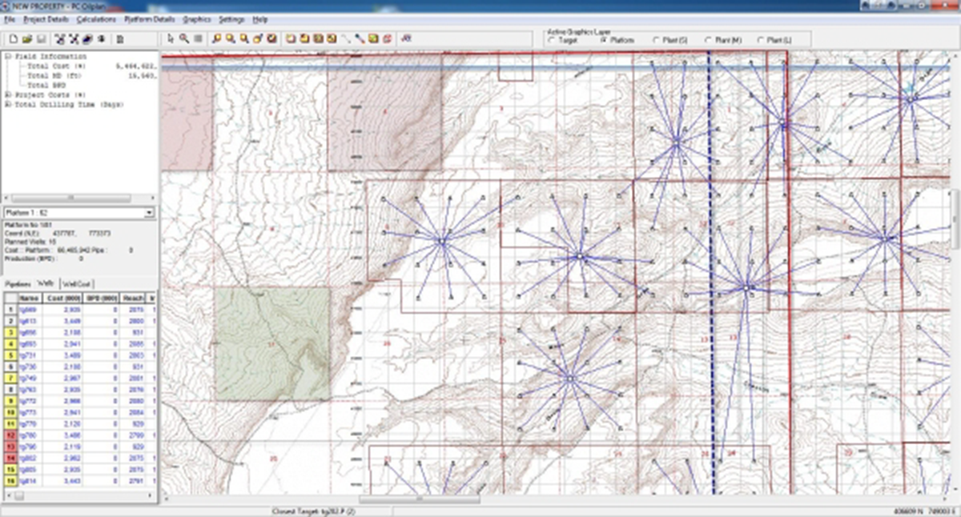
Back to Index

Supporting Mind Maps
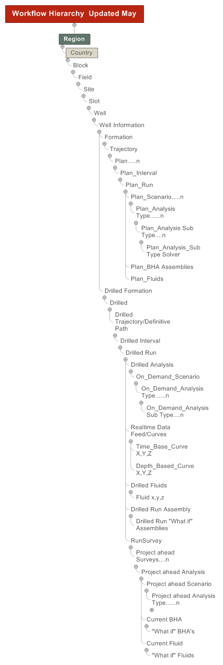
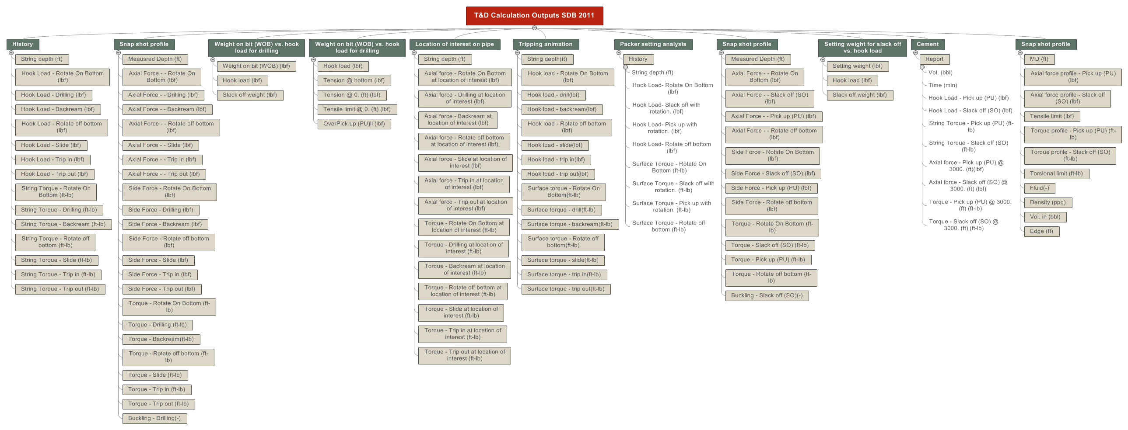
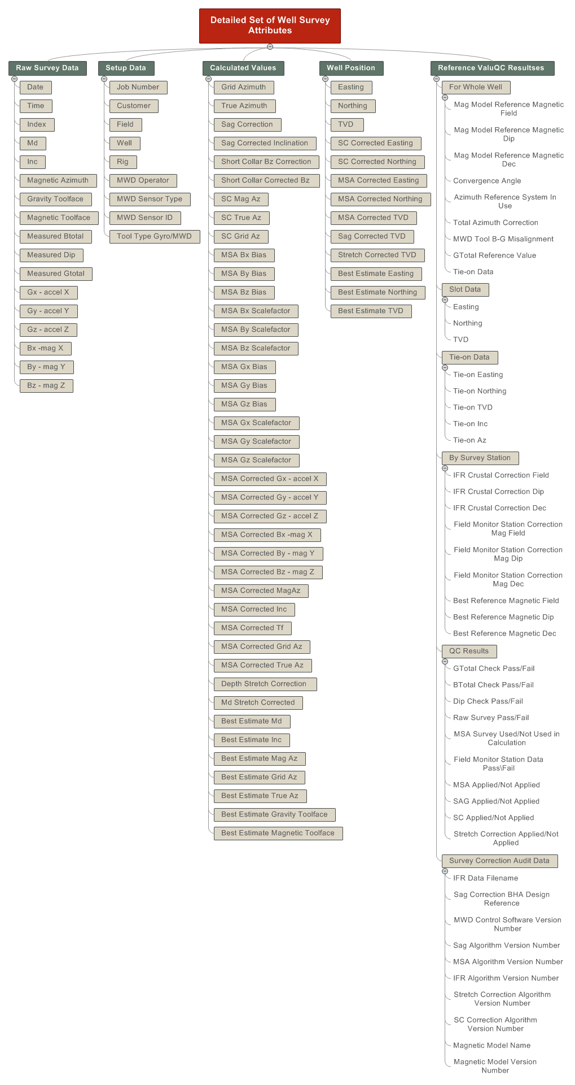
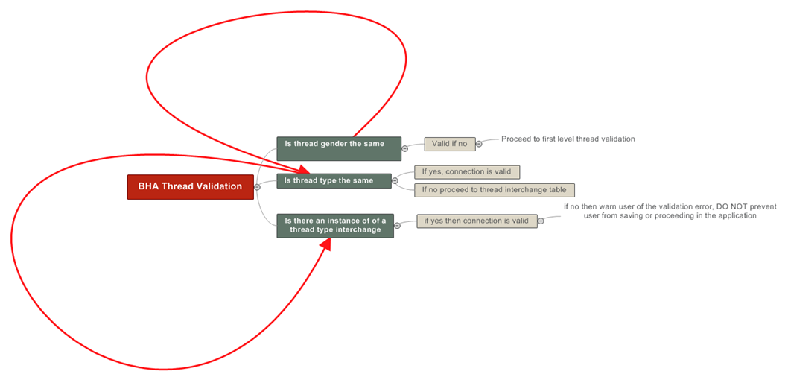
Back to Index

Parameter sheet

Back to Index |  |  |  | This wwas constructed in 2007 for North sea and is still used
 |  |  |  |  |  |  | Company |  |  |  |  |  |  |  |  |  | Motor Size |  |  |  |  |  |  |  |  |  |  | D.Drillers |  |  | D.Drillers
 |  |  |  |  |  |  | Field |  |  |  |  |  |  |  |  |  | Toolface offset
 |  |  |  |  |  |  | Well |  |  |  |  |  |  |  |  |  | Stab size |  |  |  |  |  |  |  |  |  |  | Date/Time in
 |  |  |  |  |  |  | Rig |  |  |  |  |  |  |  |  |  | Rev/Gal |  |  |  |  |  |  |  |  |  |  | Date/Time out
 |  |  |  |  |  |  | Hole Size |  |  |  |  |  |  |  |  |  | Gal/Str
 |  |  |  |  |  |  | Shoe Depth |  |  |  |  |  |  |  |  |  | Bit to Sensor

ROTARY AND SLIDING PERFORMANCE |  |  |  |  |  |  |  |  |  |  | PARAMETERS |  |  |  |  |  |  |  |  |  |  |  |  |  | SURVEY DATA |  |  |  |  |  | WEIGHT |  |  | DRAG |  | Comments, Formation Depths, Operational Comments etc
DATE | BHA | FROM | TO | CL | Start | End | Total | ROP | MODE | WOB | WOB | Effective | RPM | Torque | Drl Torque | Drl Torque | React | Flow | Pressure | Pressure | Pressure | Formation tops | Formation tops | Formation tops | INPUT | INPUT | INPUT | RESULTS | RESULTS | RESULTS | READINGS | READINGS | READINGS | CALCS | CALCS
 | No | ft | ft | ft | Time | Time | hr | ft / hr | R/S | Min | MAX | Toolface | Ave | Of Btm | Min | Max | Tq | GPM | Off | On | Diff | Depth | Type | Name | Depth | Inc | Azi | DLS | Bld | Turn | P/up | S/Off | Rot | Up | Down |  | BHA | Date | Activity | Total CL | CL - Slide | CL - ROT | Time Total | Time Slide | Time ROT | WOB Max |  | RPM | TQ

2007-10-23 | 1 | 8238 | 8242 | 4 | 6:10:00 | 6:35:00 | 0.42 | 9.6 | R | 3 | 6 | 50 | 51 | 5050 | 7 | 9 |  | 450 | 2350 | 2600 | 250 |  |  |  |  |  |  |  |  |  | 23 |  | 45 | -22 | 45 | Tag Float, Feather bit & drill. | 1 | 2007-10-23 | R | 4 | 0 | 4 | 0.42 | 0.00 | 0.42 | 3 | 6 | 51 | 5050
2007-10-23 | 2 | 8242 | 8243 | 1 | 6:35:00 | 7:00:00 | 0.42 | 2.4 | R | 5 | 7 | 60 | 52 | 4000 | 7 | 7 |  | 450 | 2351 | 2400 | 49 |  |  |  |  |  |  |  |  |  |  |  |  |  |  |  | 2 | 2007-10-23 | R | 1 | 0 | 1 | 0.42 | 0.00 | 0.42 | 5 | 7 | 52 | 4000
2007-10-24 | 2 | 8243 | 8243 | 0 | 7:00:00 | 7:45:00 | 0.75 |  | R | 3 | 8 | 40 | 53 | 6000 | 6 | 10 |  | 450 | 2352 | 2500 | 148 |  |  |  |  |  |  |  |  |  |  |  |  |  |  | Thru float, pack off, drag, ream free. | 2 | 2007-10-24 | R | 0 | 0 | 0 | 0.75 | 0.00 | 0.75 | 3 | 8 | 53 | 6000
2007-10-24 | 2 | 8243 | 8252 | 9 | 7:45:00 | 7:50:00 | 0.08 | 108.0 | S | 5 | 9 | 60 | 54 | 5050 | 7 | 8 |  | 500 | 2353 | 2750 | 397 |  |  |  |  |  |  |  |  |  |  |  |  |  |  | Drill / ream. | 2 | 2007-10-24 | S | 9 | 9 | 0 | 0.08 | 0.08 | 0.00 | 5 | 9 | 54 | 5050
2007-10-24 | 2 | 8252 | 8252 | 0 | 7:50:00 | 8:05:00 | 0.25 |  | R | 6 | 10 |  | 55 | 4000 |  |  |  | 500 | 2354 | 2400 | 46 |  |  |  |  |  |  |  |  |  |  |  |  |  |  | Ream & Xion. 245-260-230 | 2 | 2007-10-24 | R | 0 | 0 | 0 | 0.25 | 0.00 | 0.25 | 6 | 10 | 55 | 4000
2007-10-24 | 2 | 8252 | 8287 | 35 | 8:05:00 | 23:59:59 | 15.92 | 2.2 | R | 2 | 11 | 60 | 56 | 6000 | 7 | 7 |  | 500 | 2700 | 2850 | 150 |  |  |  |  |  |  |  |  |  |  |  |  |  |  |  | 2 | 2007-10-24 | R | 35 | 0 | 35 | 15.92 | 0.00 | 15.92 | 2 | 11 | 56 | 6000
2007-10-24 | 2 | 8287 | 8287 | 0 | 23:59:59 | 0:00:00 |  |  | S | 9 | 12 |  | 57 | 5050 |  |  |  | 500 | 2700 | 2851 | 151 |  |  |  |  |  |  |  |  |  |  |  |  |  |  | Ream, Pressure test csg. | 2 | 2007-10-24 | S | 0 | 0 | 0 | 0.00 | 0.00 | 0.00 | 9 | 12 | 57 | 5050
2007-10-25 | 3 | 8287 | 8335 | 48 | 0:00:00 | 11:40:00 | 11.67 | 4.1 | R | 2 | 13 | 60 | 58 | 4000 | 6 | 7 |  | 500 | 2701 | 3000 | 299 |  |  |  |  |  |  |  |  |  |  |  |  |  |  | Tag case shoe, drill. | 3 | 2007-10-25 | R | 48 | 0 | 48 | 11.67 | 0.00 | 11.67 | 2 | 13 | 58 | 4000
2007-10-25 | 3 | 8335 | 8335 | 0 | 11:40:00 | 12:20:00 | 0.67 |  | S | 7 | 14 | 45 | 59 | 6000 | 6 | 11 |  | 500 | 2600 | 3050 | 450 |  |  |  |  |  |  |  |  |  |  |  |  |  |  | Pack off, drag, drill shoe | 3 | 2007-10-25 | S | 0 | 0 | 0 | 0.67 | 0.67 | 0.00 | 7 | 14 | 59 | 6000
2007-04-24 | 4 | 8335 | 8347 | 12 | 12:20:00 | 12:30:00 | 0.17 | 72.0 | R | 5 | 15 | 60 | 60 | 5050 | 7 | 7 |  | 500 | 2601 | 3000 | 399 |  |  |  |  |  |  |  |  |  |  |  |  |  |  |  | 4 | 2007-04-24 | R | 12 | 0 | 12 | 0.17 | 0.00 | 0.17 | 5 | 15 | 60 | 5050
2007-04-24 | 4 | 8347 | 8347 | 0 | 12:30:00 | 12:55:00 | 0.42 |  | S | 5 | 16 |  | 61 | 4000 |  |  |  | 500 | 2750 | 3001 | 251 |  |  |  |  |  |  |  |  |  |  |  |  |  |  | Ream thru shoe, Xion | 4 | 2007-04-24 | S | 0 | 0 | 0 | 0.42 | 0.42 | 0.00 | 5 | 16 | 61 | 4000
2007-04-24 | 4 | 8347 | 8375 | 28 | 12:55:00 | 14:00:00 | 1.08 | 25.8 | S | 3 | 17 | 60 | 62 | 6000 | 5 | 12 |  | 500 | 2751 | 2975 | 224 |  |  |  | cs 8348 | 16.40 | 128.63 |  |  |  |  |  |  |  |  | Pack Off - Salts | 4 | 2007-04-24 | S | 28 | 28 | 0 | 1.08 | 1.08 | 0.00 | 3 | 17 | 62 | 6000
2007-04-24 | 4 | 8375 | 8399 | 24 | 14:00:00 | 15:00:00 | 1.00 | 24.0 | R | 6 | 18 | 80 | 63 | 5050 | 5 | 9 |  | 500 | 2752 | 3050 | 298 |  |  |  |  |  |  |  |  |  |  |  |  |  |  | Pack Off - Salts | 4 | 2007-04-24 | R | 24 | 0 | 24 | 1.00 | 0.00 | 1.00 | 6 | 18 | 63 | 5050
2007-04-24 | 4 | 8399 | 8409 | 10 | 15:00:00 | 15:30:00 | 0.50 | 20.0 | R | 1 | 19 | 80 | 64 | 4000 | 5 | 13 |  | 500 | 2753 | 2955 | 202 |  |  |  |  |  |  |  |  |  |  |  |  |  |  | Drill 8 1/2" hole | 4 | 2007-04-24 | R | 10 | 0 | 10 | 0.50 | 0.00 | 0.50 | 1 | 19 | 64 | 4000
2007-04-24 | 4 | 8409 | 8409 | 0 | 15:30:00 | 6:45:00 | 15.25 |  | S | 1 | 20 |  | 65 | 6000 |  |  |  | 500 | 2800 | 3100 | 300 |  |  |  |  |  |  |  |  |  |  |  |  |  |  | Circ clean, FIT, OBM to WBM | 4 | 2007-04-24 | S | 0 | 0 | 0 | 15.25 | 15.25 | 0.00 | 1 | 20 | 65 | 6000
2007-02-25 |  |  |  |  | 6:45:00 |  |  |  |  |  | 21 |  |  |  |  |  |  |  |  |  | 0 |  |  |  |  |  |  |  |  |  |  |  |  |  |  |  | 0 | 2007-02-25 | 0 | 0 | 0 | 0 | 17.25 | 0.00 | 0.00 | 0 | 21 | 0 | 0
2007-02-25 |  |  |  |  | 0:00:00 |  |  |  |  |  | 22 |  |  |  |  |  |  |  |  |  | 0 |  |  |  |  |  |  |  |  |  |  |  |  |  |  |  | 0 | 2007-02-25 | 0 | 0 | 0 | 0 | 24.00 | 0.00 | 0.00 | 0 | 22 | 0 | 0
2007-02-25 |  |  |  |  | 0:00:00 |  |  |  |  |  | 23 |  |  |  |  |  |  |  |  |  | 0 |  |  |  |  |  |  |  |  |  |  |  |  |  |  |  | 0 | 2007-02-25 | 0 | 0 | 0 | 0 | 24.00 | 0.00 | 0.00 | 0 | 23 | 0 | 0
2007-02-25 |  |  |  |  |  |  |  |  |  |  | 24 |  |  |  |  |  |  |  |  |  | 0 |  |  |  |  |  |  |  |  |  |  |  |  |  |  |  | 0 | 2007-02-25 | 0 | 0 | 0 | 0 | 24.00 | 0.00 | 0.00 | 0 | 24 | 0 | 0
2007-02-25 |  |  |  |  |  |  |  |  |  |  | 25 |  |  |  |  |  |  |  |  |  | 0 |  |  |  |  |  |  |  |  |  |  |  |  |  |  |  | 0 | 2007-02-25 | 0 | 0 | 0 | 0 | 24.00 | 0.00 | 0.00 | 0 | 25 | 0 | 0
2007-02-25 |  |  |  |  |  |  |  |  |  |  | 26 |  |  |  |  |  |  |  |  |  | 0 |  |  |  |  |  |  |  |  |  |  |  |  |  |  |  | 0 | 2007-02-25 | 0 | 0 | 0 | 0 | 24.00 | 0.00 | 0.00 | 0 | 26 | 0 | 0
2007-02-25 |  |  |  |  |  |  |  |  |  |  | 27 |  |  |  |  |  |  |  |  |  | 0 |  |  |  |  |  |  |  |  |  |  |  |  |  |  |  | 0 | 2007-02-25 | 0 | 0 | 0 | 0 | 24.00 | 0.00 | 0.00 | 0 | 27 | 0 | 0
2007-02-25 |  |  |  |  |  |  |  |  |  |  | 28 |  |  |  |  |  |  |  |  |  | 0 |  |  |  |  |  |  |  |  |  |  |  |  |  |  |  | 0 | 2007-02-25 | 0 | 0 | 0 | 0 | 24.00 | 0.00 | 0.00 | 0 | 28 | 0 | 0
2007-02-25 |  |  |  |  |  |  |  |  |  |  | 29 |  |  |  |  |  |  |  |  |  | 0 |  |  |  |  |  |  |  |  |  |  |  |  |  |  |  | 0 | 2007-02-25 | 0 | 0 | 0 | 0 | 24.00 | 0.00 | 0.00 | 0 | 29 | 0 | 0
2007-02-25 |  |  |  |  |  |  |  |  |  |  | 30 |  |  |  |  |  |  |  |  |  | 0 |  |  |  |  |  |  |  |  |  |  |  |  |  |  |  | 0 | 2007-02-25 | 0 | 0 | 0 | 0 | 24.00 | 0.00 | 0.00 | 0 | 30 | 0 | 0
2007-02-25 |  |  |  |  |  |  |  |  |  |  | 31 |  |  |  |  |  |  |  |  |  | 0 |  |  |  |  |  |  |  |  |  |  |  |  |  |  |  | 0 | 2007-02-25 | 0 | 0 | 0 | 0 | 24.00 | 0.00 | 0.00 | 0 | 31 | 0 | 0
2007-02-25 |  |  |  |  |  |  |  |  |  |  | 32 |  |  |  |  |  |  |  |  |  | 0 |  |  |  |  |  |  |  |  |  |  |  |  |  |  |  | 0 | 2007-02-25 | 0 | 0 | 0 | 0 | 24.00 | 0.00 | 0.00 | 0 | 32 | 0 | 0
2007-02-25 |  |  |  |  |  |  |  |  |  |  | 33 |  |  |  |  |  |  |  |  |  | 0 |  |  |  |  |  |  |  |  |  |  |  |  |  |  |  | 0 | 2007-02-25 | 0 | 0 | 0 | 0 | 24.00 | 0.00 | 0.00 | 0 | 33 | 0 | 0
2007-02-25 |  |  |  |  |  |  |  |  |  |  | 34 |  |  |  |  |  |  |  |  |  | 0 |  |  |  |  |  |  |  |  |  |  |  |  |  |  |  | 0 | 2007-02-25 | 0 | 0 | 0 | 0 | 24.00 | 0.00 | 0.00 | 0 | 34 | 0 | 0
2007-02-25 |  |  |  |  |  |  |  |  |  |  | 35 |  |  |  |  |  |  |  |  |  | 0 |  |  |  |  |  |  |  |  |  |  |  |  |  |  |  | 0 | 2007-02-25 | 0 | 0 | 0 | 0 | 24.00 | 0.00 | 0.00 | 0 | 35 | 0 | 0
2007-02-25 |  |  |  |  |  |  |  |  |  |  | 36 |  |  |  |  |  |  |  |  |  | 0 |  |  |  |  |  |  |  |  |  |  |  |  |  |  |  | 0 | 2007-02-25 | 0 | 0 | 0 | 0 | 24.00 | 0.00 | 0.00 | 0 | 36 | 0 | 0
2007-02-25 |  |  |  |  |  |  |  |  |  |  | 37 |  |  |  |  |  |  |  |  |  | 0 |  |  |  |  |  |  |  |  |  |  |  |  |  |  |  | 0 | 2007-02-25 | 0 | 0 | 0 | 0 | 24.00 | 0.00 | 0.00 | 0 | 37 | 0 | 0
2007-02-25 |  |  |  |  |  |  |  |  |  |  | 38 |  |  |  |  |  |  |  |  |  | 0 |  |  |  |  |  |  |  |  |  |  |  |  |  |  |  | 0 | 2007-02-25 | 0 | 0 | 0 | 0 | 24.00 | 0.00 | 0.00 | 0 | 38 | 0 | 0
2007-02-25 |  |  |  |  |  |  |  |  |  |  | 39 |  |  |  |  |  |  |  |  |  | 0 |  |  |  |  |  |  |  |  |  |  |  |  |  |  |  | 0 | 2007-02-25 | 0 | 0 | 0 | 0 | 24.00 | 0.00 | 0.00 | 0 | 39 | 0 | 0
2007-02-25 |  |  |  |  |  |  |  |  |  |  | 40 |  |  |  |  |  |  |  |  |  | 0 |  |  |  |  |  |  |  |  |  |  |  |  |  |  |  | 0 | 2007-02-25 | 0 | 0 | 0 | 0 | 24.00 | 0.00 | 0.00 | 0 | 40 | 0 | 0
2007-02-25 |  |  |  |  |  |  |  |  |  |  | 41 |  |  |  |  |  |  |  |  |  | 0 |  |  |  |  |  |  |  |  |  |  |  |  |  |  |  | 0 | 2007-02-25 | 0 | 0 | 0 | 0 | 24.00 | 0.00 | 0.00 | 0 | 41 | 0 | 0
2007-02-25 |  |  |  |  |  |  |  |  |  |  | 42 |  |  |  |  |  |  |  |  |  | 0 |  |  |  |  |  |  |  |  |  |  |  |  |  |  |  | 0 | 2007-02-25 | 0 | 0 | 0 | 0 | 24.00 | 0.00 | 0.00 | 0 | 42 | 0 | 0
2007-02-25 |  |  |  |  |  |  |  |  |  |  | 43 |  |  |  |  |  |  |  |  |  | 0 |  |  |  |  |  |  |  |  |  |  |  |  |  |  |  | 0 | 2007-02-25 | 0 | 0 | 0 | 0 | 24.00 | 0.00 | 0.00 | 0 | 43 | 0 | 0
2007-02-25 |  |  |  |  |  |  |  |  |  |  | 44 |  |  |  |  |  |  |  |  |  | 0 |  |  |  |  |  |  |  |  |  |  |  |  |  |  |  | 0 | 2007-02-25 | 0 | 0 | 0 | 0 | 24.00 | 0.00 | 0.00 | 0 | 44 | 0 | 0
2007-02-25 |  |  |  |  |  |  |  |  |  |  | 45 |  |  |  |  |  |  |  |  |  | 0 |  |  |  |  |  |  |  |  |  |  |  |  |  |  |  | 0 | 2007-02-25 | 0 | 0 | 0 | 0 | 24.00 | 0.00 | 0.00 | 0 | 45 | 0 | 0
2007-02-25 |  |  |  |  |  |  |  |  |  |  | 46 |  |  |  |  |  |  |  |  |  | 0 |  |  |  |  |  |  |  |  |  |  |  |  |  |  |  | 0 | 2007-02-25 | 0 | 0 | 0 | 0 | 24.00 | 0.00 | 0.00 | 0 | 46 | 0 | 0
2007-02-25 |  |  |  |  |  |  |  |  |  |  | 47 |  |  |  |  |  |  |  |  |  | 0 |  |  |  |  |  |  |  |  |  |  |  |  |  |  |  | 0 | 2007-02-25 | 0 | 0 | 0 | 0 | 24.00 | 0.00 | 0.00 | 0 | 47 | 0 | 0
2007-02-25 |  |  |  |  |  |  |  |  |  |  | 48 |  |  |  |  |  |  |  |  |  | 0 |  |  |  |  |  |  |  |  |  |  |  |  |  |  |  | 0 | 2007-02-25 | 0 | 0 | 0 | 0 | 24.00 | 0.00 | 0.00 | 0 | 48 | 0 | 0
2007-02-25 |  |  |  |  |  |  |  |  |  |  | 49 |  |  |  |  |  |  |  |  |  | 0 |  |  |  |  |  |  |  |  |  |  |  |  |  |  |  | 0 | 2007-02-25 | 0 | 0 | 0 | 0 | 24.00 | 0.00 | 0.00 | 0 | 49 | 0 | 0
2007-02-25 |  |  |  |  |  |  |  |  |  |  | 50 |  |  |  |  |  |  |  |  |  | 0 |  |  |  |  |  |  |  |  |  |  |  |  |  |  |  | 0 | 2007-02-25 | 0 | 0 | 0 | 0 | 24.00 | 0.00 | 0.00 | 0 | 50 | 0 | 0
2007-02-25 |  |  |  |  |  |  |  |  |  |  | 51 |  |  |  |  |  |  |  |  |  | 0 |  |  |  |  |  |  |  |  |  |  |  |  |  |  |  | 0 | 2007-02-25 | 0 | 0 | 0 | 0 | 24.00 | 0.00 | 0.00 | 0 | 51 | 0 | 0
2007-02-25 |  |  |  |  |  |  |  |  |  |  | 52 |  |  |  |  |  |  |  |  |  | 0 |  |  |  |  |  |  |  |  |  |  |  |  |  |  |  | 0 | 2007-02-25 | 0 | 0 | 0 | 0 | 24.00 | 0.00 | 0.00 | 0 | 52 | 0 | 0
2007-02-25 |  |  |  |  |  |  |  |  |  |  | 53 |  |  |  |  |  |  |  |  |  | 0 |  |  |  |  |  |  |  |  |  |  |  |  |  |  |  | 0 | 2007-02-25 | 0 | 0 | 0 | 0 | 24.00 | 0.00 | 0.00 | 0 | 53 | 0 | 0
2007-02-25 |  |  |  |  |  |  |  |  |  |  | 54 |  |  |  |  |  |  |  |  |  | 0 |  |  |  |  |  |  |  |  |  |  |  |  |  |  |  | 0 | 2007-02-25 | 0 | 0 | 0 | 0 | 24.00 | 0.00 | 0.00 | 0 | 54 | 0 | 0
2007-02-25 |  |  |  |  |  |  |  |  |  |  | 55 |  |  |  |  |  |  |  |  |  | 0 |  |  |  |  |  |  |  |  |  |  |  |  |  |  |  | 0 | 2007-02-25 | 0 | 0 | 0 | 0 | 24.00 | 0.00 | 0.00 | 0 | 55 | 0 | 0
2007-02-25 |  |  |  |  |  |  |  |  |  |  | 56 |  |  |  |  |  |  |  |  |  | 0 |  |  |  |  |  |  |  |  |  |  |  |  |  |  |  | 0 | 2007-02-25 | 0 | 0 | 0 | 0 | 24.00 | 0.00 | 0.00 | 0 | 56 | 0 | 0
2007-02-25 |  |  |  |  |  |  |  |  |  |  | 57 |  |  |  |  |  |  |  |  |  | 0 |  |  |  |  |  |  |  |  |  |  |  |  |  |  |  | 0 | 2007-02-25 | 0 | 0 | 0 | 0 | 24.00 | 0.00 | 0.00 | 0 | 57 | 0 | 0
2007-02-25 |  |  |  |  |  |  |  |  |  |  | 58 |  |  |  |  |  |  |  |  |  | 0 |  |  |  |  |  |  |  |  |  |  |  |  |  |  |  | 0 | 2007-02-25 | 0 | 0 | 0 | 0 | 24.00 | 0.00 | 0.00 | 0 | 58 | 0 | 0
2007-02-25 |  |  |  |  |  |  |  |  |  |  | 59 |  |  |  |  |  |  |  |  |  | 0 |  |  |  |  |  |  |  |  |  |  |  |  |  |  |  | 0 | 2007-02-25 | 0 | 0 | 0 | 0 | 24.00 | 0.00 | 0.00 | 0 | 59 | 0 | 0
2007-02-25 |  |  |  |  |  |  |  |  |  |  | 60 |  |  |  |  |  |  |  |  |  | 0 |  |  |  |  |  |  |  |  |  |  |  |  |  |  |  | 0 | 2007-02-25 | 0 | 0 | 0 | 0 | 24.00 | 0.00 | 0.00 | 0 | 60 | 0 | 0
2007-02-25 |  |  |  |  |  |  |  |  |  |  | 61 |  |  |  |  |  |  |  |  |  | 0 |  |  |  |  |  |  |  |  |  |  |  |  |  |  |  | 0 | 2007-02-25 | 0 | 0 | 0 | 0 | 24.00 | 0.00 | 0.00 | 0 | 61 | 0 | 0
2007-02-25 |  |  |  |  |  |  |  |  |  |  | 62 |  |  |  |  |  |  |  |  |  | 0 |  |  |  |  |  |  |  |  |  |  |  |  |  |  |  | 0 | 2007-02-25 | 0 | 0 | 0 | 0 | 24.00 | 0.00 | 0.00 | 0 | 62 | 0 | 0
2007-02-25 |  |  |  |  |  |  |  |  |  |  | 63 |  |  |  |  |  |  |  |  |  | 0 |  |  |  |  |  |  |  |  |  |  |  |  |  |  |  | 0 | 2007-02-25 | 0 | 0 | 0 | 0 | 24.00 | 0.00 | 0.00 | 0 | 63 | 0 | 0
2007-02-25 |  |  |  |  |  |  |  |  |  |  | 64 |  |  |  |  |  |  |  |  |  | 0 |  |  |  |  |  |  |  |  |  |  |  |  |  |  |  | 0 | 2007-02-25 | 0 | 0 | 0 | 0 | 24.00 | 0.00 | 0.00 | 0 | 64 | 0 | 0
2007-02-25 |  |  |  |  |  |  |  |  |  |  | 65 |  |  |  |  |  |  |  |  |  | 0 |  |  |  |  |  |  |  |  |  |  |  |  |  |  |  | 0 | 2007-02-25 | 0 | 0 | 0 | 0 | 24.00 | 0.00 | 0.00 | 0 | 65 | 0 | 0
2007-02-25 |  |  |  |  |  |  |  |  |  |  | 66 |  |  |  |  |  |  |  |  |  | 0 |  |  |  |  |  |  |  |  |  |  |  |  |  |  |  | 0 | 2007-02-25 | 0 | 0 | 0 | 0 | 24.00 | 0.00 | 0.00 | 0 | 66 | 0 | 0
2007-02-25 |  |  |  |  |  |  |  |  |  |  | 67 |  |  |  |  |  |  |  |  |  | 0 |  |  |  |  |  |  |  |  |  |  |  |  |  |  |  | 0 | 2007-02-25 | 0 | 0 | 0 | 0 | 24.00 | 0.00 | 0.00 | 0 | 67 | 0 | 0
2007-02-25 |  |  |  |  |  |  |  |  |  |  | 68 |  |  |  |  |  |  |  |  |  | 0 |  |  |  |  |  |  |  |  |  |  |  |  |  |  |  | 0 | 2007-02-25 | 0 | 0 | 0 | 0 | 24.00 | 0.00 | 0.00 | 0 | 68 | 0 | 0
2007-02-25 |  |  |  |  |  |  |  |  |  |  | 69 |  |  |  |  |  |  |  |  |  | 0 |  |  |  |  |  |  |  |  |  |  |  |  |  |  |  | 0 | 2007-02-25 | 0 | 0 | 0 | 0 | 24.00 | 0.00 | 0.00 | 0 | 69 | 0 | 0
2007-02-25 |  |  |  |  |  |  |  |  |  |  | 70 |  |  |  |  |  |  |  |  |  | 0 |  |  |  |  |  |  |  |  |  |  |  |  |  |  |  | 0 | 2007-02-25 | 0 | 0 | 0 | 0 | 24.00 | 0.00 | 0.00 | 0 | 70 | 0 | 0
2007-02-25 |  |  |  |  |  |  |  |  |  |  | 71 |  |  |  |  |  |  |  |  |  | 0 |  |  |  |  |  |  |  |  |  |  |  |  |  |  |  | 0 | 2007-02-25 | 0 | 0 | 0 | 0 | 24.00 | 0.00 | 0.00 | 0 | 71 | 0 | 0
2007-02-25 |  |  |  |  |  |  |  |  |  |  | 72 |  |  |  |  |  |  |  |  |  | 0 |  |  |  |  |  |  |  |  |  |  |  |  |  |  |  | 0 | 2007-02-25 | 0 | 0 | 0 | 0 | 24.00 | 0.00 | 0.00 | 0 | 72 | 0 | 0
2007-02-25 |  |  |  |  |  |  |  |  |  |  | 73 |  |  |  |  |  |  |  |  |  | 0 |  |  |  |  |  |  |  |  |  |  |  |  |  |  |  | 0 | 2007-02-25 | 0 | 0 | 0 | 0 | 24.00 | 0.00 | 0.00 | 0 | 73 | 0 | 0
2007-02-25 |  |  |  |  |  |  |  |  |  |  | 74 |  |  |  |  |  |  |  |  |  | 0 |  |  |  |  |  |  |  |  |  |  |  |  |  |  |  | 0 | 2007-02-25 | 0 | 0 | 0 | 0 | 24.00 | 0.00 | 0.00 | 0 | 74 | 0 | 0
2007-02-25 |  |  |  |  |  |  |  |  |  |  | 75 |  |  |  |  |  |  |  |  |  | 0 |  |  |  |  |  |  |  |  |  |  |  |  |  |  |  | 0 | 2007-02-25 | 0 | 0 | 0 | 0 | 24.00 | 0.00 | 0.00 | 0 | 75 | 0 | 0
2007-02-25 |  |  |  |  |  |  |  |  |  |  | 76 |  |  |  |  |  |  |  |  |  | 0 |  |  |  |  |  |  |  |  |  |  |  |  |  |  |  | 0 | 2007-02-25 | 0 | 0 | 0 | 0 | 24.00 | 0.00 | 0.00 | 0 | 76 | 0 | 0
2007-02-25 |  |  |  |  |  |  |  |  |  |  | 77 |  |  |  |  |  |  |  |  |  | 0 |  |  |  |  |  |  |  |  |  |  |  |  |  |  |  | 0 | 2007-02-25 | 0 | 0 | 0 | 0 | 24.00 | 0.00 | 0.00 | 0 | 77 | 0 | 0
2007-02-25 |  |  |  |  |  |  |  |  |  |  | 78 |  |  |  |  |  |  |  |  |  | 0 |  |  |  |  |  |  |  |  |  |  |  |  |  |  |  | 0 | 2007-02-25 | 0 | 0 | 0 | 0 | 24.00 | 0.00 | 0.00 | 0 | 78 | 0 | 0
2007-02-25 |  |  |  |  |  |  |  |  |  |  | 79 |  |  |  |  |  |  |  |  |  | 0 |  |  |  |  |  |  |  |  |  |  |  |  |  |  |  | 0 | 2007-02-25 | 0 | 0 | 0 | 0 | 24.00 | 0.00 | 0.00 | 0 | 79 | 0 | 0
2007-02-25 |  |  |  |  |  |  |  |  |  |  | 80 |  |  |  |  |  |  |  |  |  | 0 |  |  |  |  |  |  |  |  |  |  |  |  |  |  |  | 0 | 2007-02-25 | 0 | 0 | 0 | 0 | 24.00 | 0.00 | 0.00 | 0 | 80 | 0 | 0
2007-02-25 |  |  |  |  |  |  |  |  |  |  | 81 |  |  |  |  |  |  |  |  |  | 0 |  |  |  |  |  |  |  |  |  |  |  |  |  |  |  | 0 | 2007-02-25 | 0 | 0 | 0 | 0 | 24.00 | 0.00 | 0.00 | 0 | 81 | 0 | 0
2007-02-25 |  |  |  |  |  |  |  |  |  |  | 82 |  |  |  |  |  |  |  |  |  | 0 |  |  |  |  |  |  |  |  |  |  |  |  |  |  |  | 0 | 2007-02-25 | 0 | 0 | 0 | 0 | 24.00 | 0.00 | 0.00 | 0 | 82 | 0 | 0
2007-02-25 |  |  |  |  |  |  |  |  |  |  | 83 |  |  |  |  |  |  |  |  |  | 0 |  |  |  |  |  |  |  |  |  |  |  |  |  |  |  | 0 | 2007-02-25 | 0 | 0 | 0 | 0 | 24.00 | 0.00 | 0.00 | 0 | 83 | 0 | 0
2007-02-25 |  |  |  |  |  |  |  |  |  |  | 84 |  |  |  |  |  |  |  |  |  | 0 |  |  |  |  |  |  |  |  |  |  |  |  |  |  |  | 0 | 2007-02-25 | 0 | 0 | 0 | 0 | 24.00 | 0.00 | 0.00 | 0 | 84 | 0 | 0
2007-02-25 |  |  |  |  |  |  |  |  |  |  | 85 |  |  |  |  |  |  |  |  |  | 0 |  |  |  |  |  |  |  |  |  |  |  |  |  |  |  | 0 | 2007-02-25 | 0 | 0 | 0 | 0 | 24.00 | 0.00 | 0.00 | 0 | 85 | 0 | 0
2007-02-25 |  |  |  |  |  |  |  |  |  |  | 86 |  |  |  |  |  |  |  |  |  | 0 |  |  |  |  |  |  |  |  |  |  |  |  |  |  |  | 0 | 2007-02-25 | 0 | 0 | 0 | 0 | 24.00 | 0.00 | 0.00 | 0 | 86 | 0 | 0
2007-02-25 |  |  |  |  |  |  |  |  |  |  | 87 |  |  |  |  |  |  |  |  |  | 0 |  |  |  |  |  |  |  |  |  |  |  |  |  |  |  | 0 | 2007-02-25 | 0 | 0 | 0 | 0 | 24.00 | 0.00 | 0.00 | 0 | 87 | 0 | 0
2007-02-25 |  |  |  |  |  |  |  |  |  |  | 88 |  |  |  |  |  |  |  |  |  | 0 |  |  |  |  |  |  |  |  |  |  |  |  |  |  |  | 0 | 2007-02-25 | 0 | 0 | 0 | 0 | 24.00 | 0.00 | 0.00 | 0 | 88 | 0 | 0
2007-02-25 |  |  |  |  |  |  |  |  |  |  | 89 |  |  |  |  |  |  |  |  |  | 0 |  |  |  |  |  |  |  |  |  |  |  |  |  |  |  | 0 | 2007-02-25 | 0 | 0 | 0 | 0 | 24.00 | 0.00 | 0.00 | 0 | 89 | 0 | 0
2007-02-25 |  |  |  |  |  |  |  |  |  |  | 90 |  |  |  |  |  |  |  |  |  | 0 |  |  |  |  |  |  |  |  |  |  |  |  |  |  |  | 0 | 2007-02-25 | 0 | 0 | 0 | 0 | 24.00 | 0.00 | 0.00 | 0 | 90 | 0 | 0
2007-02-25 |  |  |  |  |  |  |  |  |  |  | 91 |  |  |  |  |  |  |  |  |  | 0 |  |  |  |  |  |  |  |  |  |  |  |  |  |  |  | 0 | 2007-02-25 | 0 | 0 | 0 | 0 | 24.00 | 0.00 | 0.00 | 0 | 91 | 0 | 0
2007-02-26 |  |  |  |  |  |  |  |  |  |  | 92 |  |  |  |  |  |  |  |  |  | 0 |  |  |  |  |  |  |  |  |  |  |  |  |  |  |  | 0 | 2007-02-26 | 0 | 0 | 0 | 0 | 24.00 | 0.00 | 0.00 | 0 | 92 | 0 | 0
2007-02-26 |  |  |  |  |  |  |  |  |  |  | 93 |  |  |  |  |  |  |  |  |  | 0 |  |  |  |  |  |  |  |  |  |  |  |  |  |  |  | 0 | 2007-02-26 | 0 | 0 | 0 | 0 | 24.00 | 0.00 | 0.00 | 0 | 93 | 0 | 0
2007-02-26 |  |  |  |  |  |  |  |  |  |  | 94 |  |  |  |  |  |  |  |  |  | 0 |  |  |  |  |  |  |  |  |  |  |  |  |  |  |  | 0 | 2007-02-26 | 0 | 0 | 0 | 0 | 24.00 | 0.00 | 0.00 | 0 | 94 | 0 | 0
2007-02-26 |  |  |  |  |  |  |  |  |  |  | 95 |  |  |  |  |  |  |  |  |  | 0 |  |  |  |  |  |  |  |  |  |  |  |  |  |  |  | 0 | 2007-02-26 | 0 | 0 | 0 | 0 | 24.00 | 0.00 | 0.00 | 0 | 95 | 0 | 0
2007-02-26 |  |  |  |  |  |  |  |  |  |  | 96 |  |  |  |  |  |  |  |  |  | 0 |  |  |  |  |  |  |  |  |  |  |  |  |  |  |  | 0 | 2007-02-26 | 0 | 0 | 0 | 0 | 24.00 | 0.00 | 0.00 | 0 | 96 | 0 | 0
2007-02-26 |  |  |  |  |  |  |  |  |  |  | 97 |  |  |  |  |  |  |  |  |  | 0 |  |  |  |  |  |  |  |  |  |  |  |  |  |  |  | 0 | 2007-02-26 | 0 | 0 | 0 | 0 | 24.00 | 0.00 | 0.00 | 0 | 97 | 0 | 0
2007-02-26 |  |  |  |  |  |  |  |  |  |  | 98 |  |  |  |  |  |  |  |  |  | 0 |  |  |  |  |  |  |  |  |  |  |  |  |  |  |  | 0 | 2007-02-26 | 0 | 0 | 0 | 0 | 24.00 | 0.00 | 0.00 | 0 | 98 | 0 | 0
2007-02-26 |  |  |  |  |  |  |  |  |  |  | 99 |  |  |  |  |  |  |  |  |  | 0 |  |  |  |  |  |  |  |  |  |  |  |  |  |  |  | 0 | 2007-02-26 | 0 | 0 | 0 | 0 | 24.00 | 0.00 | 0.00 | 0 | 99 | 0 | 0
2007-02-26 |  |  |  |  |  |  |  |  |  |  | 100 |  |  |  |  |  |  |  |  |  | 0 |  |  |  |  |  |  |  |  |  |  |  |  |  |  |  | 0 | 2007-02-26 | 0 | 0 | 0 | 0 | 24.00 | 0.00 | 0.00 | 0 | 100 | 0 | 0
2007-02-26 |  |  |  |  |  |  |  |  |  |  | 101 |  |  |  |  |  |  |  |  |  | 0 |  |  |  |  |  |  |  |  |  |  |  |  |  |  |  | 0 | 2007-02-26 | 0 | 0 | 0 | 0 | 24.00 | 0.00 | 0.00 | 0 | 101 | 0 | 0
2007-02-26 |  |  |  |  |  |  |  |  |  |  | 102 |  |  |  |  |  |  |  |  |  | 0 |  |  |  |  |  |  |  |  |  |  |  |  |  |  |  | 0 | 2007-02-26 | 0 | 0 | 0 | 0 | 24.00 | 0.00 | 0.00 | 0 | 102 | 0 | 0
2007-02-26 |  |  |  |  |  |  |  |  |  |  | 103 |  |  |  |  |  |  |  |  |  | 0 |  |  |  |  |  |  |  |  |  |  |  |  |  |  |  | 0 | 2007-02-26 | 0 | 0 | 0 | 0 | 24.00 | 0.00 | 0.00 | 0 | 103 | 0 | 0
2007-02-26 |  |  |  |  |  |  |  |  |  |  | 104 |  |  |  |  |  |  |  |  |  | 0 |  |  |  |  |  |  |  |  |  |  |  |  |  |  |  | 0 | 2007-02-26 | 0 | 0 | 0 | 0 | 24.00 | 0.00 | 0.00 | 0 | 104 | 0 | 0
2007-02-26 |  |  |  |  |  |  |  |  |  |  | 105 |  |  |  |  |  |  |  |  |  | 0 |  |  |  |  |  |  |  |  |  |  |  |  |  |  |  | 0 | 2007-02-26 | 0 | 0 | 0 | 0 | 24.00 | 0.00 | 0.00 | 0 | 105 | 0 | 0
2007-02-26 |  |  |  |  |  |  |  |  |  |  | 106 |  |  |  |  |  |  |  |  |  | 0 |  |  |  |  |  |  |  |  |  |  |  |  |  |  |  | 0 | 2007-02-26 | 0 | 0 | 0 | 0 | 24.00 | 0.00 | 0.00 | 0 | 106 | 0 | 0
2007-02-26 |  |  |  |  |  |  |  |  |  |  | 107 |  |  |  |  |  |  |  |  |  | 0 |  |  |  |  |  |  |  |  |  |  |  |  |  |  |  | 0 | 2007-02-26 | 0 | 0 | 0 | 0 | 24.00 | 0.00 | 0.00 | 0 | 107 | 0 | 0
2007-02-26 |  |  |  |  |  |  |  |  |  |  | 108 |  |  |  |  |  |  |  |  |  | 0 |  |  |  |  |  |  |  |  |  |  |  |  |  |  |  | 0 | 2007-02-26 | 0 | 0 | 0 | 0 | 24.00 | 0.00 | 0.00 | 0 | 108 | 0 | 0
2007-02-26 |  |  |  |  |  |  |  |  |  |  | 109 |  |  |  |  |  |  |  |  |  | 0 |  |  |  |  |  |  |  |  |  |  |  |  |  |  |  | 0 | 2007-02-26 | 0 | 0 | 0 | 0 | 24.00 | 0.00 | 0.00 | 0 | 109 | 0 | 0
2007-02-26 |  |  |  |  |  |  |  |  |  |  | 110 |  |  |  |  |  |  |  |  |  | 0 |  |  |  |  |  |  |  |  |  |  |  |  |  |  |  | 0 | 2007-02-26 | 0 | 0 | 0 | 0 | 24.00 | 0.00 | 0.00 | 0 | 110 | 0 | 0
2007-02-26 |  |  |  |  |  |  |  |  |  |  | 111 |  |  |  |  |  |  |  |  |  | 0
2007-02-26 |  |  |  |  |  |  |  |  |  |  | 112 |  |  |  |  |  |  |  |  |  | 0
2007-02-26 |  |  |  |  |  |  |  |  |  |  | 113 |  |  |  |  |  |  |  |  |  | 0
2007-02-26 |  |  |  |  |  |  |  |  |  |  | 114 |  |  |  |  |  |  |  |  |  | 0
2007-02-26 |  |  |  |  |  |  |  |  |  |  | 115 |  |  |  |  |  |  |  |  |  | 0
2007-02-26 |  |  |  |  |  |  |  |  |  |  | 116 |  |  |  |  |  |  |  |  |  | 0
2007-02-26 |  |  |  |  |  |  |  |  |  |  | 117 |  |  |  |  |  |  |  |  |  | 0
2007-02-26 |  |  |  |  |  |  |  |  |  |  | 118 |  |  |  |  |  |  |  |  |  | 0
2007-02-26 |  |  |  |  |  |  |  |  |  |  | 119 |  |  |  |  |  |  |  |  |  | 0

Daily Averages |  |  |  |  |  | 2007-10-24
TOTAL FOOTAGE |  |  | = | 44 | % FOOTAGE ROTATING |  |  | = | 79.5 |  |  |  | Ave | Min | Max
ROTARY FOOTAGE |  |  | = | 35 | % FOOTAGE SLIDING |  |  | = | 20.5
SLIDING FOOTAGE |  |  | = | 9 | AVERAGE ROP |  |  | = | 3 |  | RPM
TOTAL DRILLING TIME |  |  | = | 17.00 | AVG ROTATING ROP |  |  | = | 2 |  | Torque
ROTARY TIME |  |  | = | 16.92 | AVG SLIDING ROP |  |  | = | 108 |  | Build/Drop
SLIDING TIME |  |  | = | 0.08 | ON BTM ROP |  |  | = | 3 |  | Turn Rate

BHA Averages |  |  |  |  |  | 3
TOTAL FOOTAGE |  |  | = | 48 | % FOOTAGE ROTATING |  |  | = | 100.0 |  |  |  | Ave | Min | Max
ROTARY FOOTAGE |  |  | = | 48 | % FOOTAGE SLIDING |  |  | =
SLIDING FOOTAGE |  |  | = | 0 | AVERAGE ROP |  |  | = | 4 |  | RPM
TOTAL DRILLING TIME |  |  | = | 12.33 | AVG ROTATING ROP |  |  | = | 4 |  | Torque
ROTARY TIME |  |  | = | 11.67 | AVG SLIDING ROP |  |  | = |  |  | Build/Drop
SLIDING TIME |  |  | = | 0.67 | ON BTM ROP |  |  | = | 4 |  | Turn Rate

TOTAL CUMULATIVE DATA FOR HOLE SECTION |  |  |  |  |  |  |  |  |  |  |  |  |  |  |  |  |  |  |  |  |  |  |  |  |  |  |  |  |  |  |  |  |  |  |  |  | Averages Calculation table
TOTAL FOOTAGE |  |  | = | 171 | % FOOTAGE ROTATING |  |  | = | 78.4 |  |  |  | Ave | Min | Max
ROTARY FOOTAGE |  |  | = | 134 | % FOOTAGE SLIDING |  |  | = | 21.6
SLIDING FOOTAGE |  |  | = | 37 | AVERAGE ROP |  |  | = | 4 |  | RPM
TOTAL DRILLING TIME |  |  | = | 48.6 | AVG ROTATING ROP |  |  | = | 4 |  | Torque
ROTARY TIME |  |  | = | 31.1 | AVG SLIDING ROP |  |  | = | 2 |  | Build/Drop
SLIDING TIME |  |  | = | 17.5 | ON BTM ROP |  |  | = | 4 |  | Turn Rate

Drilling KPI_RT Chart
Back to Index

 | Bullet chart
 |  |  |  |  |  | Low Range |  |  | Mid Range |  |  | High Range |  |  | Actual_Average_Range |  |  | Actual_Value_Current |  | Target_Setting |  | Alarm_Set_Point
 |  |  |  |  |  |  | 1 | 1 |  | 1 | 1 |  | 1 | 1 |  | 1 | 1 |  | 1 |  | 1 |  | 1
 |  | Low Range |  |  |  |  | 0 | 30 |  | 30 | 90 |  | 85 | 99.999 |  | 29 | 35 |  | 69 |  | 54 |  | 79
 |  |  | 1 | 0
 |  |  | 1 | 30 |  |  |  |  |  |  |  |  |  |  |  |  |  |  | 44

Drilling KPI - Limit , Target, AverageRange and Actual
 | Low Range |  | Mid Range |  | High Range |  | Actual_Average_Range |  | Target_Setting |  | Alarm_Set_Point |  | #REF! |  | #REF! |  | #REF! |  | #REF! |  | #REF! |  | #REF!
0 | 1 | 30 | 1 | 85 | 1 | 20 | 1 | 54 | 1 | 79 | 1 | 0 | 1 | 0 | 1 | 0 | 1 | 0 | 1 | 0 | 1 | 0 | 1
30 | 1 | 90 | 1 | 99.999 | 1 | 49 | 1 |  |  |  |  | 30 |  | 30 |  | 30 |  | 30 |  | 30 |  | 30
 |  | Mid Range
 |  |  | 1 | 30
 |  |  | 1 | 90
 |  | High Range
 |  |  | 1 | 67
 |  |  | 1 | 99.999

 |  | Actual_Average_Range
 |  |  | 1 | 59
 |  |  | 1 | 55

 |  | Actual_Value_Current |  |  | Bars formatted with line thickness
 | 1044 |  | 1.044 | 89

 |  | Target_Setting
 |  |  | 2 | 54

 |  | Alarm_Set_Point
 |  |  | 3 | 34 |  |  |  |  |  |  |  |  |  |  |  | 0 | 0 |  | 47
 |  |  |  |  |  |  |  |  |  |  |  |  |  |  |  | 47 | 47 |  | 49
 |  |  |  |  |  |  |  |  |  |  |  |  |  |  |  | 47 | 49 |  | 48
 |  |  |  |  |  |  |  |  |  |  |  |  |  |  |  | 48 | 49 |  | 32
 |  |  |  |  |  |  |  |  |  |  |  |  |  |  |  | 32 | 48 |  | 35
 |  |  |  |  |  |  |  |  |  |  |  |  |  |  |  | 32 | 35 |  | 20
 |  |  |  |  |  |  |  |  |  |  |  |  |  |  |  | 20 | 35 |  | 20
 |  |  |  |  |  |  |  |  |  |  |  |  |  |  |  | 20 | 20 |  | 33
 |  |  |  |  |  |  |  |  |  |  |  |  |  |  |  | 20 | 33 |  | 37
 |  |  |  |  |  |  |  |  |  |  |  |  |  |  |  | 33 | 37 |  | 43
 |  |  |  |  |  |  |  |  |  |  |  |  |  |  |  | 37 | 43 |  | 27
 |  |  |  |  |  |  |  |  |  |  |  |  |  |  |  | 27 | 43 |  | 35
 |  |  |  |  |  |  |  |  |  |  |  |  |  |  |  | 27 | 35 |  | 37
 |  |  |  |  |  |  |  |  |  |  |  |  |  |  |  | 20 | 49 |  |  | 56
 |  |  |  |  |  |  |  |  |  |  |  |  |  |  |  |  |  |  |  | \

TE Calculator
Back to Index
TE CALCULATOR For

→This spread sheet is for use with the Realtime data from offshore.
→RPM must include both Surface RPM and motor RPM if being used.
→Hours entered are not cumulative.
→Flow column is included incase only surface RPM is given and so motor RPM will need to be calculated and added to RPM column.
→It should be noted that some logging data does not include drilling cement and shoetracks etc and this should be at least estimated from the daily reports if no real time data is available. Any reaming with WOB and rotation will also add energy to the bit.
→To preserve bit life - RPM should be reduced as WOB increases and vice versa.
Max Total Energy For This bit is 2000 where TE = (WOB * RPM * HRS * 60) / (Bit Size * 1000)

BIT SIZE | WOB | RPM(Surface+Motor) | HOURS | Hrs Total | TOTAL ENERGY | KREVS | Total Energy | Krev Total
0 | 0 | 0 | 0 | 0
17.5 | 6 | 177 | 2.0000 | 2 | 7.2822857143 | 21.24 | 203.91085714 | 367.08
17.5 | 9 | 126 | 3.0000 | 5 | 18.946285714 | 43.92
17.5 | 7 | 182 | 2.0000 | 7 | 27.682285714 | 65.76
17.5 | 1 | 183 | 2.0000 | 9 | 28.937142857 | 87.72
17.5 | 9 | 123 | 1.0000 | 10 | 32.732571429 | 95.1
17.5 | 10 | 176 | 1.0000 | 11 | 38.766857143 | 105.66
17.5 | 18 | 159 | 2.0000 | 13 | 58.392 | 124.74
17.5 | 16 | 158 | 3.0000 | 16 | 84.394285714 | 153.18
17.5 | 6 | 118 | 2.0000 | 18 | 89.249142857 | 167.34
17.5 | 18 | 173 | 1.0000 | 19 | 99.925714286 | 177.72
17.5 | 8 | 143 | 2.0000 | 21 | 107.77028571 | 194.88
17.5 | 10 | 161 | 2.0000 | 23 | 118.81028571 | 214.2
17.5 | 3 | 196 | 2.0000 | 25 | 122.84228571 | 237.72
17.5 | 11 | 196 | 3.0000 | 28 | 145.01828571 | 273
17.5 | 1 | 126 | 1.0000 | 29 | 145.45028571 | 280.56
17.5 | 6 | 107 | 3.0000 | 32 | 152.05371429 | 299.82
17.5 | 19 | 169 | 2.0000 | 34 | 174.072 | 320.1
17.5 | 15 | 183 | 3.0000 | 37 | 202.30628571 | 353.04
17.5 | 2 | 117 | 2.0000 | 39 | 203.91085714 | 367.08

 |  |  |  |  | #DIV/0! | 0
 |  |  |  |  | #DIV/0! | 0
 |  |  |  |  | #DIV/0! | 0
 |  |  |  |  | #DIV/0! | 0
 |  |  |  |  | #DIV/0! | 0
 |  |  |  |  | #DIV/0! | 0
 |  |  |  |  | #DIV/0! | 0
 |  |  |  |  | #DIV/0! | 0
 |  |  |  |  | #DIV/0! | 0
 |  |  |  |  | #DIV/0! | 0
 |  |  |  |  | #DIV/0! | 0
 |  |  |  |  | #DIV/0! | 0
 |  |  |  |  | #DIV/0! | 0
 |  |  |  |  | #DIV/0! | 0
 |  |  |  |  | #DIV/0! | 0
 |  |  |  |  | #DIV/0! | 0
 |  |  |  |  | #DIV/0! | 0
 |  |  |  |  | #DIV/0! | 0
 |  |  |  |  | #DIV/0! | 0
 |  |  |  |  | #DIV/0! | 0
 |  |  |  |  | #DIV/0! | 0
 |  |  |  |  | #DIV/0! | 0
 |  |  |  |  | #DIV/0! | 0
 |  |  |  |  | #DIV/0! | 0
 |  |  |  |  | #DIV/0! | 0
 |  |  |  |  | #DIV/0! | 0
 |  |  |  |  | #DIV/0! | 0
 |  |  |  |  | #DIV/0! | 0
 |  |  |  |  | #DIV/0! | 0
 |  |  |  |  | #DIV/0! | 0
 |  |  |  |  | #DIV/0! | 0
 |  |  |  |  | #DIV/0! | 0
 |  |  |  |  | #DIV/0! | 0
 |  |  |  |  | #DIV/0! | 0
 |  |  |  |  | #DIV/0! | 0
 |  |  |  |  | #DIV/0! | 0
 |  |  |  |  | #DIV/0! | 0
 |  |  |  |  | #DIV/0! | 0
 |  |  |  |  | #DIV/0! | 0
 |  |  |  |  | #DIV/0! | 0
 |  |  |  |  | #DIV/0! | 0
 |  |  |  |  | #DIV/0! | 0
 |  |  |  |  | #DIV/0! | 0
 |  |  |  |  | #DIV/0! | 0
 |  |  |  |  | #DIV/0! | 0
 |  |  |  |  | #DIV/0! | 0
 |  |  |  |  | #DIV/0! | 0
 |  |  |  |  | #DIV/0! | 0
 |  |  |  |  | #DIV/0! | 0
 |  |  |  |  | #DIV/0! | 0
 |  |  |  |  | #DIV/0! | 0
 |  |  |  |  | #DIV/0! | 0
 |  |  |  |  | #DIV/0! | 0
 |  |  |  |  | #DIV/0! | 0
 |  |  |  |  | #DIV/0! | 0
 |  |  |  |  | #DIV/0! | 0
 |  |  |  |  | #DIV/0! | 0
 |  |  |  |  | #DIV/0! | 0
 |  |  |  |  | #DIV/0! | 0
 |  |  |  |  | #DIV/0! | 0
 |  |  |  |  | #DIV/0! | 0
 |  |  |  |  | #DIV/0! | 0
 |  |  |  |  | #DIV/0! | 0
 |  |  |  |  | #DIV/0! | 0
 |  |  |  |  | #DIV/0! | 0
 |  |  |  |  | #DIV/0! | 0
 |  |  |  |  | #DIV/0! | 0
 |  |  |  |  | #DIV/0! | 0
 |  |  |  |  | #DIV/0! | 0
 |  |  |  |  | #DIV/0! | 0
 |  |  |  |  | #DIV/0! | 0
 |  |  |  |  | #DIV/0! | 0
 |  |  |  |  | #DIV/0! | 0
 |  |  |  |  | #DIV/0! | 0
 |  |  |  |  | #DIV/0! | 0
 |  |  |  |  | #DIV/0! | 0
 |  |  |  |  | #DIV/0! | 0
 |  |  |  |  | #DIV/0! | 0
 |  |  |  |  | #DIV/0! | 0
 |  |  |  |  | #DIV/0! | 0
 |  |  |  |  | #DIV/0! | 0
 |  |  |  |  | #DIV/0! | 0
 |  |  |  |  | #DIV/0! | 0
 |  |  |  |  | #DIV/0! | 0
 |  |  |  |  | #DIV/0! | 0
 |  |  |  |  | #DIV/0! | 0
 |  |  |  |  | #DIV/0! | 0
 |  |  |  |  | #DIV/0! | 0
 |  |  |  |  | #DIV/0! | 0
 |  |  |  |  | #DIV/0! | 0
 |  |  |  |  | #DIV/0! | 0
 |  |  |  |  | #DIV/0! | 0
 |  |  |  |  | #DIV/0! | 0
 |  |  |  |  | #DIV/0! | 0
 |  |  |  |  | #DIV/0! | 0
 |  |  |  |  | #DIV/0! | 0
 |  |  |  |  | #DIV/0! | 0
 |  |  |  |  | #DIV/0! | 0
 |  |  |  |  | #DIV/0! | 0
 |  |  |  |  | #DIV/0! | 0
 |  |  |  |  | #DIV/0! | 0
 |  |  |  |  | #DIV/0! | 0
 |  |  |  |  | #DIV/0! | 0
 |  |  |  |  | #DIV/0! | 0
 |  |  |  |  | #DIV/0! | 0
 |  |  |  |  | #DIV/0! | 0
 |  |  |  |  | #DIV/0! | 0
 |  |  |  |  | #DIV/0! | 0
 |  |  |  |  | #DIV/0! | 0
 |  |  |  |  | #DIV/0! | 0
 |  |  |  |  | #DIV/0! | 0
 |  |  |  |  | #DIV/0! | 0
 |  |  |  |  | #DIV/0! | 0
 |  |  |  |  | #DIV/0! | 0
 |  |  |  |  | #DIV/0! | 0
 |  |  |  |  | #DIV/0! | 0
 |  |  |  |  | #DIV/0! | 0
 |  |  |  |  | #DIV/0! | 0
 |  |  |  |  | #DIV/0! | 0
 |  |  |  |  | #DIV/0! | 0
 |  |  |  |  | #DIV/0! | 0
 |  |  |  |  | #DIV/0! | 0
 |  |  |  |  | #DIV/0! | 0
 |  |  |  |  | #DIV/0! | 0
 |  |  |  |  | #DIV/0! | 0
 |  |  |  |  | #DIV/0! | 0
 |  |  |  |  | #DIV/0! | 0
 |  |  |  |  | #DIV/0! | 0
 |  |  |  |  | #DIV/0! | 0
 |  |  |  |  | #DIV/0! | 0
 |  |  |  |  | #DIV/0! | 0
 |  |  |  |  | #DIV/0! | 0
 |  |  |  |  | #DIV/0! | 0
 |  |  |  |  | #DIV/0! | 0
 |  |  |  |  | #DIV/0! | 0
 |  |  |  |  | #DIV/0! | 0
 |  |  |  |  | #DIV/0! | 0
 |  |  |  |  | #DIV/0! | 0
 |  |  |  |  | #DIV/0! | 0
 |  |  |  |  | #DIV/0! | 0
 |  |  |  |  | #DIV/0! | 0
 |  |  |  |  | #DIV/0! | 0
 |  |  |  |  | #DIV/0! | 0
 |  |  |  |  | #DIV/0! | 0
 |  |  |  |  | #DIV/0! | 0
 |  |  |  |  | #DIV/0! | 0
 |  |  |  |  | #DIV/0! | 0
 |  |  |  |  | #DIV/0! | 0
 |  |  |  |  | #DIV/0! | 0
 |  |  |  |  | #DIV/0! | 0
 |  |  |  |  | #DIV/0! | 0
 |  |  |  |  | #DIV/0! | 0
 |  |  |  |  | #DIV/0! | 0
 |  |  |  |  | #DIV/0! | 0
 |  |  |  |  | #DIV/0! | 0
 |  |  |  |  | #DIV/0! | 0
 |  |  |  |  | #DIV/0! | 0
 |  |  |  |  | #DIV/0! | 0
 |  |  |  |  | #DIV/0! | 0
 |  |  |  |  | #DIV/0! | 0
 |  |  |  |  | #DIV/0! | 0
 |  |  |  |  | #DIV/0! | 0
 |  |  |  |  | #DIV/0! | 0
 |  |  |  |  | #DIV/0! | 0
 |  |  |  |  | #DIV/0! | 0
 |  |  |  |  | #DIV/0! | 0
 |  |  |  |  | #DIV/0! | 0
 |  |  |  |  | #DIV/0! | 0
 |  |  |  |  | #DIV/0! | 0
 |  |  |  |  | #DIV/0! | 0
 |  |  |  |  | #DIV/0! | 0
 |  |  |  |  | #DIV/0! | 0
 |  |  |  |  | #DIV/0! | 0
 |  |  |  |  | #DIV/0! | 0
 |  |  |  |  | #DIV/0! | 0
 |  |  |  |  | #DIV/0! | 0
 |  |  |  |  | #DIV/0! | 0
 |  |  |  |  | #DIV/0! | 0
 |  |  |  |  | #DIV/0! | 0
 |  |  |  |  | #DIV/0! | 0
 |  |  |  |  | #DIV/0! | 0
 |  |  |  |  | #DIV/0! | 0
 |  |  |  |  | #DIV/0! | 0
 |  |  |  |  | #DIV/0! | 0
 |  |  |  |  | #DIV/0! | 0
 |  |  |  |  | #DIV/0! | 0
 |  |  |  |  | #DIV/0! | 0
 |  |  |  |  | #DIV/0! | 0
 |  |  |  |  | #DIV/0! | 0
 |  |  |  |  | #DIV/0! | 0
 |  |  |  |  | #DIV/0! | 0
 |  |  |  |  | #DIV/0! | 0
 |  |  |  |  | #DIV/0! | 0
 |  |  |  |  | #DIV/0! | 0
 |  |  |  |  | #DIV/0! | 0
 |  |  |  |  | #DIV/0! | 0
 |  |  |  |  | #DIV/0! | 0
 |  |  |  |  | #DIV/0! | 0
 |  |  |  |  | #DIV/0! | 0
 |  |  |  |  | #DIV/0! | 0
 |  |  |  |  | #DIV/0! | 0
 |  |  |  |  | #DIV/0! | 0
 |  |  |  |  | #DIV/0! | 0
 |  |  |  |  | #DIV/0! | 0
 |  |  |  |  | #DIV/0! | 0
 |  |  |  |  | #DIV/0! | 0
 |  |  |  |  | #DIV/0! | 0
 |  |  |  |  | #DIV/0! | 0
 |  |  |  |  | #DIV/0! | 0
 |  |  |  |  | #DIV/0! | 0
 |  |  |  |  | #DIV/0! | 0
 |  |  |  |  | #DIV/0! | 0
 |  |  |  |  | #DIV/0! | 0
 |  |  |  |  | #DIV/0! | 0
 |  |  |  |  | #DIV/0! | 0
 |  |  |  |  | #DIV/0! | 0
 |  |  |  |  | #DIV/0! | 0
 |  |  |  |  | #DIV/0! | 0
 |  |  |  |  | #DIV/0! | 0
 |  |  |  |  | #DIV/0! | 0
 |  |  |  |  | #DIV/0! | 0
 |  |  |  |  | #DIV/0! | 0
 |  |  |  |  | #DIV/0! | 0
 |  |  |  |  | #DIV/0! | 0
 |  |  |  |  | #DIV/0! | 0
 |  |  |  |  | #DIV/0! | 0
 |  |  |  |  | #DIV/0! | 0
 |  |  |  |  | #DIV/0! | 0
 |  |  |  |  | #DIV/0! | 0
 |  |  |  |  | #DIV/0! | 0
 |  |  |  |  | #DIV/0! | 0
 |  |  |  |  | #DIV/0! | 0
 |  |  |  |  | #DIV/0! | 0
 |  |  |  |  | #DIV/0! | 0
 |  |  |  |  | #DIV/0! | 0
 |  |  |  |  | #DIV/0! | 0
 |  |  |  |  | #DIV/0! | 0
 |  |  |  |  | #DIV/0! | 0
 |  |  |  |  | #DIV/0! | 0
 |  |  |  |  | #DIV/0! | 0
 |  |  |  |  | #DIV/0! | 0
 |  |  |  |  | #DIV/0! | 0
 |  |  |  |  | #DIV/0! | 0
 |  |  |  |  | #DIV/0! | 0
 |  |  |  |  | #DIV/0! | 0
 |  |  |  |  | #DIV/0! | 0
 |  |  |  |  | #DIV/0! | 0
 |  |  |  |  | #DIV/0! | 0
 |  |  |  |  | #DIV/0! | 0
 |  |  |  |  | #DIV/0! | 0
 |  |  |  |  | #DIV/0! | 0
 |  |  |  |  | #DIV/0! | 0
 |  |  |  |  | #DIV/0! | 0
 |  |  |  |  | #DIV/0! | 0
 |  |  |  |  | #DIV/0! | 0
 |  |  |  |  | #DIV/0! | 0
 |  |  |  |  | #DIV/0! | 0
 |  |  |  |  | #DIV/0! | 0
 |  |  |  |  | #DIV/0! | 0
 |  |  |  |  | #DIV/0! | 0
 |  |  |  |  | #DIV/0! | 0
 |  |  |  |  | #DIV/0! | 0
 |  |  |  |  | #DIV/0! | 0
 |  |  |  |  | #DIV/0! | 0
 |  |  |  |  | #DIV/0! | 0
 |  |  |  |  | #DIV/0! | 0
 |  |  |  |  | #DIV/0! | 0
 |  |  |  |  | #DIV/0! | 0
 |  |  |  |  | #DIV/0! | 0
 |  |  |  |  | #DIV/0! | 0
 |  |  |  |  | #DIV/0! | 0
 |  |  |  |  | #DIV/0! | 0
 |  |  |  |  | #DIV/0! | 0
 |  |  |  |  | #DIV/0! | 0
 |  |  |  |  | #DIV/0! | 0
 |  |  |  |  | #DIV/0! | 0
 |  |  |  |  | #DIV/0! | 0
 |  |  |  |  | #DIV/0! | 0
 |  |  |  |  | #DIV/0! | 0
 |  |  |  |  | #DIV/0! | 0
 |  |  |  |  | #DIV/0! | 0
 |  |  |  |  | #DIV/0! | 0
 |  |  |  |  | #DIV/0! | 0
 |  |  |  |  | #DIV/0! | 0
 |  |  |  |  | #DIV/0! | 0
 |  |  |  |  | #DIV/0! | 0
 |  |  |  |  | #DIV/0! | 0
 |  |  |  |  | #DIV/0! | 0
 |  |  |  |  | #DIV/0! | 0
 |  |  |  |  | #DIV/0! | 0
 |  |  |  |  | #DIV/0! | 0
 |  |  |  |  | #DIV/0! | 0
 |  |  |  |  | #DIV/0! | 0
 |  |  |  |  | #DIV/0! | 0
 |  |  |  |  | #DIV/0! | 0
 |  |  |  |  | #DIV/0! | 0
 |  |  |  |  | #DIV/0! | 0
 |  |  |  |  | #DIV/0! | 0
 |  |  |  |  | #DIV/0! | 0
 |  |  |  |  | #DIV/0! | 0
 |  |  |  |  | #DIV/0! | 0
 |  |  |  |  | #DIV/0! | 0
 |  |  |  |  | #DIV/0! | 0
 |  |  |  |  | #DIV/0! | 0
 |  |  |  |  | #DIV/0! | 0
 |  |  |  |  | #DIV/0! | 0
 |  |  |  |  | #DIV/0! | 0
 |  |  |  |  | #DIV/0! | 0
 |  |  |  |  | #DIV/0! | 0
 |  |  |  |  | #DIV/0! | 0
 |  |  |  |  | #DIV/0! | 0
 |  |  |  |  | #DIV/0! | 0
 |  |  |  |  | #DIV/0! | 0
 |  |  |  |  | #DIV/0! | 0
 |  |  |  |  | #DIV/0! | 0
 |  |  |  |  | #DIV/0! | 0
 |  |  |  |  | #DIV/0! | 0
 |  |  |  |  | #DIV/0! | 0
 |  |  |  |  | #DIV/0! | 0
 |  |  |  |  | #DIV/0! | 0
 |  |  |  |  | #DIV/0! | 0
 |  |  |  |  | #DIV/0! | 0
 |  |  |  |  | #DIV/0! | 0
 |  |  |  |  | #DIV/0! | 0
 |  |  |  |  | #DIV/0! | 0
 |  |  |  |  | #DIV/0! | 0
 |  |  |  |  | #DIV/0! | 0
 |  |  |  |  | #DIV/0! | 0
 |  |  |  |  | #DIV/0! | 0
 |  |  |  |  | #DIV/0! | 0
 |  |  |  |  | #DIV/0! | 0
 |  |  |  |  | #DIV/0! | 0
 |  |  |  |  | #DIV/0! | 0
 |  |  |  |  | #DIV/0! | 0
 |  |  |  |  | #DIV/0! | 0
 |  |  |  |  | #DIV/0! | 0
 |  |  |  |  | #DIV/0! | 0
 |  |  |  |  | #DIV/0! | 0
 |  |  |  |  | #DIV/0! | 0
 |  |  |  |  | #DIV/0! | 0
 |  |  |  |  | #DIV/0! | 0
 |  |  |  |  | #DIV/0! | 0
 |  |  |  |  | #DIV/0! | 0
 |  |  |  |  | #DIV/0! | 0
 |  |  |  |  | #DIV/0! | 0
 |  |  |  |  | #DIV/0! | 0
 |  |  |  |  | #DIV/0! | 0
 |  |  |  |  | #DIV/0! | 0
 |  |  |  |  | #DIV/0! | 0
 |  |  |  |  | #DIV/0! | 0
 |  |  |  |  | #DIV/0! | 0
 |  |  |  |  | #DIV/0! | 0
 |  |  |  |  | #DIV/0! | 0
 |  |  |  |  | #DIV/0! | 0
 |  |  |  |  | #DIV/0! | 0
 |  |  |  |  | #DIV/0! | 0
 |  |  |  |  | #DIV/0! | 0
 |  |  |  |  | #DIV/0! | 0
 |  |  |  |  | #DIV/0! | 0
 |  |  |  |  | #DIV/0! | 0
 |  |  |  |  | #DIV/0! | 0
 |  |  |  |  | #DIV/0! | 0
 |  |  |  |  | #DIV/0! | 0
 |  |  |  |  | #DIV/0! | 0
 |  |  |  |  | #DIV/0! | 0
 |  |  |  |  | #DIV/0! | 0
 |  |  |  |  | #DIV/0! | 0
 |  |  |  |  | #DIV/0! | 0
 |  |  |  |  | #DIV/0! | 0
 |  |  |  |  | #DIV/0! | 0
 |  |  |  |  | #DIV/0! | 0
 |  |  |  |  | #DIV/0! | 0
 |  |  |  |  | #DIV/0! | 0
 |  |  |  |  | #DIV/0! | 0
 |  |  |  |  | #DIV/0! | 0
 |  |  |  |  | #DIV/0! | 0
 |  |  |  |  | #DIV/0! | 0
 |  |  |  |  | #DIV/0! | 0
 |  |  |  |  | #DIV/0! | 0
 |  |  |  |  | #DIV/0! | 0
 |  |  |  |  | #DIV/0! | 0
 |  |  |  |  | #DIV/0! | 0
 |  |  |  |  | #DIV/0! | 0
 |  |  |  |  | #DIV/0! | 0
 |  |  |  |  | #DIV/0! | 0
 |  |  |  |  | #DIV/0! | 0
 |  |  |  |  | #DIV/0! | 0
 |  |  |  |  | #DIV/0! | 0
 |  |  |  |  | #DIV/0! | 0
 |  |  |  |  | #DIV/0! | 0
 |  |  |  |  | #DIV/0! | 0
 |  |  |  |  | #DIV/0! | 0
 |  |  |  |  | #DIV/0! | 0
 |  |  |  |  | #DIV/0! | 0
 |  |  |  |  | #DIV/0! | 0
 |  |  |  |  | #DIV/0! | 0
 |  |  |  |  | #DIV/0! | 0
 |  |  |  |  | #DIV/0! | 0
 |  |  |  |  | #DIV/0! | 0
 |  |  |  |  | #DIV/0! | 0
 |  |  |  |  | #DIV/0! | 0
 |  |  |  |  | #DIV/0! | 0
 |  |  |  |  | #DIV/0! | 0
 |  |  |  |  | #DIV/0! | 0
 |  |  |  |  | #DIV/0! | 0
 |  |  |  |  | #DIV/0! | 0
 |  |  |  |  | #DIV/0! | 0
 |  |  |  |  | #DIV/0! | 0
 |  |  |  |  | #DIV/0! | 0
 |  |  |  |  | #DIV/0! | 0
 |  |  |  |  | #DIV/0! | 0
 |  |  |  |  | #DIV/0! | 0
 |  |  |  |  | #DIV/0! | 0
 |  |  |  |  | #DIV/0! | 0
 |  |  |  |  | #DIV/0! | 0
 |  |  |  |  | #DIV/0! | 0
 |  |  |  |  | #DIV/0! | 0
 |  |  |  |  | #DIV/0! | 0
 |  |  |  |  | #DIV/0! | 0
 |  |  |  |  | #DIV/0! | 0
 |  |  |  |  | #DIV/0! | 0
 |  |  |  |  | #DIV/0! | 0
 |  |  |  |  | #DIV/0! | 0
 |  |  |  |  | #DIV/0! | 0
 |  |  |  |  | #DIV/0! | 0
 |  |  |  |  | #DIV/0! | 0
 |  |  |  |  | #DIV/0! | 0
 |  |  |  |  | #DIV/0! | 0
 |  |  |  |  | #DIV/0! | 0
 |  |  |  |  | #DIV/0! | 0
 |  |  |  |  | #DIV/0! | 0
 |  |  |  |  | #DIV/0! | 0
 |  |  |  |  | #DIV/0! | 0
 |  |  |  |  | #DIV/0! | 0
 |  |  |  |  | #DIV/0! | 0
 |  |  |  |  | #DIV/0! | 0
 |  |  |  |  | #DIV/0! | 0
 |  |  |  |  | #DIV/0! | 0
 |  |  |  |  | #DIV/0! | 0
 |  |  |  |  | #DIV/0! | 0
 |  |  |  |  | #DIV/0! | 0
 |  |  |  |  | #DIV/0! | 0
 |  |  |  |  | #DIV/0! | 0
 |  |  |  |  | #DIV/0! | 0
 |  |  |  |  | #DIV/0! | 0
 |  |  |  |  | #DIV/0! | 0
 |  |  |  |  | #DIV/0! | 0
 |  |  |  |  | #DIV/0! | 0
 |  |  |  |  | #DIV/0! | 0
 |  |  |  |  | #DIV/0! | 0
 |  |  |  |  | #DIV/0! | 0
 |  |  |  |  | #DIV/0! | 0
 |  |  |  |  | #DIV/0! | 0
 |  |  |  |  | #DIV/0! | 0
 |  |  |  |  | #DIV/0! | 0
 |  |  |  |  | #DIV/0! | 0
 |  |  |  |  | #DIV/0! | 0
 |  |  |  |  | #DIV/0! | 0
 |  |  |  |  | #DIV/0! | 0
 |  |  |  |  | #DIV/0! | 0
 |  |  |  |  | #DIV/0! | 0
 |  |  |  |  | #DIV/0! | 0
 |  |  |  |  | #DIV/0! | 0
 |  |  |  |  | #DIV/0! | 0
 |  |  |  |  | #DIV/0! | 0
 |  |  |  |  | #DIV/0! | 0
 |  |  |  |  | #DIV/0! | 0
 |  |  |  |  | #DIV/0! | 0
 |  |  |  |  | #DIV/0! | 0
 |  |  |  |  | #DIV/0! | 0
 |  |  |  |  | #DIV/0! | 0
 |  |  |  |  | #DIV/0! | 0
 |  |  |  |  | #DIV/0! | 0
 |  |  |  |  | #DIV/0! | 0
 |  |  |  |  | #DIV/0! | 0
 |  |  |  |  | #DIV/0! | 0
 |  |  |  |  | #DIV/0! | 0
 |  |  |  |  | #DIV/0! | 0
 |  |  |  |  | #DIV/0! | 0
 |  |  |  |  | #DIV/0! | 0
 |  |  |  |  | #DIV/0! | 0
 |  |  |  |  | #DIV/0! | 0
 |  |  |  |  | #DIV/0! | 0
 |  |  |  |  | #DIV/0! | 0
 |  |  |  |  | #DIV/0! | 0
 |  |  |  |  | #DIV/0! | 0
 |  |  |  |  | #DIV/0! | 0
 |  |  |  |  | #DIV/0! | 0
 |  |  |  |  | #DIV/0! | 0
 |  |  |  |  | #DIV/0! | 0
 |  |  |  |  | #DIV/0! | 0
 |  |  |  |  | #DIV/0! | 0
 |  |  |  |  | #DIV/0! | 0
 |  |  |  |  | #DIV/0! | 0
 |  |  |  |  | #DIV/0! | 0
 |  |  |  |  | #DIV/0! | 0
 |  |  |  |  | #DIV/0! | 0
 |  |  |  |  | #DIV/0! | 0
 |  |  |  |  | #DIV/0! | 0
 |  |  |  |  | #DIV/0! | 0
 |  |  |  |  | #DIV/0! | 0
 |  |  |  |  | #DIV/0! | 0
 |  |  |  |  | #DIV/0! | 0
 |  |  |  |  | #DIV/0! | 0
 |  |  |  |  | #DIV/0! | 0
 |  |  |  |  | #DIV/0! | 0
 |  |  |  |  | #DIV/0! | 0
 |  |  |  |  | #DIV/0! | 0
 |  |  |  |  | #DIV/0! | 0
 |  |  |  |  | #DIV/0! | 0
 |  |  |  |  | #DIV/0! | 0
 |  |  |  |  | #DIV/0! | 0
 |  |  |  |  | #DIV/0! | 0
 |  |  |  |  | #DIV/0! | 0
 |  |  |  |  | #DIV/0! | 0
 |  |  |  |  | #DIV/0! | 0
 |  |  |  |  | #DIV/0! | 0
 |  |  |  |  | #DIV/0! | 0
 |  |  |  |  | #DIV/0! | 0
 |  |  |  |  | #DIV/0! | 0
 |  |  |  |  | #DIV/0! | 0
 |  |  |  |  | #DIV/0! | 0
 |  |  |  |  | #DIV/0! | 0
 |  |  |  |  | #DIV/0! | 0
 |  |  |  |  | #DIV/0! | 0
 |  |  |  |  | #DIV/0! | 0
 |  |  |  |  | #DIV/0! | 0
 |  |  |  |  | #DIV/0! | 0
 |  |  |  |  | #DIV/0! | 0
 |  |  |  |  | #DIV/0! | 0
 |  |  |  |  | #DIV/0! | 0
 |  |  |  |  | #DIV/0! | 0
 |  |  |  |  | #DIV/0! | 0
 |  |  |  |  | #DIV/0! | 0
 |  |  |  |  | #DIV/0! | 0
 |  |  |  |  | #DIV/0! | 0
 |  |  |  |  | #DIV/0! | 0
 |  |  |  |  | #DIV/0! | 0
 |  |  |  |  | #DIV/0! | 0
 |  |  |  |  | #DIV/0! | 0
 |  |  |  |  | #DIV/0! | 0
 |  |  |  |  | #DIV/0! | 0
 |  |  |  |  | #DIV/0! | 0
 |  |  |  |  | #DIV/0! | 0
 |  |  |  |  | #DIV/0! | 0
 |  |  |  |  | #DIV/0! | 0
 |  |  |  |  | #DIV/0! | 0
 |  |  |  |  | #DIV/0! | 0
 |  |  |  |  | #DIV/0! | 0
 |  |  |  |  | #DIV/0! | 0
 |  |  |  |  | #DIV/0! | 0
 |  |  |  |  | #DIV/0! | 0
 |  |  |  |  | #DIV/0! | 0
 |  |  |  |  | #DIV/0! | 0
 |  |  |  |  | #DIV/0! | 0
 |  |  |  |  | #DIV/0! | 0
 |  |  |  |  | #DIV/0! | 0
 |  |  |  |  | #DIV/0! | 0
 |  |  |  |  | #DIV/0! | 0
 |  |  |  |  | #DIV/0! | 0
 |  |  |  |  | #DIV/0! | 0
 |  |  |  |  | #DIV/0! | 0
 |  |  |  |  | #DIV/0! | 0
 |  |  |  |  | #DIV/0! | 0
 |  |  |  |  | #DIV/0! | 0
 |  |  |  |  | #DIV/0! | 0
 |  |  |  |  | #DIV/0! | 0
 |  |  |  |  | #DIV/0! | 0
 |  |  |  |  | #DIV/0! | 0
 |  |  |  |  | #DIV/0! | 0
 |  |  |  |  | #DIV/0! | 0
 |  |  |  |  | #DIV/0! | 0
 |  |  |  |  | #DIV/0! | 0
 |  |  |  |  | #DIV/0! | 0
 |  |  |  |  | #DIV/0! | 0
 |  |  |  |  | #DIV/0! | 0
 |  |  |  |  | #DIV/0! | 0
 |  |  |  |  | #DIV/0! | 0
 |  |  |  |  | #DIV/0! | 0
 |  |  |  |  | #DIV/0! | 0
 |  |  |  |  | #DIV/0! | 0
 |  |  |  |  | #DIV/0! | 0
 |  |  |  |  | #DIV/0! | 0
 |  |  |  |  | #DIV/0! | 0
 |  |  |  |  | #DIV/0! | 0
 |  |  |  |  | #DIV/0! | 0
 |  |  |  |  | #DIV/0! | 0
 |  |  |  |  | #DIV/0! | 0
 |  |  |  |  | #DIV/0! | 0
 |  |  |  |  | #DIV/0! | 0
 |  |  |  |  | #DIV/0! | 0
 |  |  |  |  | #DIV/0! | 0
 |  |  |  |  | #DIV/0! | 0
 |  |  |  |  | #DIV/0! | 0
 |  |  |  |  | #DIV/0! | 0
 |  |  |  |  | #DIV/0! | 0
 |  |  |  |  | #DIV/0! | 0
 |  |  |  |  | #DIV/0! | 0
 |  |  |  |  | #DIV/0! | 0
 |  |  |  |  | #DIV/0! | 0
 |  |  |  |  | #DIV/0! | 0
 |  |  |  |  | #DIV/0! | 0
 |  |  |  |  | #DIV/0! | 0
 |  |  |  |  | #DIV/0! | 0
 |  |  |  |  | #DIV/0! | 0
 |  |  |  |  | #DIV/0! | 0
 |  |  |  |  | #DIV/0! | 0
 |  |  |  |  | #DIV/0! | 0
 |  |  |  |  | #DIV/0! | 0
 |  |  |  |  | #DIV/0! | 0
 |  |  |  |  | #DIV/0! | 0
 |  |  |  |  | #DIV/0! | 0
 |  |  |  |  | #DIV/0! | 0
 |  |  |  |  | #DIV/0! | 0
 |  |  |  |  | #DIV/0! | 0
 |  |  |  |  | #DIV/0! | 0
 |  |  |  |  | #DIV/0! | 0
 |  |  |  |  | #DIV/0! | 0
 |  |  |  |  | #DIV/0! | 0
 |  |  |  |  | #DIV/0! | 0
 |  |  |  |  | #DIV/0! | 0
 |  |  |  |  | #DIV/0! | 0
 |  |  |  |  | #DIV/0! | 0
 |  |  |  |  | #DIV/0! | 0
 |  |  |  |  | #DIV/0! | 0
 |  |  |  |  | #DIV/0! | 0
 |  |  |  |  | #DIV/0! | 0
 |  |  |  |  | #DIV/0! | 0
 |  |  |  |  | #DIV/0! | 0
 |  |  |  |  | #DIV/0! | 0
 |  |  |  |  | #DIV/0! | 0
 |  |  |  |  | #DIV/0! | 0
 |  |  |  |  | #DIV/0! | 0
 |  |  |  |  | #DIV/0! | 0
 |  |  |  |  | #DIV/0! | 0
 |  |  |  |  | #DIV/0! | 0
 |  |  |  |  | #DIV/0! | 0
 |  |  |  |  | #DIV/0! | 0
 |  |  |  |  | #DIV/0! | 0
 |  |  |  |  | #DIV/0! | 0
 |  |  |  |  | #DIV/0! | 0
 |  |  |  |  | #DIV/0! | 0
 |  |  |  |  | #DIV/0! | 0
 |  |  |  |  | #DIV/0! | 0
 |  |  |  |  | #DIV/0! | 0
 |  |  |  |  | #DIV/0! | 0
 |  |  |  |  | #DIV/0! | 0
 |  |  |  |  | #DIV/0! | 0
 |  |  |  |  | #DIV/0! | 0
 |  |  |  |  | #DIV/0! | 0
 |  |  |  |  | #DIV/0! | 0
 |  |  |  |  | #DIV/0! | 0
 |  |  |  |  | #DIV/0! | 0
 |  |  |  |  | #DIV/0! | 0
 |  |  |  |  | #DIV/0! | 0
 |  |  |  |  | #DIV/0! | 0
 |  |  |  |  | #DIV/0! | 0
 |  |  |  |  | #DIV/0! | 0
 |  |  |  |  | #DIV/0! | 0
 |  |  |  |  | #DIV/0! | 0
 |  |  |  |  | #DIV/0! | 0
 |  |  |  |  | #DIV/0! | 0
 |  |  |  |  | #DIV/0! | 0
 |  |  |  |  | #DIV/0! | 0
 |  |  |  |  | #DIV/0! | 0
 |  |  |  |  | #DIV/0! | 0
 |  |  |  |  | #DIV/0! | 0
 |  |  |  |  | #DIV/0! | 0
 |  |  |  |  | #DIV/0! | 0
 |  |  |  |  | #DIV/0! | 0
 |  |  |  |  | #DIV/0! | 0
 |  |  |  |  | #DIV/0! | 0
 |  |  |  |  | #DIV/0! | 0
 |  |  |  |  | #DIV/0! | 0
 |  |  |  |  | #DIV/0! | 0
 |  |  |  |  | #DIV/0! | 0
 |  |  |  |  | #DIV/0! | 0
 |  |  |  |  | #DIV/0! | 0
 |  |  |  |  | #DIV/0! | 0
 |  |  |  |  | #DIV/0! | 0
 |  |  |  |  | #DIV/0! | 0
 |  |  |  |  | #DIV/0! | 0
 |  |  |  |  | #DIV/0! | 0
 |  |  |  |  | #DIV/0! | 0
 |  |  |  |  | #DIV/0! | 0
 |  |  |  |  | #DIV/0! | 0
 |  |  |  |  | #DIV/0! | 0
 |  |  |  |  | #DIV/0! | 0
 |  |  |  |  | #DIV/0! | 0
 |  |  |  |  | #DIV/0! | 0
 |  |  |  |  | #DIV/0! | 0
 |  |  |  |  | #DIV/0! | 0
 |  |  |  |  | #DIV/0! | 0
 |  |  |  |  | #DIV/0! | 0
 |  |  |  |  | #DIV/0! | 0
 |  |  |  |  | #DIV/0! | 0
 |  |  |  |  | #DIV/0! | 0
 |  |  |  |  | #DIV/0! | 0
 |  |  |  |  | #DIV/0! | 0
 |  |  |  |  | #DIV/0! | 0
 |  |  |  |  | #DIV/0! | 0
 |  |  |  |  | #DIV/0! | 0
 |  |  |  |  | #DIV/0! | 0
 |  |  |  |  | #DIV/0! | 0
 |  |  |  |  | #DIV/0! | 0
 |  |  |  |  | #DIV/0! | 0
 |  |  |  |  | #DIV/0! | 0
 |  |  |  |  | #DIV/0! | 0
 |  |  |  |  | #DIV/0! | 0
 |  |  |  |  | #DIV/0! | 0
 |  |  |  |  | #DIV/0! | 0
 |  |  |  |  | #DIV/0! | 0
 |  |  |  |  | #DIV/0! | 0
 |  |  |  |  | #DIV/0! | 0
 |  |  |  |  | #DIV/0! | 0
 |  |  |  |  | #DIV/0! | 0
 |  |  |  |  | #DIV/0! | 0
 |  |  |  |  | #DIV/0! | 0
 |  |  |  |  | #DIV/0! | 0
 |  |  |  |  | #DIV/0! | 0
 |  |  |  |  | #DIV/0! | 0
 |  |  |  |  | #DIV/0! | 0
 |  |  |  |  | #DIV/0! | 0
 |  |  |  |  | #DIV/0! | 0
 |  |  |  |  | #DIV/0! | 0
 |  |  |  |  | #DIV/0! | 0
 |  |  |  |  | #DIV/0! | 0
 |  |  |  |  | #DIV/0! | 0
 |  |  |  |  | #DIV/0! | 0
 |  |  |  |  | #DIV/0! | 0
 |  |  |  |  | #DIV/0! | 0
 |  |  |  |  | #DIV/0! | 0
 |  |  |  |  | #DIV/0! | 0
 |  |  |  |  | #DIV/0! | 0
 |  |  |  |  | #DIV/0! | 0
 |  |  |  |  | #DIV/0! | 0
 |  |  |  |  | #DIV/0! | 0
 |  |  |  |  | #DIV/0! | 0
 |  |  |  |  | #DIV/0! | 0
 |  |  |  |  | #DIV/0! | 0
 |  |  |  |  | #DIV/0! | 0
 |  |  |  |  | #DIV/0! | 0
 |  |  |  |  | #DIV/0! | 0
 |  |  |  |  | #DIV/0! | 0
 |  |  |  |  | #DIV/0! | 0
 |  |  |  |  | #DIV/0! | 0
 |  |  |  |  | #DIV/0! | 0
 |  |  |  |  | #DIV/0! | 0
 |  |  |  |  | #DIV/0! | 0
 |  |  |  |  | #DIV/0! | 0
 |  |  |  |  | #DIV/0! | 0
 |  |  |  |  | #DIV/0! | 0
 |  |  |  |  | #DIV/0! | 0
 |  |  |  |  | #DIV/0! | 0
 |  |  |  |  | #DIV/0! | 0
 |  |  |  |  | #DIV/0! | 0
 |  |  |  |  | #DIV/0! | 0
 |  |  |  |  | #DIV/0! | 0
 |  |  |  |  | #DIV/0! | 0
 |  |  |  |  | #DIV/0! | 0
 |  |  |  |  | #DIV/0! | 0
 |  |  |  |  | #DIV/0! | 0
 |  |  |  |  | #DIV/0! | 0
 |  |  |  |  | #DIV/0! | 0
 |  |  |  |  | #DIV/0! | 0
 |  |  |  |  | #DIV/0! | 0
 |  |  |  |  | #DIV/0! | 0
 |  |  |  |  | #DIV/0! | 0
 |  |  |  |  | #DIV/0! | 0
 |  |  |  |  | #DIV/0! | 0
 |  |  |  |  | #DIV/0! | 0
 |  |  |  |  | #DIV/0! | 0
 |  |  |  |  | #DIV/0! | 0
 |  |  |  |  | #DIV/0! | 0
 |  |  |  |  | #DIV/0! | 0
 |  |  |  |  | #DIV/0! | 0
 |  |  |  |  | #DIV/0! | 0
 |  |  |  |  | #DIV/0! | 0
 |  |  |  |  | #DIV/0! | 0
 |  |  |  |  | #DIV/0! | 0
 |  |  |  |  | #DIV/0! | 0
 |  |  |  |  | #DIV/0! | 0
 |  |  |  |  | #DIV/0! | 0
 |  |  |  |  | #DIV/0! | 0
 |  |  |  |  | #DIV/0! | 0
 |  |  |  |  | #DIV/0! | 0
 |  |  |  |  | #DIV/0! | 0
 |  |  |  |  | #DIV/0! | 0
 |  |  |  |  | #DIV/0! | 0
 |  |  |  |  | #DIV/0! | 0
 |  |  |  |  | #DIV/0! | 0
 |  |  |  |  | #DIV/0! | 0
 |  |  |  |  | #DIV/0! | 0
 |  |  |  |  | #DIV/0! | 0
 |  |  |  |  | #DIV/0! | 0
 |  |  |  |  | #DIV/0! | 0
 |  |  |  |  | #DIV/0! | 0
 |  |  |  |  | #DIV/0! | 0
 |  |  |  |  | #DIV/0! | 0
 |  |  |  |  | #DIV/0! | 0
 |  |  |  |  | #DIV/0! | 0
 |  |  |  |  | #DIV/0! | 0
 |  |  |  |  | #DIV/0! | 0
 |  |  |  |  | #DIV/0! | 0
 |  |  |  |  | #DIV/0! | 0
 |  |  |  |  | #DIV/0! | 0
 |  |  |  |  | #DIV/0! | 0
 |  |  |  |  | #DIV/0! | 0
 |  |  |  |  | #DIV/0! | 0
 |  |  |  |  | #DIV/0! | 0
 |  |  |  |  | #DIV/0! | 0
 |  |  |  |  | #DIV/0! | 0
 |  |  |  |  | #DIV/0! | 0
 |  |  |  |  | #DIV/0! | 0
 |  |  |  |  | #DIV/0! | 0
 |  |  |  |  | #DIV/0! | 0
 |  |  |  |  | #DIV/0! | 0
 |  |  |  |  | #DIV/0! | 0
 |  |  |  |  | #DIV/0! | 0
 |  |  |  |  | #DIV/0! | 0
 |  |  |  |  | #DIV/0! | 0
 |  |  |  |  | #DIV/0! | 0
 |  |  |  |  | #DIV/0! | 0
 |  |  |  |  | #DIV/0! | 0
 |  |  |  |  | #DIV/0! | 0
 |  |  |  |  | #DIV/0! | 0
 |  |  |  |  | #DIV/0! | 0
 |  |  |  |  | #DIV/0! | 0
 |  |  |  |  | #DIV/0! | 0
 |  |  |  |  | #DIV/0! | 0
 |  |  |  |  | #DIV/0! | 0
 |  |  |  |  | #DIV/0! | 0
 |  |  |  |  | #DIV/0! | 0
 |  |  |  |  | #DIV/0! | 0
 |  |  |  |  | #DIV/0! | 0
 |  |  |  |  | #DIV/0! | 0
 |  |  |  |  | #DIV/0! | 0
 |  |  |  |  | #DIV/0! | 0
 |  |  |  |  | #DIV/0! | 0
 |  |  |  |  | #DIV/0! | 0
 |  |  |  |  | #DIV/0! | 0
 |  |  |  |  | #DIV/0! | 0
 |  |  |  |  | #DIV/0! | 0
 |  |  |  |  | #DIV/0! | 0
 |  |  |  |  | #DIV/0! | 0
 |  |  |  |  | #DIV/0! | 0
 |  |  |  |  | #DIV/0! | 0
 |  |  |  |  | #DIV/0! | 0
 |  |  |  |  | #DIV/0! | 0
 |  |  |  |  | #DIV/0! | 0
 |  |  |  |  | #DIV/0! | 0
 |  |  |  |  | #DIV/0! | 0
 |  |  |  |  | #DIV/0! | 0
 |  |  |  |  | #DIV/0! | 0
 |  |  |  |  | #DIV/0! | 0
 |  |  |  |  | #DIV/0! | 0
 |  |  |  |  | #DIV/0! | 0
 |  |  |  |  | #DIV/0! | 0
 |  |  |  |  | #DIV/0! | 0
 |  |  |  |  | #DIV/0! | 0
 |  |  |  |  | #DIV/0! | 0
 |  |  |  |  | #DIV/0! | 0
 |  |  |  |  | #DIV/0! | 0
 |  |  |  |  | #DIV/0! | 0
 |  |  |  |  | #DIV/0! | 0
 |  |  |  |  | #DIV/0! | 0
 |  |  |  |  | #DIV/0! | 0
 |  |  |  |  | #DIV/0! | 0
 |  |  |  |  | #DIV/0! | 0
 |  |  |  |  | #DIV/0! | 0
 |  |  |  |  | #DIV/0! | 0
 |  |  |  |  | #DIV/0! | 0
 |  |  |  |  | #DIV/0! | 0
 |  |  |  |  | #DIV/0! | 0
 |  |  |  |  | #DIV/0! | 0
 |  |  |  |  | #DIV/0! | 0
 |  |  |  |  | #DIV/0! | 0
 |  |  |  |  | #DIV/0! | 0
 |  |  |  |  | #DIV/0! | 0
 |  |  |  |  | #DIV/0! | 0
 |  |  |  |  | #DIV/0! | 0
 |  |  |  |  | #DIV/0! | 0
 |  |  |  |  | #DIV/0! | 0
 |  |  |  |  | #DIV/0! | 0
 |  |  |  |  | #DIV/0! | 0
 |  |  |  |  | #DIV/0! | 0
 |  |  |  |  | #DIV/0! | 0
 |  |  |  |  | #DIV/0! | 0
 |  |  |  |  | #DIV/0! | 0
 |  |  |  |  | #DIV/0! | 0
 |  |  |  |  | #DIV/0! | 0
 |  |  |  |  | #DIV/0! | 0
 |  |  |  |  | #DIV/0! | 0
 |  |  |  |  | #DIV/0! | 0
 |  |  |  |  | #DIV/0! | 0
 |  |  |  |  | #DIV/0! | 0
 |  |  |  |  | #DIV/0! | 0
 |  |  |  |  | #DIV/0! | 0
 |  |  |  |  | #DIV/0! | 0
 |  |  |  |  | #DIV/0! | 0
 |  |  |  |  | #DIV/0! | 0
 |  |  |  |  | #DIV/0! | 0
 |  |  |  |  | #DIV/0! | 0
 |  |  |  |  | #DIV/0! | 0
 |  |  |  |  | #DIV/0! | 0
 |  |  |  |  | #DIV/0! | 0
 |  |  |  |  | #DIV/0! | 0
 |  |  |  |  | #DIV/0! | 0
 |  |  |  |  | #DIV/0! | 0
 |  |  |  |  | #DIV/0! | 0
 |  |  |  |  | #DIV/0! | 0
 |  |  |  |  | #DIV/0! | 0
 |  |  |  |  | #DIV/0! | 0
 |  |  |  |  | #DIV/0! | 0
 |  |  |  |  | #DIV/0! | 0
 |  |  |  |  | #DIV/0! | 0
 |  |  |  |  | #DIV/0! | 0
 |  |  |  |  | #DIV/0! | 0
 |  |  |  |  | #DIV/0! | 0
 |  |  |  |  | #DIV/0! | 0
 |  |  |  |  | #DIV/0! | 0
 |  |  |  |  | #DIV/0! | 0
 |  |  |  |  | #DIV/0! | 0
 |  |  |  |  | #DIV/0! | 0
 |  |  |  |  | #DIV/0! | 0
 |  |  |  |  | #DIV/0! | 0
 |  |  |  |  | #DIV/0! | 0
 |  |  |  |  | #DIV/0! | 0
 |  |  |  |  | #DIV/0! | 0
 |  |  |  |  | #DIV/0! | 0
 |  |  |  |  | #DIV/0! | 0
 |  |  |  |  | #DIV/0! | 0
 |  |  |  |  | #DIV/0! | 0
 |  |  |  |  | #DIV/0! | 0
 |  |  |  |  | #DIV/0! | 0
 |  |  |  |  | #DIV/0! | 0
 |  |  |  |  | #DIV/0! | 0
 |  |  |  |  | #DIV/0! | 0
 |  |  |  |  | #DIV/0! | 0
 |  |  |  |  | #DIV/0! | 0
 |  |  |  |  | #DIV/0! | 0
 |  |  |  |  | #DIV/0! | 0
 |  |  |  |  | #DIV/0! | 0
 |  |  |  |  | #DIV/0! | 0
 |  |  |  |  | #DIV/0! | 0
 |  |  |  |  | #DIV/0! | 0
 |  |  |  |  | #DIV/0! | 0
 |  |  |  |  | #DIV/0! | 0
 |  |  |  |  | #DIV/0! | 0
 |  |  |  |  | #DIV/0! | 0
 |  |  |  |  | #DIV/0! | 0
 |  |  |  |  | #DIV/0! | 0
 |  |  |  |  | #DIV/0! | 0
 |  |  |  |  | #DIV/0! | 0
 |  |  |  |  | #DIV/0! | 0
 |  |  |  |  | #DIV/0! | 0
 |  |  |  |  | #DIV/0! | 0
 |  |  |  |  | #DIV/0! | 0
 |  |  |  |  | #DIV/0! | 0
 |  |  |  |  | #DIV/0! | 0
 |  |  |  |  | #DIV/0! | 0
 |  |  |  |  | #DIV/0! | 0
 |  |  |  |  | #DIV/0! | 0
 |  |  |  |  | #DIV/0! | 0
 |  |  |  |  | #DIV/0! | 0
 |  |  |  |  | #DIV/0! | 0
 |  |  |  |  | #DIV/0! | 0
 |  |  |  |  | #DIV/0! | 0
 |  |  |  |  | #DIV/0! | 0
 |  |  |  |  | #DIV/0! | 0
 |  |  |  |  | #DIV/0! | 0
 |  |  |  |  | #DIV/0! | 0
 |  |  |  |  | #DIV/0! | 0
 |  |  |  |  | #DIV/0! | 0
 |  |  |  |  | #DIV/0! | 0
 |  |  |  |  | #DIV/0! | 0
 |  |  |  |  | #DIV/0! | 0
 |  |  |  |  | #DIV/0! | 0
 |  |  |  |  | #DIV/0! | 0
 |  |  |  |  | #DIV/0! | 0
 |  |  |  |  | #DIV/0! | 0
 |  |  |  |  | #DIV/0! | 0
 |  |  |  |  | #DIV/0! | 0
 |  |  |  |  | #DIV/0! | 0
 |  |  |  |  | #DIV/0! | 0
 |  |  |  |  | #DIV/0! | 0
 |  |  |  |  | #DIV/0! | 0
 |  |  |  |  | #DIV/0! | 0
 |  |  |  |  | #DIV/0! | 0
 |  |  |  |  | #DIV/0! | 0
 |  |  |  |  | #DIV/0! | 0
 |  |  |  |  | #DIV/0! | 0
 |  |  |  |  | #DIV/0! | 0
 |  |  |  |  | #DIV/0! | 0
 |  |  |  |  | #DIV/0! | 0
 |  |  |  |  | #DIV/0! | 0
 |  |  |  |  | #DIV/0! | 0
 |  |  |  |  | #DIV/0! | 0
 |  |  |  |  | #DIV/0! | 0
 |  |  |  |  | #DIV/0! | 0
 |  |  |  |  | #DIV/0! | 0
 |  |  |  |  | #DIV/0! | 0
 |  |  |  |  | #DIV/0! | 0
 |  |  |  |  | #DIV/0! | 0
 |  |  |  |  | #DIV/0! | 0
 |  |  |  |  | #DIV/0! | 0
 |  |  |  |  | #DIV/0! | 0
 |  |  |  |  | #DIV/0! | 0
 |  |  |  |  | #DIV/0! | 0
 |  |  |  |  | #DIV/0! | 0
 |  |  |  |  | #DIV/0! | 0
 |  |  |  |  | #DIV/0! | 0
 |  |  |  |  | #DIV/0! | 0
 |  |  |  |  | #DIV/0! | 0
 |  |  |  |  | #DIV/0! | 0
 |  |  |  |  | #DIV/0! | 0
 |  |  |  |  | #DIV/0! | 0
 |  |  |  |  | #DIV/0! | 0
 |  |  |  |  | #DIV/0! | 0
 |  |  |  |  | #DIV/0! | 0
 |  |  |  |  | #DIV/0! | 0
 |  |  |  |  | #DIV/0! | 0
 |  |  |  |  | #DIV/0! | 0
 |  |  |  |  | #DIV/0! | 0
 |  |  |  |  | #DIV/0! | 0
 |  |  |  |  | #DIV/0! | 0
 |  |  |  |  | #DIV/0! | 0
 |  |  |  |  | #DIV/0! | 0
 |  |  |  |  | #DIV/0! | 0
 |  |  |  |  | #DIV/0! | 0
 |  |  |  |  | #DIV/0! | 0
 |  |  |  |  | #DIV/0! | 0
 |  |  |  |  | #DIV/0! | 0
 |  |  |  |  | #DIV/0! | 0
 |  |  |  |  | #DIV/0! | 0
 |  |  |  |  | #DIV/0! | 0
 |  |  |  |  | #DIV/0! | 0
 |  |  |  |  | #DIV/0! | 0
 |  |  |  |  | #DIV/0! | 0
 |  |  |  |  | #DIV/0! | 0
 |  |  |  |  | #DIV/0! | 0
 |  |  |  |  | #DIV/0! | 0
 |  |  |  |  | #DIV/0! | 0
 |  |  |  |  | #DIV/0! | 0
 |  |  |  |  | #DIV/0! | 0
 |  |  |  |  | #DIV/0! | 0
 |  |  |  |  | #DIV/0! | 0
 |  |  |  |  | #DIV/0! | 0
 |  |  |  |  | #DIV/0! | 0
 |  |  |  |  | #DIV/0! | 0
 |  |  |  |  | #DIV/0! | 0
 |  |  |  |  | #DIV/0! | 0
 |  |  |  |  | #DIV/0! | 0
 |  |  |  |  | #DIV/0! | 0
 |  |  |  |  | #DIV/0! | 0
 |  |  |  |  | #DIV/0! | 0
 |  |  |  |  | #DIV/0! | 0
 |  |  |  |  | #DIV/0! | 0
 |  |  |  |  | #DIV/0! | 0
 |  |  |  |  | #DIV/0! | 0
 |  |  |  |  | #DIV/0! | 0
 |  |  |  |  | #DIV/0! | 0
 |  |  |  |  | #DIV/0! | 0
 |  |  |  |  | #DIV/0! | 0
 |  |  |  |  | #DIV/0! | 0
 |  |  |  |  | #DIV/0! | 0
 |  |  |  |  | #DIV/0! | 0
 |  |  |  |  | #DIV/0! | 0
 |  |  |  |  | #DIV/0! | 0
 |  |  |  |  | #DIV/0! | 0
 |  |  |  |  | #DIV/0! | 0
 |  |  |  |  | #DIV/0! | 0
 |  |  |  |  | #DIV/0! | 0
 |  |  |  |  | #DIV/0! | 0
 |  |  |  |  | #DIV/0! | 0
 |  |  |  |  | #DIV/0! | 0
 |  |  |  |  | #DIV/0! | 0
 |  |  |  |  | #DIV/0! | 0
 |  |  |  |  | #DIV/0! | 0
 |  |  |  |  | #DIV/0! | 0
 |  |  |  |  | #DIV/0! | 0
 |  |  |  |  | #DIV/0! | 0
 |  |  |  |  | #DIV/0! | 0
 |  |  |  |  | #DIV/0! | 0
 |  |  |  |  | #DIV/0! | 0
 |  |  |  |  | #DIV/0! | 0
 |  |  |  |  | #DIV/0! | 0
 |  |  |  |  | #DIV/0! | 0
 |  |  |  |  | #DIV/0! | 0
 |  |  |  |  | #DIV/0! | 0
 |  |  |  |  | #DIV/0! | 0
 |  |  |  |  | #DIV/0! | 0
 |  |  |  |  | #DIV/0! | 0
 |  |  |  |  | #DIV/0! | 0
 |  |  |  |  | #DIV/0! | 0
 |  |  |  |  | #DIV/0! | 0
 |  |  |  |  | #DIV/0! | 0
 |  |  |  |  | #DIV/0! | 0
 |  |  |  |  | #DIV/0! | 0
 |  |  |  |  | #DIV/0! | 0
 |  |  |  |  | #DIV/0! | 0
 |  |  |  |  | #DIV/0! | 0
 |  |  |  |  | #DIV/0! | 0
 |  |  |  |  | #DIV/0! | 0
 |  |  |  |  | #DIV/0! | 0
 |  |  |  |  | #DIV/0! | 0
 |  |  |  |  | #DIV/0! | 0
 |  |  |  |  | #DIV/0! | 0
 |  |  |  |  | #DIV/0! | 0
 |  |  |  |  | #DIV/0! | 0
 |  |  |  |  | #DIV/0! | 0
 |  |  |  |  | #DIV/0! | 0
 |  |  |  |  | #DIV/0! | 0
 |  |  |  |  | #DIV/0! | 0
 |  |  |  |  | #DIV/0! | 0
 |  |  |  |  | #DIV/0! | 0
 |  |  |  |  | #DIV/0! | 0
 |  |  |  |  | #DIV/0! | 0
 |  |  |  |  | #DIV/0! | 0
 |  |  |  |  | #DIV/0! | 0
 |  |  |  |  | #DIV/0! | 0
 |  |  |  |  | #DIV/0! | 0
 |  |  |  |  | #DIV/0! | 0
 |  |  |  |  | #DIV/0! | 0
 |  |  |  |  | #DIV/0! | 0
 |  |  |  |  | #DIV/0! | 0
 |  |  |  |  | #DIV/0! | 0
 |  |  |  |  | #DIV/0! | 0
 |  |  |  |  | #DIV/0! | 0
 |  |  |  |  | #DIV/0! | 0
 |  |  |  |  | #DIV/0! | 0
 |  |  |  |  | #DIV/0! | 0
 |  |  |  |  | #DIV/0! | 0
 |  |  |  |  | #DIV/0! | 0
 |  |  |  |  | #DIV/0! | 0
 |  |  |  |  | #DIV/0! | 0
 |  |  |  |  | #DIV/0! | 0
 |  |  |  |  | #DIV/0! | 0
 |  |  |  |  | #DIV/0! | 0
 |  |  |  |  | #DIV/0! | 0
 |  |  |  |  | #DIV/0! | 0
 |  |  |  |  | #DIV/0! | 0
 |  |  |  |  | #DIV/0! | 0
 |  |  |  |  | #DIV/0! | 0
 |  |  |  |  | #DIV/0! | 0
 |  |  |  |  | #DIV/0! | 0
 |  |  |  |  | #DIV/0! | 0
 |  |  |  |  | #DIV/0! | 0
 |  |  |  |  | #DIV/0! | 0
 |  |  |  |  | #DIV/0! | 0
 |  |  |  |  | #DIV/0! | 0
 |  |  |  |  | #DIV/0! | 0
 |  |  |  |  | #DIV/0! | 0
 |  |  |  |  | #DIV/0! | 0
 |  |  |  |  | #DIV/0! | 0
 |  |  |  |  | #DIV/0! | 0
 |  |  |  |  | #DIV/0! | 0
...

Size-Translate-Rotate
Generation
Translation
2.15 | 0.4
1.5 | -0.4
2.15 | -1.2
-1.75 | -0.8
-1.75 | -0.4
2.15 | 1.2
Rotation Own
Back to Index
Shape Generation |  |  | Translation (Shift) |  |  |  |  | Rotation (around own center)
 | A rectangle |  |  | Shift_X | 0.2 |  |  |  | Beta | 235
Rotation Own
-0.56383040886 | 1.8352847127
0.23616959114 | 1.1852847127
1.0361695911 | 1.8352847127
0.63616959114 | -2.0647152873
0.23616959114 | -2.0647152873
-1.3638304089 | 1.8352847127
 | x | y
 | 1.5 | 1 |  | Shift_Y | 0 |  |  |  | -0.59081323317 | -1.8267770609
 | 1 | -1 |  |  |  |  |  |  | -0.87331018497 | -0.83546708304
 | 1.5 | -3 |  | 2.15 | 0.4 |  |  |  | -1.901456504 | -0.90905476274
 | -1.5 | -2 |  | 1.5 | -0.4 |  |  |  | 0.66315241545 | 2.0562076354
 | -1.5 | -1 |  | 2.15 | -1.2 |  |  |  | 0.99081323317 | 1.8267770609
 | 1.5 | 3 |  | -1.75 | -0.8 |  |  |  | 0.064508402262 | -2.28563821
 |  |  |  | -1.75 | -0.4
 |  |  |  | 2.15 | 1.2

Sizing
Sizing |  |  | Rotation (simple) |  |  |  |  | Rotation (whole scene rotation)
Rotation _Whole
-0.56383040886 | 1.8352847127
0.23616959114 | 1.1852847127
1.0361695911 | 1.8352847127
0.63616959114 | -2.0647152873
0.23616959114 | -2.0647152873
-1.3638304089 | 1.8352847127

X Scale factor |  | 1.3 |  | Alpha | 125 |  |  |  | Gamma | 215

Y Scale factor |  | 0.4 |  | -1.4461348686 | 1.3679159118 |  |  |  | -0.56383040886 | 1.8352847127
 |  |  |  | -0.41798854954 | 1.2943282321 |  |  |  | 0.23616959114 | 1.1852847127
 | 1.95 | 0.4 |  | -0.13549159774 | 2.28563821 |  |  |  | 1.0361695911 | 1.8352847127
 | 1.3 | -0.4 |  | 1.7737956863 | -1.1384853373 |  |  |  | 0.63616959114 | -2.0647152873
 | 1.95 | -1.2 |  | 1.4461348686 | -1.3679159118 |  |  |  | 0.23616959114 | -2.0647152873
 | -1.95 | -0.8 |  | -2.101456504 | 0.90905476274 |  |  |  | -1.3638304089 | 1.8352847127
 | -1.95 | -0.4
 | 1.95 | 1.2

 |  |  |  |  |  | -0.59081323317 | -1.8267770609
 |  |  |  |  |  | -0.87331018497 | -0.83546708304
 |  |  |  |  |  | -1.901456504 | -0.90905476274
 |  |  |  |  |  | 0.66315241545 | 2.0562076354
 |  |  |  |  |  | 0.99081323317 | 1.8267770609
 |  |  |  |  |  | 0.064508402262 | -2.28563821
 |  |  |  |  |  | 0 | 0

 |  |  |  |  |  | -0.56383040886 | 1.8352847127
 |  |  |  |  |  | 0.23616959114 | 1.1852847127
 |  |  |  |  |  | 1.0361695911 | 1.8352847127
 |  |  |  |  |  | 0.63616959114 | -2.0647152873
 |  |  |  |  |  | 0.23616959114 | -2.0647152873
 |  |  |  |  |  | -1.3638304089 | 1.8352847127
 |  |  |  |  |  | 0 | 0

